DCAF12 _multivariate
Reported by Tex Li-Hsing Chi. tex@gate.sinica.edu.tw 2019-08-20

Table 2. The clinicopathological features of HNSCC cohort and DCAF12 expression. (Chi square test)
Cutoff at -0.146 (50.0%)
 |  | DCAF12 expression |  | DCAF12 expression |  | (Optimised)
 | Features | Low | (%) | High | (%) | Case no | P-value | Remark | Matthews
Gender | Female | 152 | 36.6 | 154 | 37.1 | 415 | 0.9766 | 0 | 0
2 | Male | 55 | 13.3 | 54 | 13
Age at diagnosis | <=65y | 141 | 34 | 133 | 32 | 415 | 0.4272 | 0 | 0
4 | >65y | 66 | 15.9 | 75 | 18.1
Clinical T Status | T1+T2 | 69 | 16.6 | 80 | 19.3 | 415 | 0.3239 | 0 | 0
6 | T3+T4 | 138 | 33.3 | 128 | 30.8
Clinical N Status | N0 | 109 | 26.3 | 107 | 25.8 | 415 | 0.8812 | 0 | 0
8 | N1-3 | 98 | 23.6 | 101 | 24.3
Clinical M Status | M0 | 204 | 49.2 | 208 | 50.1 | 415 | 0.1232 | 0 | 0
10 | M1 | 3 | 0.7 | 0 | 0
Clinical Stage | Stage I+II | 45 | 10.8 | 57 | 13.7 | 415 | 0.2202 | 0 | 0
12 | Stage III+IV | 162 | 39 | 151 | 36.4
Surgical Margin status | Negative | 158 | 38.1 | 160 | 38.6 | 415 | 0.9081 | 0 | 0
14 | Positive | 49 | 11.8 | 48 | 11.6
Tobacco Exposure | Low | 78 | 18.8 | 83 | 20 | 415 | 0.6873 | 0 | 0
16 | High | 129 | 31.1 | 125 | 30.1

Table 3. Univariate/Multivariate Cox's proportional hazards regression analyses on OS time of DCAF12 gene expression in HNSCC

 |  | Univariate |  |  |  | Multivariate
 | Features | HR | CI95%(L) | CI95%(H) | P-value | HR | CI95%(L) | CI95%(H) | P-value
1 | Female | 1 |  |  |  | 1
Gender | Male | 1.157 | 0.843 | 1.587 | 0.367 | 1.223 | 0.876 | 1.709 | 0.237
11 | <=65y | 1 |  |  |  | 1
Age at diagnosis | >65y | 1.329 | 0.99 | 1.784 | 0.058 | 1.382 | 1.016 | 1.881 | 0.039
12 | T1+T2 | 1 |  |  |  | 1
Clinical T Status | T3+T4 | 1.409 | 1.028 | 1.931 | 0.033 | 2.222 | 1.175 | 4.204 | 0.014
13 | N0 | 1 |  |  |  | 1
Clinical N Status | N1-3 | 1.185 | 0.89 | 1.577 | 0.246 | 1.232 | 0.864 | 1.758 | 0.249
14 | M0 | 1 |  |  |  | 1
Clinical M Status | M1 | 4.097 | 1.009 | 16.644 | 0.049 | 10.662 | 2.301 | 49.403 | 0.002
15 | Stage I+II | 1 |  |  |  | 1
Clinical Stage | Stage III+IV | 1.245 | 0.882 | 1.759 | 0.213 | 0.507 | 0.236 | 1.088 | 0.081
16 | Negative | 1 |  |  |  | 1
Surgical Margin status | Positive | 1.591 | 1.155 | 2.191 | 0.004 | 1.677 | 1.213 | 2.319 | 0.002
17 | Low | 1 |  |  |  | 1
Tobacco Exposure | High | 1.364 | 1.008 | 1.844 | 0.044 | 1.467 | 1.064 | 2.023 | 0.019
18 | Low | 1 |  |  |  | 1
RNAseq(z-score) | High | 1.186 | 0.89 | 1.58 | 0.244 | 1.238 | 0.927 | 1.655 | 0.148

Table 4. Univariate/Multivariate Cox's proportional hazards regression analyses on RFS time of DCAF12 gene expression in HNSCC

 |  | Univariate |  |  |  | Multivariate
 | Features | HR | CI95%(L) | CI95%(H) | P-value | HR | CI95%(L) | CI95%(H) | P-value
1 | Female | 1 |  |  |  | 1
Gender | Male | 1.157 | 0.843 | 1.587 | 0.367 | 1.223 | 0.876 | 1.709 | 0.237
11 | <=65y | 1 |  |  |  | 1
Age at diagnosis | >65y | 1.329 | 0.99 | 1.784 | 0.058 | 1.382 | 1.016 | 1.881 | 0.039
12 | T1+T2 | 1 |  |  |  | 1
Clinical T Status | T3+T4 | 1.409 | 1.028 | 1.931 | 0.033 | 2.222 | 1.175 | 4.204 | 0.014
13 | N0 | 1 |  |  |  | 1
Clinical N Status | N1-3 | 1.185 | 0.89 | 1.577 | 0.246 | 1.232 | 0.864 | 1.758 | 0.249
14 | M0 | 1 |  |  |  | 1
Clinical M Status | M1 | 4.097 | 1.009 | 16.644 | 0.049 | 10.662 | 2.301 | 49.403 | 0.002
15 | Stage I+II | 1 |  |  |  | 1
Clinical Stage | Stage III+IV | 1.245 | 0.882 | 1.759 | 0.213 | 0.507 | 0.236 | 1.088 | 0.081
16 | Negative | 1 |  |  |  | 1
Surgical Margin status | Positive | 1.591 | 1.155 | 2.191 | 0.004 | 1.677 | 1.213 | 2.319 | 0.002
17 | Low | 1 |  |  |  | 1
Tobacco Exposure | High | 1.364 | 1.008 | 1.844 | 0.044 | 1.467 | 1.064 | 2.023 | 0.019
18 | Low | 1 |  |  |  | 1
RNAseq(z-score) | High | 1.186 | 0.89 | 1.58 | 0.244 | 1.238 | 0.927 | 1.655 | 0.148

Kaplan-Meier survival estimate: Cutoff at -0.146 (50.0%)



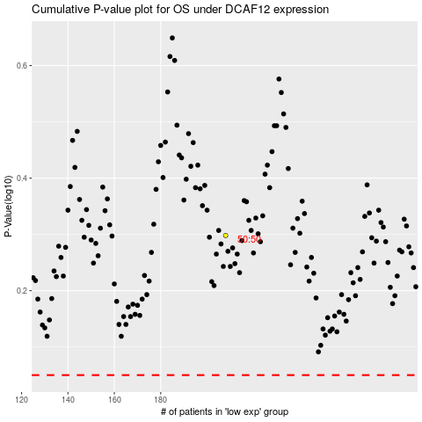

 |  |  |  |  |  | cases_OS | p_OS | rank | exp
 |  |  |  |  |  |  | cases_RFS | p_RFS | rank | exp

