DCAF15 _multivariate
Reported by Tex Li-Hsing Chi. tex@gate.sinica.edu.tw 2019-08-20

Table 2. The clinicopathological features of HNSCC cohort and DCAF15 expression. (Chi square test)
Cutoff at -0.087 (50.0%)
 |  | DCAF15 expression |  | DCAF15 expression |  | (Optimised)
 | Features | Low | (%) | High | (%) | Case no | P-value | Remark | Matthews
Gender | Female | 146 | 35.2 | 160 | 38.6 | 415 | 0.1714 | 0 | 0
2 | Male | 61 | 14.7 | 48 | 11.6
Age at diagnosis | <=65y | 130 | 31.3 | 144 | 34.7 | 415 | 0.2009 | 0 | 0
4 | >65y | 77 | 18.6 | 64 | 15.4
Clinical T Status | T1+T2 | 76 | 18.3 | 73 | 17.6 | 415 | 0.8092 | 0 | 0
6 | T3+T4 | 131 | 31.6 | 135 | 32.5
Clinical N Status | N0 | 108 | 26 | 108 | 26 | 415 | 1 | 0 | 0
8 | N1-3 | 99 | 23.9 | 100 | 24.1
Clinical M Status | M0 | 206 | 49.6 | 206 | 49.6 | 415 | 1 | 0 | 0
10 | M1 | 1 | 0.2 | 2 | 0.5
Clinical Stage | Stage I+II | 50 | 12 | 52 | 12.5 | 415 | 0.9315 | 0 | 0
12 | Stage III+IV | 157 | 37.8 | 156 | 37.6
Surgical Margin status | Negative | 160 | 38.6 | 158 | 38.1 | 415 | 0.8167 | 0 | 0
14 | Positive | 47 | 11.3 | 50 | 12
Tobacco Exposure | Low | 80 | 19.3 | 81 | 19.5 | 415 | 1 | 0 | 0
16 | High | 127 | 30.6 | 127 | 30.6

Table 3. Univariate/Multivariate Cox's proportional hazards regression analyses on OS time of DCAF15 gene expression in HNSCC

 |  | Univariate |  |  |  | Multivariate
 | Features | HR | CI95%(L) | CI95%(H) | P-value | HR | CI95%(L) | CI95%(H) | P-value
1 | Female | 1 |  |  |  | 1
Gender | Male | 1.157 | 0.843 | 1.587 | 0.367 | 1.167 | 0.834 | 1.634 | 0.368
11 | <=65y | 1 |  |  |  | 1
Age at diagnosis | >65y | 1.329 | 0.99 | 1.784 | 0.058 | 1.363 | 1.002 | 1.854 | 0.049
12 | T1+T2 | 1 |  |  |  | 1
Clinical T Status | T3+T4 | 1.409 | 1.028 | 1.931 | 0.033 | 2.267 | 1.197 | 4.293 | 0.012
13 | N0 | 1 |  |  |  | 1
Clinical N Status | N1-3 | 1.185 | 0.89 | 1.577 | 0.246 | 1.224 | 0.858 | 1.748 | 0.265
14 | M0 | 1 |  |  |  | 1
Clinical M Status | M1 | 4.097 | 1.009 | 16.644 | 0.049 | 10.31 | 2.238 | 47.497 | 0.003
15 | Stage I+II | 1 |  |  |  | 1
Clinical Stage | Stage III+IV | 1.245 | 0.882 | 1.759 | 0.213 | 0.495 | 0.23 | 1.062 | 0.071
16 | Negative | 1 |  |  |  | 1
Surgical Margin status | Positive | 1.591 | 1.155 | 2.191 | 0.004 | 1.737 | 1.251 | 2.41 | 0.001
17 | Low | 1 |  |  |  | 1
Tobacco Exposure | High | 1.364 | 1.008 | 1.844 | 0.044 | 1.463 | 1.062 | 2.014 | 0.02
18 | Low | 1 |  |  |  | 1
RNAseq(z-score) | High | 0.854 | 0.641 | 1.139 | 0.283 | 0.796 | 0.592 | 1.07 | 0.13

Table 4. Univariate/Multivariate Cox's proportional hazards regression analyses on RFS time of DCAF15 gene expression in HNSCC

 |  | Univariate |  |  |  | Multivariate
 | Features | HR | CI95%(L) | CI95%(H) | P-value | HR | CI95%(L) | CI95%(H) | P-value
1 | Female | 1 |  |  |  | 1
Gender | Male | 1.157 | 0.843 | 1.587 | 0.367 | 1.167 | 0.834 | 1.634 | 0.368
11 | <=65y | 1 |  |  |  | 1
Age at diagnosis | >65y | 1.329 | 0.99 | 1.784 | 0.058 | 1.363 | 1.002 | 1.854 | 0.049
12 | T1+T2 | 1 |  |  |  | 1
Clinical T Status | T3+T4 | 1.409 | 1.028 | 1.931 | 0.033 | 2.267 | 1.197 | 4.293 | 0.012
13 | N0 | 1 |  |  |  | 1
Clinical N Status | N1-3 | 1.185 | 0.89 | 1.577 | 0.246 | 1.224 | 0.858 | 1.748 | 0.265
14 | M0 | 1 |  |  |  | 1
Clinical M Status | M1 | 4.097 | 1.009 | 16.644 | 0.049 | 10.31 | 2.238 | 47.497 | 0.003
15 | Stage I+II | 1 |  |  |  | 1
Clinical Stage | Stage III+IV | 1.245 | 0.882 | 1.759 | 0.213 | 0.495 | 0.23 | 1.062 | 0.071
16 | Negative | 1 |  |  |  | 1
Surgical Margin status | Positive | 1.591 | 1.155 | 2.191 | 0.004 | 1.737 | 1.251 | 2.41 | 0.001
17 | Low | 1 |  |  |  | 1
Tobacco Exposure | High | 1.364 | 1.008 | 1.844 | 0.044 | 1.463 | 1.062 | 2.014 | 0.02
18 | Low | 1 |  |  |  | 1
RNAseq(z-score) | High | 0.854 | 0.641 | 1.139 | 0.283 | 0.796 | 0.592 | 1.07 | 0.13

Kaplan-Meier survival estimate: Cutoff at -0.087 (50.0%)



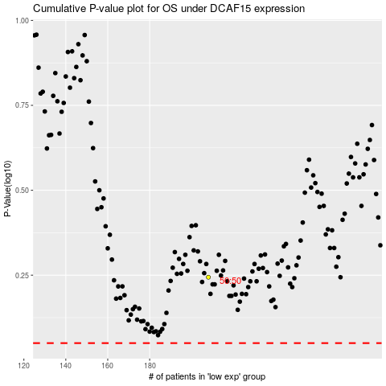

 |  |  |  |  |  | cases_OS | p_OS | rank | exp
 |  |  |  |  |  |  | cases_RFS | p_RFS | rank | exp

