DCAF16 _multivariate
Reported by Tex Li-Hsing Chi. tex@gate.sinica.edu.tw 2019-08-20

Table 2. The clinicopathological features of HNSCC cohort and DCAF16 expression. (Chi square test)
Cutoff at -0.177 (49.8%)
 |  | DCAF16 expression |  | DCAF16 expression |  | (Optimised)
 | Features | Low | (%) | High | (%) | Case no | P-value | Remark | Matthews
Gender | Female | 151 | 36.4 | 155 | 37.3 | 415 | 0.8007 | 0 | 0
2 | Male | 56 | 13.5 | 53 | 12.8
Age at diagnosis | <=65y | 129 | 31.1 | 145 | 34.9 | 415 | 0.1372 | 0 | 0
4 | >65y | 78 | 18.8 | 63 | 15.2
Clinical T Status | T1+T2 | 70 | 16.9 | 79 | 19 | 415 | 0.4343 | 0 | 0
6 | T3+T4 | 137 | 33 | 129 | 31.1
Clinical N Status | N0 | 106 | 25.5 | 110 | 26.5 | 415 | 0.8075 | 0 | 0
8 | N1-3 | 101 | 24.3 | 98 | 23.6
Clinical M Status | M0 | 206 | 49.6 | 206 | 49.6 | 415 | 1 | 0 | 0
10 | M1 | 1 | 0.2 | 2 | 0.5
Clinical Stage | Stage I+II | 47 | 11.3 | 55 | 13.3 | 415 | 0.4413 | 0 | 0
12 | Stage III+IV | 160 | 38.6 | 153 | 36.9
Surgical Margin status | Negative | 161 | 38.8 | 157 | 37.8 | 415 | 0.6429 | 0 | 0
14 | Positive | 46 | 11.1 | 51 | 12.3
Tobacco Exposure | Low | 88 | 21.2 | 73 | 17.6 | 415 | 0.1314 | 0 | 0
16 | High | 119 | 28.7 | 135 | 32.5

Table 3. Univariate/Multivariate Cox's proportional hazards regression analyses on OS time of DCAF16 gene expression in HNSCC

 |  | Univariate |  |  |  | Multivariate
 | Features | HR | CI95%(L) | CI95%(H) | P-value | HR | CI95%(L) | CI95%(H) | P-value
1 | Female | 1 |  |  |  | 1
Gender | Male | 1.157 | 0.843 | 1.587 | 0.367 | 1.192 | 0.852 | 1.666 | 0.305
11 | <=65y | 1 |  |  |  | 1
Age at diagnosis | >65y | 1.329 | 0.99 | 1.784 | 0.058 | 1.374 | 1.01 | 1.871 | 0.043
12 | T1+T2 | 1 |  |  |  | 1
Clinical T Status | T3+T4 | 1.409 | 1.028 | 1.931 | 0.033 | 2.205 | 1.167 | 4.168 | 0.015
13 | N0 | 1 |  |  |  | 1
Clinical N Status | N1-3 | 1.185 | 0.89 | 1.577 | 0.246 | 1.244 | 0.872 | 1.776 | 0.228
14 | M0 | 1 |  |  |  | 1
Clinical M Status | M1 | 4.097 | 1.009 | 16.644 | 0.049 | 9.497 | 2.071 | 43.549 | 0.004
15 | Stage I+II | 1 |  |  |  | 1
Clinical Stage | Stage III+IV | 1.245 | 0.882 | 1.759 | 0.213 | 0.498 | 0.232 | 1.07 | 0.074
16 | Negative | 1 |  |  |  | 1
Surgical Margin status | Positive | 1.591 | 1.155 | 2.191 | 0.004 | 1.673 | 1.211 | 2.312 | 0.002
17 | Low | 1 |  |  |  | 1
Tobacco Exposure | High | 1.364 | 1.008 | 1.844 | 0.044 | 1.469 | 1.065 | 2.027 | 0.019
18 | Low | 1 |  |  |  | 1
RNAseq(z-score) | High | 0.881 | 0.661 | 1.174 | 0.387 | 0.888 | 0.663 | 1.188 | 0.423

Table 4. Univariate/Multivariate Cox's proportional hazards regression analyses on RFS time of DCAF16 gene expression in HNSCC

 |  | Univariate |  |  |  | Multivariate
 | Features | HR | CI95%(L) | CI95%(H) | P-value | HR | CI95%(L) | CI95%(H) | P-value
1 | Female | 1 |  |  |  | 1
Gender | Male | 1.157 | 0.843 | 1.587 | 0.367 | 1.192 | 0.852 | 1.666 | 0.305
11 | <=65y | 1 |  |  |  | 1
Age at diagnosis | >65y | 1.329 | 0.99 | 1.784 | 0.058 | 1.374 | 1.01 | 1.871 | 0.043
12 | T1+T2 | 1 |  |  |  | 1
Clinical T Status | T3+T4 | 1.409 | 1.028 | 1.931 | 0.033 | 2.205 | 1.167 | 4.168 | 0.015
13 | N0 | 1 |  |  |  | 1
Clinical N Status | N1-3 | 1.185 | 0.89 | 1.577 | 0.246 | 1.244 | 0.872 | 1.776 | 0.228
14 | M0 | 1 |  |  |  | 1
Clinical M Status | M1 | 4.097 | 1.009 | 16.644 | 0.049 | 9.497 | 2.071 | 43.549 | 0.004
15 | Stage I+II | 1 |  |  |  | 1
Clinical Stage | Stage III+IV | 1.245 | 0.882 | 1.759 | 0.213 | 0.498 | 0.232 | 1.07 | 0.074
16 | Negative | 1 |  |  |  | 1
Surgical Margin status | Positive | 1.591 | 1.155 | 2.191 | 0.004 | 1.673 | 1.211 | 2.312 | 0.002
17 | Low | 1 |  |  |  | 1
Tobacco Exposure | High | 1.364 | 1.008 | 1.844 | 0.044 | 1.469 | 1.065 | 2.027 | 0.019
18 | Low | 1 |  |  |  | 1
RNAseq(z-score) | High | 0.881 | 0.661 | 1.174 | 0.387 | 0.888 | 0.663 | 1.188 | 0.423

Kaplan-Meier survival estimate: Cutoff at -0.177 (49.8%)



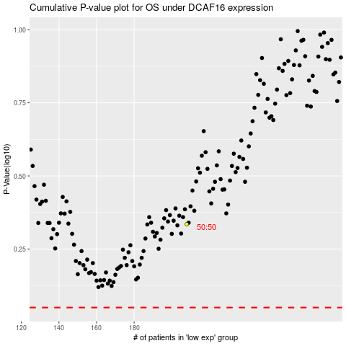

 |  |  |  |  |  | cases_OS | p_OS | rank | exp
 |  |  |  |  |  |  | cases_RFS | p_RFS | rank | exp

