DCAF17 _multivariate
Reported by Tex Li-Hsing Chi. tex@gate.sinica.edu.tw 2019-08-20

Table 2. The clinicopathological features of HNSCC cohort and DCAF17 expression. (Chi square test)
Cutoff at -0.211 (42.3%)
 |  | DCAF17 expression |  | DCAF17 expression |  | (Optimised)
 | Features | Low | (%) | High | (%) | Case no | P-value | Remark | Matthews
Gender | Female | 122 | 29.4 | 184 | 44.3 | 415 | 0.1007 | 0 | 0
2 | Male | 54 | 13 | 55 | 13.3
Age at diagnosis | <=65y | 116 | 28 | 158 | 38.1 | 415 | 1 | 0 | 0
4 | >65y | 60 | 14.5 | 81 | 19.5
Clinical T Status | T1+T2 | 58 | 14 | 91 | 21.9 | 415 | 0.3315 | 0 | 0
6 | T3+T4 | 118 | 28.4 | 148 | 35.7
Clinical N Status | N0 | 82 | 19.8 | 134 | 32.3 | 415 | 0.0703 | 0 | 0
8 | N1-3 | 94 | 22.7 | 105 | 25.3
Clinical M Status | M0 | 174 | 41.9 | 238 | 57.3 | 415 | 0.5767 | 0 | 0
10 | M1 | 2 | 0.5 | 1 | 0.2
Clinical Stage | Stage I+II | 34 | 8.2 | 68 | 16.4 | 415 | 0.0433 | 1 | 0
12 | Stage III+IV | 142 | 34.2 | 171 | 41.2
Surgical Margin status | Negative | 130 | 31.3 | 188 | 45.3 | 415 | 0.291 | 0 | 0
14 | Positive | 46 | 11.1 | 51 | 12.3
Tobacco Exposure | Low | 69 | 16.6 | 92 | 22.2 | 415 | 0.919 | 0 | 0
16 | High | 107 | 25.8 | 147 | 35.4

Table 3. Univariate/Multivariate Cox's proportional hazards regression analyses on OS time of DCAF17 gene expression in HNSCC

 |  | Univariate |  |  |  | Multivariate
 | Features | HR | CI95%(L) | CI95%(H) | P-value | HR | CI95%(L) | CI95%(H) | P-value
1 | Female | 1 |  |  |  | 1
Gender | Male | 1.157 | 0.843 | 1.587 | 0.367 | 1.181 | 0.845 | 1.651 | 0.33
11 | <=65y | 1 |  |  |  | 1
Age at diagnosis | >65y | 1.329 | 0.99 | 1.784 | 0.058 | 1.377 | 1.013 | 1.872 | 0.041
12 | T1+T2 | 1 |  |  |  | 1
Clinical T Status | T3+T4 | 1.409 | 1.028 | 1.931 | 0.033 | 2.208 | 1.168 | 4.177 | 0.015
13 | N0 | 1 |  |  |  | 1
Clinical N Status | N1-3 | 1.185 | 0.89 | 1.577 | 0.246 | 1.232 | 0.864 | 1.757 | 0.249
14 | M0 | 1 |  |  |  | 1
Clinical M Status | M1 | 4.097 | 1.009 | 16.644 | 0.049 | 9.033 | 1.968 | 41.454 | 0.005
15 | Stage I+II | 1 |  |  |  | 1
Clinical Stage | Stage III+IV | 1.245 | 0.882 | 1.759 | 0.213 | 0.497 | 0.231 | 1.066 | 0.072
16 | Negative | 1 |  |  |  | 1
Surgical Margin status | Positive | 1.591 | 1.155 | 2.191 | 0.004 | 1.633 | 1.181 | 2.26 | 0.003
17 | Low | 1 |  |  |  | 1
Tobacco Exposure | High | 1.364 | 1.008 | 1.844 | 0.044 | 1.444 | 1.048 | 1.989 | 0.025
18 | Low | 1 |  |  |  | 1
RNAseq(z-score) | High | 0.749 | 0.56 | 1.001 | 0.05 | 0.815 | 0.608 | 1.094 | 0.173

Table 4. Univariate/Multivariate Cox's proportional hazards regression analyses on RFS time of DCAF17 gene expression in HNSCC

 |  | Univariate |  |  |  | Multivariate
 | Features | HR | CI95%(L) | CI95%(H) | P-value | HR | CI95%(L) | CI95%(H) | P-value
1 | Female | 1 |  |  |  | 1
Gender | Male | 1.157 | 0.843 | 1.587 | 0.367 | 1.181 | 0.845 | 1.651 | 0.33
11 | <=65y | 1 |  |  |  | 1
Age at diagnosis | >65y | 1.329 | 0.99 | 1.784 | 0.058 | 1.377 | 1.013 | 1.872 | 0.041
12 | T1+T2 | 1 |  |  |  | 1
Clinical T Status | T3+T4 | 1.409 | 1.028 | 1.931 | 0.033 | 2.208 | 1.168 | 4.177 | 0.015
13 | N0 | 1 |  |  |  | 1
Clinical N Status | N1-3 | 1.185 | 0.89 | 1.577 | 0.246 | 1.232 | 0.864 | 1.757 | 0.249
14 | M0 | 1 |  |  |  | 1
Clinical M Status | M1 | 4.097 | 1.009 | 16.644 | 0.049 | 9.033 | 1.968 | 41.454 | 0.005
15 | Stage I+II | 1 |  |  |  | 1
Clinical Stage | Stage III+IV | 1.245 | 0.882 | 1.759 | 0.213 | 0.497 | 0.231 | 1.066 | 0.072
16 | Negative | 1 |  |  |  | 1
Surgical Margin status | Positive | 1.591 | 1.155 | 2.191 | 0.004 | 1.633 | 1.181 | 2.26 | 0.003
17 | Low | 1 |  |  |  | 1
Tobacco Exposure | High | 1.364 | 1.008 | 1.844 | 0.044 | 1.444 | 1.048 | 1.989 | 0.025
18 | Low | 1 |  |  |  | 1
RNAseq(z-score) | High | 0.749 | 0.56 | 1.001 | 0.05 | 0.815 | 0.608 | 1.094 | 0.173

Kaplan-Meier survival estimate: Cutoff at -0.211 (42.3%)



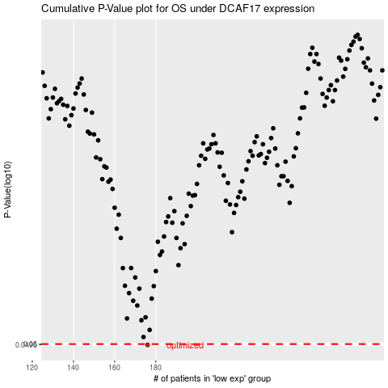

 |  |  |  |  |  | cases_OS | p_OS | rank | exp
 |  |  |  |  |  | 176 | 0.0496 | 336 | -0.21136069727
 |  |  |  |  |  |  | cases_RFS | p_RFS | rank | exp
 |  |  |  |  |  |  | 175 | 0.0496 | 58 | -0.21953096691

