DCAF6 _multivariate
Reported by Tex Li-Hsing Chi. tex@gate.sinica.edu.tw 2019-08-20

Table 2. The clinicopathological features of HNSCC cohort and DCAF6 expression. (Chi square test)
Cutoff at -0.19 (50.0%)
 |  | DCAF6 expression |  | DCAF6 expression |  | (Optimised)
 | Features | Low | (%) | High | (%) | Case no | P-value | Remark | Matthews
Gender | Female | 147 | 35.4 | 159 | 38.3 | 415 | 0.2523 | 0 | 0
2 | Male | 60 | 14.5 | 49 | 11.8
Age at diagnosis | <=65y | 136 | 32.8 | 138 | 33.3 | 415 | 0.9719 | 0 | 0
4 | >65y | 71 | 17.1 | 70 | 16.9
Clinical T Status | T1+T2 | 78 | 18.8 | 71 | 17.1 | 415 | 0.5152 | 0 | 0
6 | T3+T4 | 129 | 31.1 | 137 | 33
Clinical N Status | N0 | 106 | 25.5 | 110 | 26.5 | 415 | 0.8075 | 0 | 0
8 | N1-3 | 101 | 24.3 | 98 | 23.6
Clinical M Status | M0 | 204 | 49.2 | 208 | 50.1 | 415 | 0.1232 | 0 | 0
10 | M1 | 3 | 0.7 | 0 | 0
Clinical Stage | Stage I+II | 57 | 13.7 | 45 | 10.8 | 415 | 0.1998 | 0 | 0
12 | Stage III+IV | 150 | 36.1 | 163 | 39.3
Surgical Margin status | Negative | 153 | 36.9 | 165 | 39.8 | 415 | 0.2036 | 0 | 0
14 | Positive | 54 | 13 | 43 | 10.4
Tobacco Exposure | Low | 90 | 21.7 | 71 | 17.1 | 415 | 0.0559 | 0 | 0
16 | High | 117 | 28.2 | 137 | 33

Table 3. Univariate/Multivariate Cox's proportional hazards regression analyses on OS time of DCAF6 gene expression in HNSCC

 |  | Univariate |  |  |  | Multivariate
 | Features | HR | CI95%(L) | CI95%(H) | P-value | HR | CI95%(L) | CI95%(H) | P-value
1 | Female | 1 |  |  |  | 1
Gender | Male | 1.157 | 0.843 | 1.587 | 0.367 | 1.195 | 0.854 | 1.671 | 0.299
11 | <=65y | 1 |  |  |  | 1
Age at diagnosis | >65y | 1.329 | 0.99 | 1.784 | 0.058 | 1.391 | 1.024 | 1.891 | 0.035
12 | T1+T2 | 1 |  |  |  | 1
Clinical T Status | T3+T4 | 1.409 | 1.028 | 1.931 | 0.033 | 2.185 | 1.155 | 4.134 | 0.016
13 | N0 | 1 |  |  |  | 1
Clinical N Status | N1-3 | 1.185 | 0.89 | 1.577 | 0.246 | 1.229 | 0.86 | 1.757 | 0.258
14 | M0 | 1 |  |  |  | 1
Clinical M Status | M1 | 4.097 | 1.009 | 16.644 | 0.049 | 8.992 | 1.943 | 41.614 | 0.005
15 | Stage I+II | 1 |  |  |  | 1
Clinical Stage | Stage III+IV | 1.245 | 0.882 | 1.759 | 0.213 | 0.516 | 0.239 | 1.113 | 0.092
16 | Negative | 1 |  |  |  | 1
Surgical Margin status | Positive | 1.591 | 1.155 | 2.191 | 0.004 | 1.66 | 1.2 | 2.295 | 0.002
17 | Low | 1 |  |  |  | 1
Tobacco Exposure | High | 1.364 | 1.008 | 1.844 | 0.044 | 1.473 | 1.064 | 2.039 | 0.02
18 | Low | 1 |  |  |  | 1
RNAseq(z-score) | High | 0.911 | 0.684 | 1.214 | 0.525 | 0.926 | 0.686 | 1.249 | 0.613

Table 4. Univariate/Multivariate Cox's proportional hazards regression analyses on RFS time of DCAF6 gene expression in HNSCC

 |  | Univariate |  |  |  | Multivariate
 | Features | HR | CI95%(L) | CI95%(H) | P-value | HR | CI95%(L) | CI95%(H) | P-value
1 | Female | 1 |  |  |  | 1
Gender | Male | 1.157 | 0.843 | 1.587 | 0.367 | 1.195 | 0.854 | 1.671 | 0.299
11 | <=65y | 1 |  |  |  | 1
Age at diagnosis | >65y | 1.329 | 0.99 | 1.784 | 0.058 | 1.391 | 1.024 | 1.891 | 0.035
12 | T1+T2 | 1 |  |  |  | 1
Clinical T Status | T3+T4 | 1.409 | 1.028 | 1.931 | 0.033 | 2.185 | 1.155 | 4.134 | 0.016
13 | N0 | 1 |  |  |  | 1
Clinical N Status | N1-3 | 1.185 | 0.89 | 1.577 | 0.246 | 1.229 | 0.86 | 1.757 | 0.258
14 | M0 | 1 |  |  |  | 1
Clinical M Status | M1 | 4.097 | 1.009 | 16.644 | 0.049 | 8.992 | 1.943 | 41.614 | 0.005
15 | Stage I+II | 1 |  |  |  | 1
Clinical Stage | Stage III+IV | 1.245 | 0.882 | 1.759 | 0.213 | 0.516 | 0.239 | 1.113 | 0.092
16 | Negative | 1 |  |  |  | 1
Surgical Margin status | Positive | 1.591 | 1.155 | 2.191 | 0.004 | 1.66 | 1.2 | 2.295 | 0.002
17 | Low | 1 |  |  |  | 1
Tobacco Exposure | High | 1.364 | 1.008 | 1.844 | 0.044 | 1.473 | 1.064 | 2.039 | 0.02
18 | Low | 1 |  |  |  | 1
RNAseq(z-score) | High | 0.911 | 0.684 | 1.214 | 0.525 | 0.926 | 0.686 | 1.249 | 0.613

Kaplan-Meier survival estimate: Cutoff at -0.19 (50.0%)



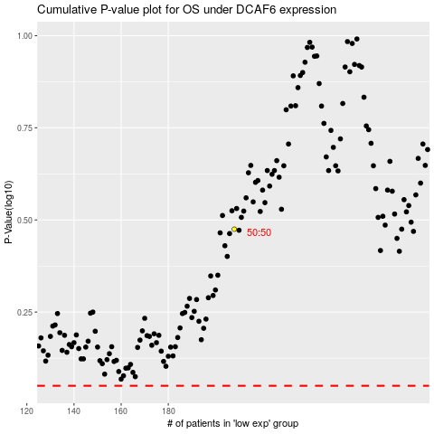

 |  |  |  |  |  | cases_OS | p_OS | rank | exp
 |  |  |  |  |  |  | cases_RFS | p_RFS | rank | exp

