DCAF7 _multivariate
Reported by Tex Li-Hsing Chi. tex@gate.sinica.edu.tw 2019-08-20

Table 2. The clinicopathological features of HNSCC cohort and DCAF7 expression. (Chi square test)
Cutoff at -0.109 (49.8%)
 |  | DCAF7 expression |  | DCAF7 expression |  | (Optimised)
 | Features | Low | (%) | High | (%) | Case no | P-value | Remark | Matthews
Gender | Female | 147 | 35.4 | 159 | 38.3 | 415 | 0.2523 | 0 | 0
2 | Male | 60 | 14.5 | 49 | 11.8
Age at diagnosis | <=65y | 140 | 33.7 | 134 | 32.3 | 415 | 0.5574 | 0 | 0
4 | >65y | 67 | 16.1 | 74 | 17.8
Clinical T Status | T1+T2 | 73 | 17.6 | 76 | 18.3 | 415 | 0.8666 | 0 | 0
6 | T3+T4 | 134 | 32.3 | 132 | 31.8
Clinical N Status | N0 | 108 | 26 | 108 | 26 | 415 | 1 | 0 | 0
8 | N1-3 | 99 | 23.9 | 100 | 24.1
Clinical M Status | M0 | 205 | 49.4 | 207 | 49.9 | 415 | 0.6232 | 0 | 0
10 | M1 | 2 | 0.5 | 1 | 0.2
Clinical Stage | Stage I+II | 53 | 12.8 | 49 | 11.8 | 415 | 0.7113 | 0 | 0
12 | Stage III+IV | 154 | 37.1 | 159 | 38.3
Surgical Margin status | Negative | 159 | 38.3 | 159 | 38.3 | 415 | 1 | 0 | 0
14 | Positive | 48 | 11.6 | 49 | 11.8
Tobacco Exposure | Low | 98 | 23.6 | 63 | 15.2 | 415 | 4e-04 | 1 | 0
16 | High | 109 | 26.3 | 145 | 34.9

Table 3. Univariate/Multivariate Cox's proportional hazards regression analyses on OS time of DCAF7 gene expression in HNSCC

 |  | Univariate |  |  |  | Multivariate
 | Features | HR | CI95%(L) | CI95%(H) | P-value | HR | CI95%(L) | CI95%(H) | P-value
1 | Female | 1 |  |  |  | 1
Gender | Male | 1.157 | 0.843 | 1.587 | 0.367 | 1.242 | 0.886 | 1.74 | 0.209
11 | <=65y | 1 |  |  |  | 1
Age at diagnosis | >65y | 1.329 | 0.99 | 1.784 | 0.058 | 1.35 | 0.991 | 1.839 | 0.057
12 | T1+T2 | 1 |  |  |  | 1
Clinical T Status | T3+T4 | 1.409 | 1.028 | 1.931 | 0.033 | 2.285 | 1.206 | 4.329 | 0.011
13 | N0 | 1 |  |  |  | 1
Clinical N Status | N1-3 | 1.185 | 0.89 | 1.577 | 0.246 | 1.246 | 0.873 | 1.777 | 0.225
14 | M0 | 1 |  |  |  | 1
Clinical M Status | M1 | 4.097 | 1.009 | 16.644 | 0.049 | 10.464 | 2.268 | 48.278 | 0.003
15 | Stage I+II | 1 |  |  |  | 1
Clinical Stage | Stage III+IV | 1.245 | 0.882 | 1.759 | 0.213 | 0.489 | 0.228 | 1.052 | 0.067
16 | Negative | 1 |  |  |  | 1
Surgical Margin status | Positive | 1.591 | 1.155 | 2.191 | 0.004 | 1.715 | 1.239 | 2.374 | 0.001
17 | Low | 1 |  |  |  | 1
Tobacco Exposure | High | 1.364 | 1.008 | 1.844 | 0.044 | 1.405 | 1.017 | 1.941 | 0.039
18 | Low | 1 |  |  |  | 1
RNAseq(z-score) | High | 1.212 | 0.908 | 1.616 | 0.191 | 1.258 | 0.933 | 1.696 | 0.132

Table 4. Univariate/Multivariate Cox's proportional hazards regression analyses on RFS time of DCAF7 gene expression in HNSCC

 |  | Univariate |  |  |  | Multivariate
 | Features | HR | CI95%(L) | CI95%(H) | P-value | HR | CI95%(L) | CI95%(H) | P-value
1 | Female | 1 |  |  |  | 1
Gender | Male | 1.157 | 0.843 | 1.587 | 0.367 | 1.242 | 0.886 | 1.74 | 0.209
11 | <=65y | 1 |  |  |  | 1
Age at diagnosis | >65y | 1.329 | 0.99 | 1.784 | 0.058 | 1.35 | 0.991 | 1.839 | 0.057
12 | T1+T2 | 1 |  |  |  | 1
Clinical T Status | T3+T4 | 1.409 | 1.028 | 1.931 | 0.033 | 2.285 | 1.206 | 4.329 | 0.011
13 | N0 | 1 |  |  |  | 1
Clinical N Status | N1-3 | 1.185 | 0.89 | 1.577 | 0.246 | 1.246 | 0.873 | 1.777 | 0.225
14 | M0 | 1 |  |  |  | 1
Clinical M Status | M1 | 4.097 | 1.009 | 16.644 | 0.049 | 10.464 | 2.268 | 48.278 | 0.003
15 | Stage I+II | 1 |  |  |  | 1
Clinical Stage | Stage III+IV | 1.245 | 0.882 | 1.759 | 0.213 | 0.489 | 0.228 | 1.052 | 0.067
16 | Negative | 1 |  |  |  | 1
Surgical Margin status | Positive | 1.591 | 1.155 | 2.191 | 0.004 | 1.715 | 1.239 | 2.374 | 0.001
17 | Low | 1 |  |  |  | 1
Tobacco Exposure | High | 1.364 | 1.008 | 1.844 | 0.044 | 1.405 | 1.017 | 1.941 | 0.039
18 | Low | 1 |  |  |  | 1
RNAseq(z-score) | High | 1.212 | 0.908 | 1.616 | 0.191 | 1.258 | 0.933 | 1.696 | 0.132

Kaplan-Meier survival estimate: Cutoff at -0.109 (49.8%)



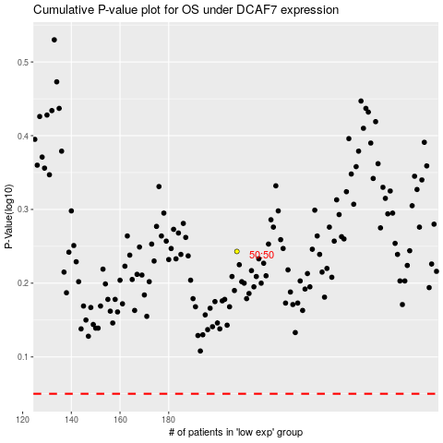

 |  |  |  |  |  | cases_OS | p_OS | rank | exp
 |  |  |  |  |  |  | cases_RFS | p_RFS | rank | exp

