DCK _multivariate
Reported by Tex Li-Hsing Chi. tex@gate.sinica.edu.tw 2019-08-20

Table 2. The clinicopathological features of HNSCC cohort and DCK expression. (Chi square test)
Cutoff at -0.181 (49.8%)
 |  | DCK expression |  | DCK expression |  | (Optimised)
 | Features | Low | (%) | High | (%) | Case no | P-value | Remark | Matthews
Gender | Female | 156 | 37.6 | 150 | 36.1 | 415 | 0.5222 | 0 | 0
2 | Male | 51 | 12.3 | 58 | 14
Age at diagnosis | <=65y | 140 | 33.7 | 134 | 32.3 | 415 | 0.5574 | 0 | 0
4 | >65y | 67 | 16.1 | 74 | 17.8
Clinical T Status | T1+T2 | 70 | 16.9 | 79 | 19 | 415 | 0.4343 | 0 | 0
6 | T3+T4 | 137 | 33 | 129 | 31.1
Clinical N Status | N0 | 110 | 26.5 | 106 | 25.5 | 415 | 0.7294 | 0 | 0
8 | N1-3 | 97 | 23.4 | 102 | 24.6
Clinical M Status | M0 | 204 | 49.2 | 208 | 50.1 | 415 | 0.1232 | 0 | 0
10 | M1 | 3 | 0.7 | 0 | 0
Clinical Stage | Stage I+II | 46 | 11.1 | 56 | 13.5 | 415 | 0.3182 | 0 | 0
12 | Stage III+IV | 161 | 38.8 | 152 | 36.6
Surgical Margin status | Negative | 161 | 38.8 | 157 | 37.8 | 415 | 0.6429 | 0 | 0
14 | Positive | 46 | 11.1 | 51 | 12.3
Tobacco Exposure | Low | 87 | 21 | 74 | 17.8 | 415 | 0.1911 | 0 | 0
16 | High | 120 | 28.9 | 134 | 32.3

Table 3. Univariate/Multivariate Cox's proportional hazards regression analyses on OS time of DCK gene expression in HNSCC

 |  | Univariate |  |  |  | Multivariate
 | Features | HR | CI95%(L) | CI95%(H) | P-value | HR | CI95%(L) | CI95%(H) | P-value
1 | Female | 1 |  |  |  | 1
Gender | Male | 1.157 | 0.843 | 1.587 | 0.367 | 1.205 | 0.862 | 1.685 | 0.276
11 | <=65y | 1 |  |  |  | 1
Age at diagnosis | >65y | 1.329 | 0.99 | 1.784 | 0.058 | 1.397 | 1.028 | 1.899 | 0.033
12 | T1+T2 | 1 |  |  |  | 1
Clinical T Status | T3+T4 | 1.409 | 1.028 | 1.931 | 0.033 | 2.174 | 1.148 | 4.115 | 0.017
13 | N0 | 1 |  |  |  | 1
Clinical N Status | N1-3 | 1.185 | 0.89 | 1.577 | 0.246 | 1.24 | 0.869 | 1.769 | 0.235
14 | M0 | 1 |  |  |  | 1
Clinical M Status | M1 | 4.097 | 1.009 | 16.644 | 0.049 | 8.905 | 1.926 | 41.165 | 0.005
15 | Stage I+II | 1 |  |  |  | 1
Clinical Stage | Stage III+IV | 1.245 | 0.882 | 1.759 | 0.213 | 0.504 | 0.235 | 1.082 | 0.079
16 | Negative | 1 |  |  |  | 1
Surgical Margin status | Positive | 1.591 | 1.155 | 2.191 | 0.004 | 1.68 | 1.216 | 2.323 | 0.002
17 | Low | 1 |  |  |  | 1
Tobacco Exposure | High | 1.364 | 1.008 | 1.844 | 0.044 | 1.468 | 1.063 | 2.028 | 0.02
18 | Low | 1 |  |  |  | 1
RNAseq(z-score) | High | 0.922 | 0.693 | 1.228 | 0.58 | 0.908 | 0.678 | 1.215 | 0.515

Table 4. Univariate/Multivariate Cox's proportional hazards regression analyses on RFS time of DCK gene expression in HNSCC

 |  | Univariate |  |  |  | Multivariate
 | Features | HR | CI95%(L) | CI95%(H) | P-value | HR | CI95%(L) | CI95%(H) | P-value
1 | Female | 1 |  |  |  | 1
Gender | Male | 1.157 | 0.843 | 1.587 | 0.367 | 1.205 | 0.862 | 1.685 | 0.276
11 | <=65y | 1 |  |  |  | 1
Age at diagnosis | >65y | 1.329 | 0.99 | 1.784 | 0.058 | 1.397 | 1.028 | 1.899 | 0.033
12 | T1+T2 | 1 |  |  |  | 1
Clinical T Status | T3+T4 | 1.409 | 1.028 | 1.931 | 0.033 | 2.174 | 1.148 | 4.115 | 0.017
13 | N0 | 1 |  |  |  | 1
Clinical N Status | N1-3 | 1.185 | 0.89 | 1.577 | 0.246 | 1.24 | 0.869 | 1.769 | 0.235
14 | M0 | 1 |  |  |  | 1
Clinical M Status | M1 | 4.097 | 1.009 | 16.644 | 0.049 | 8.905 | 1.926 | 41.165 | 0.005
15 | Stage I+II | 1 |  |  |  | 1
Clinical Stage | Stage III+IV | 1.245 | 0.882 | 1.759 | 0.213 | 0.504 | 0.235 | 1.082 | 0.079
16 | Negative | 1 |  |  |  | 1
Surgical Margin status | Positive | 1.591 | 1.155 | 2.191 | 0.004 | 1.68 | 1.216 | 2.323 | 0.002
17 | Low | 1 |  |  |  | 1
Tobacco Exposure | High | 1.364 | 1.008 | 1.844 | 0.044 | 1.468 | 1.063 | 2.028 | 0.02
18 | Low | 1 |  |  |  | 1
RNAseq(z-score) | High | 0.922 | 0.693 | 1.228 | 0.58 | 0.908 | 0.678 | 1.215 | 0.515

Kaplan-Meier survival estimate: Cutoff at -0.181 (49.8%)



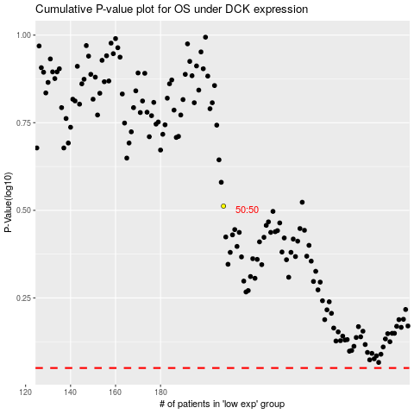

 |  |  |  |  |  | cases_OS | p_OS | rank | exp
 |  |  |  |  |  |  | cases_RFS | p_RFS | rank | exp

