DCLRE1A _multivariate
Reported by Tex Li-Hsing Chi. tex@gate.sinica.edu.tw 2019-08-20

Table 2. The clinicopathological features of HNSCC cohort and DCLRE1A expression. (Chi square test)
Cutoff at -0.206 (49.8%)
 |  | DCLRE1A expression |  | DCLRE1A expression |  | (Optimised)
 | Features | Low | (%) | High | (%) | Case no | P-value | Remark | Matthews
Gender | Female | 148 | 35.7 | 158 | 38.1 | 415 | 0.3567 | 0 | 0
2 | Male | 59 | 14.2 | 50 | 12
Age at diagnosis | <=65y | 129 | 31.1 | 145 | 34.9 | 415 | 0.1372 | 0 | 0
4 | >65y | 78 | 18.8 | 63 | 15.2
Clinical T Status | T1+T2 | 75 | 18.1 | 74 | 17.8 | 415 | 0.9707 | 0 | 0
6 | T3+T4 | 132 | 31.8 | 134 | 32.3
Clinical N Status | N0 | 113 | 27.2 | 103 | 24.8 | 415 | 0.3495 | 1 | 0
8 | N1-3 | 94 | 22.7 | 105 | 25.3
Clinical M Status | M0 | 206 | 49.6 | 206 | 49.6 | 415 | 1 | 0 | 0
10 | M1 | 1 | 0.2 | 2 | 0.5
Clinical Stage | Stage I+II | 54 | 13 | 48 | 11.6 | 415 | 0.5498 | 0 | 0
12 | Stage III+IV | 153 | 36.9 | 160 | 38.6
Surgical Margin status | Negative | 164 | 39.5 | 154 | 37.1 | 415 | 0.2462 | 0 | 0
14 | Positive | 43 | 10.4 | 54 | 13
Tobacco Exposure | Low | 86 | 20.7 | 75 | 18.1 | 415 | 0.2687 | 0 | 0
16 | High | 121 | 29.2 | 133 | 32

Table 3. Univariate/Multivariate Cox's proportional hazards regression analyses on OS time of DCLRE1A gene expression in HNSCC

 |  | Univariate |  |  |  | Multivariate
 | Features | HR | CI95%(L) | CI95%(H) | P-value | HR | CI95%(L) | CI95%(H) | P-value
1 | Female | 1 |  |  |  | 1
Gender | Male | 1.157 | 0.843 | 1.587 | 0.367 | 1.215 | 0.87 | 1.695 | 0.253
11 | <=65y | 1 |  |  |  | 1
Age at diagnosis | >65y | 1.329 | 0.99 | 1.784 | 0.058 | 1.404 | 1.033 | 1.909 | 0.03
12 | T1+T2 | 1 |  |  |  | 1
Clinical T Status | T3+T4 | 1.409 | 1.028 | 1.931 | 0.033 | 2.225 | 1.176 | 4.21 | 0.014
13 | N0 | 1 |  |  |  | 1
Clinical N Status | N1-3 | 1.185 | 0.89 | 1.577 | 0.246 | 1.236 | 0.866 | 1.764 | 0.243
14 | M0 | 1 |  |  |  | 1
Clinical M Status | M1 | 4.097 | 1.009 | 16.644 | 0.049 | 9.453 | 2.062 | 43.343 | 0.004
15 | Stage I+II | 1 |  |  |  | 1
Clinical Stage | Stage III+IV | 1.245 | 0.882 | 1.759 | 0.213 | 0.497 | 0.232 | 1.068 | 0.073
16 | Negative | 1 |  |  |  | 1
Surgical Margin status | Positive | 1.591 | 1.155 | 2.191 | 0.004 | 1.676 | 1.212 | 2.316 | 0.002
17 | Low | 1 |  |  |  | 1
Tobacco Exposure | High | 1.364 | 1.008 | 1.844 | 0.044 | 1.439 | 1.045 | 1.981 | 0.026
18 | Low | 1 |  |  |  | 1
RNAseq(z-score) | High | 1.128 | 0.847 | 1.503 | 0.409 | 1.151 | 0.861 | 1.539 | 0.343

Table 4. Univariate/Multivariate Cox's proportional hazards regression analyses on RFS time of DCLRE1A gene expression in HNSCC

 |  | Univariate |  |  |  | Multivariate
 | Features | HR | CI95%(L) | CI95%(H) | P-value | HR | CI95%(L) | CI95%(H) | P-value
1 | Female | 1 |  |  |  | 1
Gender | Male | 1.157 | 0.843 | 1.587 | 0.367 | 1.215 | 0.87 | 1.695 | 0.253
11 | <=65y | 1 |  |  |  | 1
Age at diagnosis | >65y | 1.329 | 0.99 | 1.784 | 0.058 | 1.404 | 1.033 | 1.909 | 0.03
12 | T1+T2 | 1 |  |  |  | 1
Clinical T Status | T3+T4 | 1.409 | 1.028 | 1.931 | 0.033 | 2.225 | 1.176 | 4.21 | 0.014
13 | N0 | 1 |  |  |  | 1
Clinical N Status | N1-3 | 1.185 | 0.89 | 1.577 | 0.246 | 1.236 | 0.866 | 1.764 | 0.243
14 | M0 | 1 |  |  |  | 1
Clinical M Status | M1 | 4.097 | 1.009 | 16.644 | 0.049 | 9.453 | 2.062 | 43.343 | 0.004
15 | Stage I+II | 1 |  |  |  | 1
Clinical Stage | Stage III+IV | 1.245 | 0.882 | 1.759 | 0.213 | 0.497 | 0.232 | 1.068 | 0.073
16 | Negative | 1 |  |  |  | 1
Surgical Margin status | Positive | 1.591 | 1.155 | 2.191 | 0.004 | 1.676 | 1.212 | 2.316 | 0.002
17 | Low | 1 |  |  |  | 1
Tobacco Exposure | High | 1.364 | 1.008 | 1.844 | 0.044 | 1.439 | 1.045 | 1.981 | 0.026
18 | Low | 1 |  |  |  | 1
RNAseq(z-score) | High | 1.128 | 0.847 | 1.503 | 0.409 | 1.151 | 0.861 | 1.539 | 0.343

Kaplan-Meier survival estimate: Cutoff at -0.206 (49.8%)



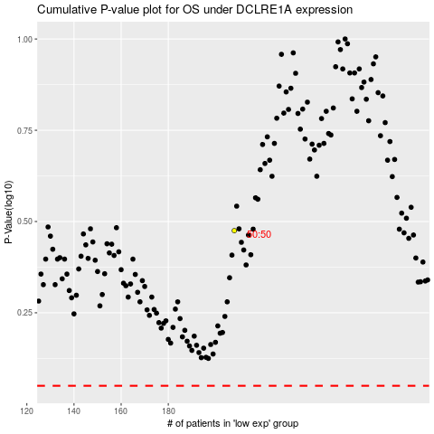

 |  |  |  |  |  | cases_OS | p_OS | rank | exp
 |  |  |  |  |  |  | cases_RFS | p_RFS | rank | exp

