DCLRE1B _multivariate
Reported by Tex Li-Hsing Chi. tex@gate.sinica.edu.tw 2019-08-20

Table 2. The clinicopathological features of HNSCC cohort and DCLRE1B expression. (Chi square test)
Cutoff at -0.102 (49.8%)
 |  | DCLRE1B expression |  | DCLRE1B expression |  | (Optimised)
 | Features | Low | (%) | High | (%) | Case no | P-value | Remark | Matthews
Gender | Female | 153 | 36.9 | 153 | 36.9 | 415 | 1 | 0 | 0
2 | Male | 54 | 13 | 55 | 13.3
Age at diagnosis | <=65y | 136 | 32.8 | 138 | 33.3 | 415 | 0.9719 | 0 | 0
4 | >65y | 71 | 17.1 | 70 | 16.9
Clinical T Status | T1+T2 | 65 | 15.7 | 84 | 20.2 | 415 | 0.0711 | 0 | 0
6 | T3+T4 | 142 | 34.2 | 124 | 29.9
Clinical N Status | N0 | 116 | 28 | 100 | 24.1 | 415 | 0.1273 | 1 | 0
8 | N1-3 | 91 | 21.9 | 108 | 26
Clinical M Status | M0 | 205 | 49.4 | 207 | 49.9 | 415 | 0.6232 | 0 | 0
10 | M1 | 2 | 0.5 | 1 | 0.2
Clinical Stage | Stage I+II | 44 | 10.6 | 58 | 14 | 415 | 0.1459 | 0 | 0
12 | Stage III+IV | 163 | 39.3 | 150 | 36.1
Surgical Margin status | Negative | 161 | 38.8 | 157 | 37.8 | 415 | 0.6429 | 0 | 0
14 | Positive | 46 | 11.1 | 51 | 12.3
Tobacco Exposure | Low | 76 | 18.3 | 85 | 20.5 | 415 | 0.4207 | 0 | 0
16 | High | 131 | 31.6 | 123 | 29.6

Table 3. Univariate/Multivariate Cox's proportional hazards regression analyses on OS time of DCLRE1B gene expression in HNSCC

 |  | Univariate |  |  |  | Multivariate
 | Features | HR | CI95%(L) | CI95%(H) | P-value | HR | CI95%(L) | CI95%(H) | P-value
1 | Female | 1 |  |  |  | 1
Gender | Male | 1.157 | 0.843 | 1.587 | 0.367 | 1.195 | 0.854 | 1.672 | 0.298
11 | <=65y | 1 |  |  |  | 1
Age at diagnosis | >65y | 1.329 | 0.99 | 1.784 | 0.058 | 1.391 | 1.024 | 1.891 | 0.035
12 | T1+T2 | 1 |  |  |  | 1
Clinical T Status | T3+T4 | 1.409 | 1.028 | 1.931 | 0.033 | 2.196 | 1.161 | 4.153 | 0.016
13 | N0 | 1 |  |  |  | 1
Clinical N Status | N1-3 | 1.185 | 0.89 | 1.577 | 0.246 | 1.25 | 0.874 | 1.787 | 0.222
14 | M0 | 1 |  |  |  | 1
Clinical M Status | M1 | 4.097 | 1.009 | 16.644 | 0.049 | 9.292 | 2.024 | 42.668 | 0.004
15 | Stage I+II | 1 |  |  |  | 1
Clinical Stage | Stage III+IV | 1.245 | 0.882 | 1.759 | 0.213 | 0.501 | 0.233 | 1.077 | 0.077
16 | Negative | 1 |  |  |  | 1
Surgical Margin status | Positive | 1.591 | 1.155 | 2.191 | 0.004 | 1.673 | 1.211 | 2.311 | 0.002
17 | Low | 1 |  |  |  | 1
Tobacco Exposure | High | 1.364 | 1.008 | 1.844 | 0.044 | 1.446 | 1.048 | 1.995 | 0.025
18 | Low | 1 |  |  |  | 1
RNAseq(z-score) | High | 0.912 | 0.685 | 1.214 | 0.529 | 0.953 | 0.712 | 1.276 | 0.747

Table 4. Univariate/Multivariate Cox's proportional hazards regression analyses on RFS time of DCLRE1B gene expression in HNSCC

 |  | Univariate |  |  |  | Multivariate
 | Features | HR | CI95%(L) | CI95%(H) | P-value | HR | CI95%(L) | CI95%(H) | P-value
1 | Female | 1 |  |  |  | 1
Gender | Male | 1.157 | 0.843 | 1.587 | 0.367 | 1.195 | 0.854 | 1.672 | 0.298
11 | <=65y | 1 |  |  |  | 1
Age at diagnosis | >65y | 1.329 | 0.99 | 1.784 | 0.058 | 1.391 | 1.024 | 1.891 | 0.035
12 | T1+T2 | 1 |  |  |  | 1
Clinical T Status | T3+T4 | 1.409 | 1.028 | 1.931 | 0.033 | 2.196 | 1.161 | 4.153 | 0.016
13 | N0 | 1 |  |  |  | 1
Clinical N Status | N1-3 | 1.185 | 0.89 | 1.577 | 0.246 | 1.25 | 0.874 | 1.787 | 0.222
14 | M0 | 1 |  |  |  | 1
Clinical M Status | M1 | 4.097 | 1.009 | 16.644 | 0.049 | 9.292 | 2.024 | 42.668 | 0.004
15 | Stage I+II | 1 |  |  |  | 1
Clinical Stage | Stage III+IV | 1.245 | 0.882 | 1.759 | 0.213 | 0.501 | 0.233 | 1.077 | 0.077
16 | Negative | 1 |  |  |  | 1
Surgical Margin status | Positive | 1.591 | 1.155 | 2.191 | 0.004 | 1.673 | 1.211 | 2.311 | 0.002
17 | Low | 1 |  |  |  | 1
Tobacco Exposure | High | 1.364 | 1.008 | 1.844 | 0.044 | 1.446 | 1.048 | 1.995 | 0.025
18 | Low | 1 |  |  |  | 1
RNAseq(z-score) | High | 0.912 | 0.685 | 1.214 | 0.529 | 0.953 | 0.712 | 1.276 | 0.747

Kaplan-Meier survival estimate: Cutoff at -0.102 (49.8%)



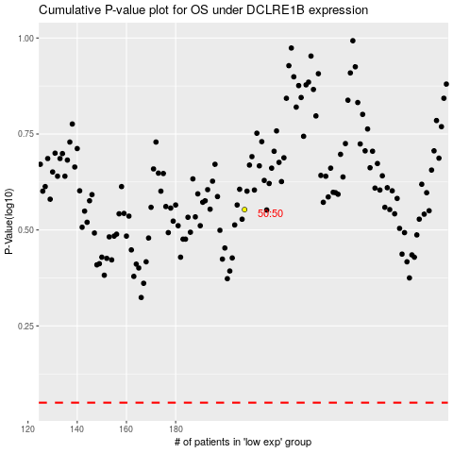

 |  |  |  |  |  | cases_OS | p_OS | rank | exp
 |  |  |  |  |  |  | cases_RFS | p_RFS | rank | exp

