DCP2 _multivariate
Reported by Tex Li-Hsing Chi. tex@gate.sinica.edu.tw 2019-08-20

Table 2. The clinicopathological features of HNSCC cohort and DCP2 expression. (Chi square test)
Cutoff at -0.164 (49.8%)
 |  | DCP2 expression |  | DCP2 expression |  | (Optimised)
 | Features | Low | (%) | High | (%) | Case no | P-value | Remark | Matthews
Gender | Female | 153 | 36.9 | 153 | 36.9 | 415 | 1 | 0 | 0
2 | Male | 54 | 13 | 55 | 13.3
Age at diagnosis | <=65y | 143 | 34.5 | 131 | 31.6 | 415 | 0.2269 | 0 | 0
4 | >65y | 64 | 15.4 | 77 | 18.6
Clinical T Status | T1+T2 | 58 | 14 | 91 | 21.9 | 415 | 0.0012 | 1 | 0
6 | T3+T4 | 149 | 35.9 | 117 | 28.2
Clinical N Status | N0 | 111 | 26.7 | 105 | 25.3 | 415 | 0.5875 | 0 | 0
8 | N1-3 | 96 | 23.1 | 103 | 24.8
Clinical M Status | M0 | 205 | 49.4 | 207 | 49.9 | 415 | 0.6232 | 0 | 0
10 | M1 | 2 | 0.5 | 1 | 0.2
Clinical Stage | Stage I+II | 46 | 11.1 | 56 | 13.5 | 415 | 0.3182 | 0 | 0
12 | Stage III+IV | 161 | 38.8 | 152 | 36.6
Surgical Margin status | Negative | 164 | 39.5 | 154 | 37.1 | 415 | 0.2462 | 0 | 0
14 | Positive | 43 | 10.4 | 54 | 13
Tobacco Exposure | Low | 72 | 17.3 | 89 | 21.4 | 415 | 0.1071 | 0 | 0
16 | High | 135 | 32.5 | 119 | 28.7

Table 3. Univariate/Multivariate Cox's proportional hazards regression analyses on OS time of DCP2 gene expression in HNSCC

 |  | Univariate |  |  |  | Multivariate
 | Features | HR | CI95%(L) | CI95%(H) | P-value | HR | CI95%(L) | CI95%(H) | P-value
1 | Female | 1 |  |  |  | 1
Gender | Male | 1.157 | 0.843 | 1.587 | 0.367 | 1.197 | 0.855 | 1.675 | 0.295
11 | <=65y | 1 |  |  |  | 1
Age at diagnosis | >65y | 1.329 | 0.99 | 1.784 | 0.058 | 1.395 | 1.025 | 1.898 | 0.034
12 | T1+T2 | 1 |  |  |  | 1
Clinical T Status | T3+T4 | 1.409 | 1.028 | 1.931 | 0.033 | 2.178 | 1.142 | 4.154 | 0.018
13 | N0 | 1 |  |  |  | 1
Clinical N Status | N1-3 | 1.185 | 0.89 | 1.577 | 0.246 | 1.242 | 0.871 | 1.773 | 0.232
14 | M0 | 1 |  |  |  | 1
Clinical M Status | M1 | 4.097 | 1.009 | 16.644 | 0.049 | 9.224 | 1.99 | 42.754 | 0.005
15 | Stage I+II | 1 |  |  |  | 1
Clinical Stage | Stage III+IV | 1.245 | 0.882 | 1.759 | 0.213 | 0.507 | 0.236 | 1.09 | 0.082
16 | Negative | 1 |  |  |  | 1
Surgical Margin status | Positive | 1.591 | 1.155 | 2.191 | 0.004 | 1.673 | 1.211 | 2.311 | 0.002
17 | Low | 1 |  |  |  | 1
Tobacco Exposure | High | 1.364 | 1.008 | 1.844 | 0.044 | 1.448 | 1.049 | 1.998 | 0.024
18 | Low | 1 |  |  |  | 1
RNAseq(z-score) | High | 0.873 | 0.655 | 1.165 | 0.357 | 0.969 | 0.717 | 1.308 | 0.835

Table 4. Univariate/Multivariate Cox's proportional hazards regression analyses on RFS time of DCP2 gene expression in HNSCC

 |  | Univariate |  |  |  | Multivariate
 | Features | HR | CI95%(L) | CI95%(H) | P-value | HR | CI95%(L) | CI95%(H) | P-value
1 | Female | 1 |  |  |  | 1
Gender | Male | 1.157 | 0.843 | 1.587 | 0.367 | 1.197 | 0.855 | 1.675 | 0.295
11 | <=65y | 1 |  |  |  | 1
Age at diagnosis | >65y | 1.329 | 0.99 | 1.784 | 0.058 | 1.395 | 1.025 | 1.898 | 0.034
12 | T1+T2 | 1 |  |  |  | 1
Clinical T Status | T3+T4 | 1.409 | 1.028 | 1.931 | 0.033 | 2.178 | 1.142 | 4.154 | 0.018
13 | N0 | 1 |  |  |  | 1
Clinical N Status | N1-3 | 1.185 | 0.89 | 1.577 | 0.246 | 1.242 | 0.871 | 1.773 | 0.232
14 | M0 | 1 |  |  |  | 1
Clinical M Status | M1 | 4.097 | 1.009 | 16.644 | 0.049 | 9.224 | 1.99 | 42.754 | 0.005
15 | Stage I+II | 1 |  |  |  | 1
Clinical Stage | Stage III+IV | 1.245 | 0.882 | 1.759 | 0.213 | 0.507 | 0.236 | 1.09 | 0.082
16 | Negative | 1 |  |  |  | 1
Surgical Margin status | Positive | 1.591 | 1.155 | 2.191 | 0.004 | 1.673 | 1.211 | 2.311 | 0.002
17 | Low | 1 |  |  |  | 1
Tobacco Exposure | High | 1.364 | 1.008 | 1.844 | 0.044 | 1.448 | 1.049 | 1.998 | 0.024
18 | Low | 1 |  |  |  | 1
RNAseq(z-score) | High | 0.873 | 0.655 | 1.165 | 0.357 | 0.969 | 0.717 | 1.308 | 0.835

Kaplan-Meier survival estimate: Cutoff at -0.164 (49.8%)



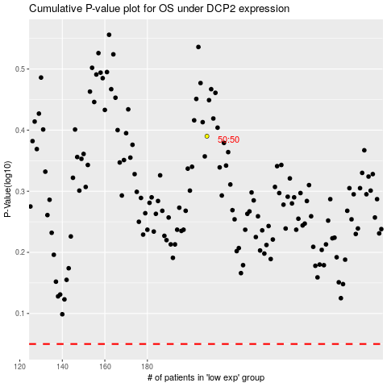

 |  |  |  |  |  | cases_OS | p_OS | rank | exp
 |  |  |  |  |  |  | cases_RFS | p_RFS | rank | exp

