DCTN3 _multivariate
Reported by Tex Li-Hsing Chi. tex@gate.sinica.edu.tw 2019-08-20

Table 2. The clinicopathological features of HNSCC cohort and DCTN3 expression. (Chi square test)
Cutoff at -0.297 (50.0%)
 |  | DCTN3 expression |  | DCTN3 expression |  | (Optimised)
 | Features | Low | (%) | High | (%) | Case no | P-value | Remark | Matthews
Gender | Female | 157 | 37.8 | 149 | 35.9 | 415 | 0.3881 | 0 | 0
2 | Male | 50 | 12 | 59 | 14.2
Age at diagnosis | <=65y | 142 | 34.2 | 132 | 31.8 | 415 | 0.3167 | 0 | 0
4 | >65y | 65 | 15.7 | 76 | 18.3
Clinical T Status | T1+T2 | 62 | 14.9 | 87 | 21 | 415 | 0.0156 | 1 | 0
6 | T3+T4 | 145 | 34.9 | 121 | 29.2
Clinical N Status | N0 | 110 | 26.5 | 106 | 25.5 | 415 | 0.7294 | 0 | 0
8 | N1-3 | 97 | 23.4 | 102 | 24.6
Clinical M Status | M0 | 207 | 49.9 | 205 | 49.4 | 415 | 0.2482 | 0 | 0
10 | M1 | 0 | 0 | 3 | 0.7
Clinical Stage | Stage I+II | 42 | 10.1 | 60 | 14.5 | 415 | 0.0561 | 0 | 0
12 | Stage III+IV | 165 | 39.8 | 148 | 35.7
Surgical Margin status | Negative | 161 | 38.8 | 157 | 37.8 | 415 | 0.6429 | 0 | 0
14 | Positive | 46 | 11.1 | 51 | 12.3
Tobacco Exposure | Low | 73 | 17.6 | 88 | 21.2 | 415 | 0.1587 | 0 | 0
16 | High | 134 | 32.3 | 120 | 28.9

Table 3. Univariate/Multivariate Cox's proportional hazards regression analyses on OS time of DCTN3 gene expression in HNSCC

 |  | Univariate |  |  |  | Multivariate
 | Features | HR | CI95%(L) | CI95%(H) | P-value | HR | CI95%(L) | CI95%(H) | P-value
1 | Female | 1 |  |  |  | 1
Gender | Male | 1.157 | 0.843 | 1.587 | 0.367 | 1.207 | 0.864 | 1.686 | 0.271
11 | <=65y | 1 |  |  |  | 1
Age at diagnosis | >65y | 1.329 | 0.99 | 1.784 | 0.058 | 1.403 | 1.031 | 1.91 | 0.031
12 | T1+T2 | 1 |  |  |  | 1
Clinical T Status | T3+T4 | 1.409 | 1.028 | 1.931 | 0.033 | 2.2 | 1.163 | 4.16 | 0.015
13 | N0 | 1 |  |  |  | 1
Clinical N Status | N1-3 | 1.185 | 0.89 | 1.577 | 0.246 | 1.259 | 0.879 | 1.804 | 0.209
14 | M0 | 1 |  |  |  | 1
Clinical M Status | M1 | 4.097 | 1.009 | 16.644 | 0.049 | 9.789 | 2.12 | 45.203 | 0.003
15 | Stage I+II | 1 |  |  |  | 1
Clinical Stage | Stage III+IV | 1.245 | 0.882 | 1.759 | 0.213 | 0.497 | 0.231 | 1.068 | 0.073
16 | Negative | 1 |  |  |  | 1
Surgical Margin status | Positive | 1.591 | 1.155 | 2.191 | 0.004 | 1.682 | 1.216 | 2.327 | 0.002
17 | Low | 1 |  |  |  | 1
Tobacco Exposure | High | 1.364 | 1.008 | 1.844 | 0.044 | 1.45 | 1.053 | 1.997 | 0.023
18 | Low | 1 |  |  |  | 1
RNAseq(z-score) | High | 1.002 | 0.752 | 1.335 | 0.988 | 0.923 | 0.685 | 1.242 | 0.596

Table 4. Univariate/Multivariate Cox's proportional hazards regression analyses on RFS time of DCTN3 gene expression in HNSCC

 |  | Univariate |  |  |  | Multivariate
 | Features | HR | CI95%(L) | CI95%(H) | P-value | HR | CI95%(L) | CI95%(H) | P-value
1 | Female | 1 |  |  |  | 1
Gender | Male | 1.157 | 0.843 | 1.587 | 0.367 | 1.207 | 0.864 | 1.686 | 0.271
11 | <=65y | 1 |  |  |  | 1
Age at diagnosis | >65y | 1.329 | 0.99 | 1.784 | 0.058 | 1.403 | 1.031 | 1.91 | 0.031
12 | T1+T2 | 1 |  |  |  | 1
Clinical T Status | T3+T4 | 1.409 | 1.028 | 1.931 | 0.033 | 2.2 | 1.163 | 4.16 | 0.015
13 | N0 | 1 |  |  |  | 1
Clinical N Status | N1-3 | 1.185 | 0.89 | 1.577 | 0.246 | 1.259 | 0.879 | 1.804 | 0.209
14 | M0 | 1 |  |  |  | 1
Clinical M Status | M1 | 4.097 | 1.009 | 16.644 | 0.049 | 9.789 | 2.12 | 45.203 | 0.003
15 | Stage I+II | 1 |  |  |  | 1
Clinical Stage | Stage III+IV | 1.245 | 0.882 | 1.759 | 0.213 | 0.497 | 0.231 | 1.068 | 0.073
16 | Negative | 1 |  |  |  | 1
Surgical Margin status | Positive | 1.591 | 1.155 | 2.191 | 0.004 | 1.682 | 1.216 | 2.327 | 0.002
17 | Low | 1 |  |  |  | 1
Tobacco Exposure | High | 1.364 | 1.008 | 1.844 | 0.044 | 1.45 | 1.053 | 1.997 | 0.023
18 | Low | 1 |  |  |  | 1
RNAseq(z-score) | High | 1.002 | 0.752 | 1.335 | 0.988 | 0.923 | 0.685 | 1.242 | 0.596

Kaplan-Meier survival estimate: Cutoff at -0.297 (50.0%)



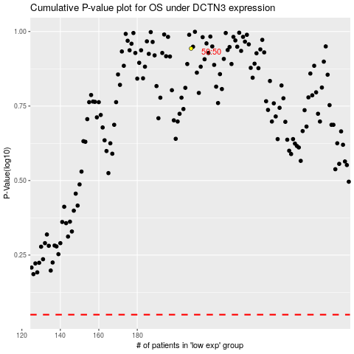

 |  |  |  |  |  | cases_OS | p_OS | rank | exp
 |  |  |  |  |  |  | cases_RFS | p_RFS | rank | exp

