DCTN6 _multivariate
Reported by Tex Li-Hsing Chi. tex@gate.sinica.edu.tw 2019-08-20

Table 2. The clinicopathological features of HNSCC cohort and DCTN6 expression. (Chi square test)
Cutoff at -0.591 (31.2%)
 |  | DCTN6 expression |  | DCTN6 expression |  | (Optimised)
 | Features | Low | (%) | High | (%) | Case no | P-value | Remark | Matthews
Gender | Female | 98 | 23.6 | 208 | 50.1 | 415 | 0.5659 | 0 | 0
2 | Male | 31 | 7.5 | 78 | 18.8
Age at diagnosis | <=65y | 87 | 21 | 187 | 45.1 | 415 | 0.766 | 0 | 0
4 | >65y | 42 | 10.1 | 99 | 23.9
Clinical T Status | T1+T2 | 46 | 11.1 | 103 | 24.8 | 415 | 1 | 0 | 0
6 | T3+T4 | 83 | 20 | 183 | 44.1
Clinical N Status | N0 | 64 | 15.4 | 152 | 36.6 | 415 | 0.5749 | 0 | 0
8 | N1-3 | 65 | 15.7 | 134 | 32.3
Clinical M Status | M0 | 128 | 30.8 | 284 | 68.4 | 415 | 1 | 0 | 0
10 | M1 | 1 | 0.2 | 2 | 0.5
Clinical Stage | Stage I+II | 30 | 7.2 | 72 | 17.3 | 415 | 0.7664 | 0 | 0
12 | Stage III+IV | 99 | 23.9 | 214 | 51.6
Surgical Margin status | Negative | 100 | 24.1 | 218 | 52.5 | 415 | 0.8034 | 0 | 0
14 | Positive | 29 | 7 | 68 | 16.4
Tobacco Exposure | Low | 53 | 12.8 | 108 | 26 | 415 | 0.5864 | 0 | 0
16 | High | 76 | 18.3 | 178 | 42.9

Table 3. Univariate/Multivariate Cox's proportional hazards regression analyses on OS time of DCTN6 gene expression in HNSCC

 |  | Univariate |  |  |  | Multivariate
 | Features | HR | CI95%(L) | CI95%(H) | P-value | HR | CI95%(L) | CI95%(H) | P-value
1 | Female | 1 |  |  |  | 1
Gender | Male | 1.157 | 0.843 | 1.587 | 0.367 | 1.224 | 0.875 | 1.712 | 0.238
11 | <=65y | 1 |  |  |  | 1
Age at diagnosis | >65y | 1.329 | 0.99 | 1.784 | 0.058 | 1.405 | 1.033 | 1.911 | 0.03
12 | T1+T2 | 1 |  |  |  | 1
Clinical T Status | T3+T4 | 1.409 | 1.028 | 1.931 | 0.033 | 2.138 | 1.131 | 4.044 | 0.019
13 | N0 | 1 |  |  |  | 1
Clinical N Status | N1-3 | 1.185 | 0.89 | 1.577 | 0.246 | 1.214 | 0.85 | 1.734 | 0.286
14 | M0 | 1 |  |  |  | 1
Clinical M Status | M1 | 4.097 | 1.009 | 16.644 | 0.049 | 8.882 | 1.936 | 40.753 | 0.005
15 | Stage I+II | 1 |  |  |  | 1
Clinical Stage | Stage III+IV | 1.245 | 0.882 | 1.759 | 0.213 | 0.534 | 0.249 | 1.148 | 0.108
16 | Negative | 1 |  |  |  | 1
Surgical Margin status | Positive | 1.591 | 1.155 | 2.191 | 0.004 | 1.679 | 1.215 | 2.32 | 0.002
17 | Low | 1 |  |  |  | 1
Tobacco Exposure | High | 1.364 | 1.008 | 1.844 | 0.044 | 1.461 | 1.06 | 2.014 | 0.021
18 | Low | 1 |  |  |  | 1
RNAseq(z-score) | High | 0.712 | 0.529 | 0.96 | 0.026 | 0.706 | 0.523 | 0.952 | 0.023

Table 4. Univariate/Multivariate Cox's proportional hazards regression analyses on RFS time of DCTN6 gene expression in HNSCC

 |  | Univariate |  |  |  | Multivariate
 | Features | HR | CI95%(L) | CI95%(H) | P-value | HR | CI95%(L) | CI95%(H) | P-value
1 | Female | 1 |  |  |  | 1
Gender | Male | 1.157 | 0.843 | 1.587 | 0.367 | 1.224 | 0.875 | 1.712 | 0.238
11 | <=65y | 1 |  |  |  | 1
Age at diagnosis | >65y | 1.329 | 0.99 | 1.784 | 0.058 | 1.405 | 1.033 | 1.911 | 0.03
12 | T1+T2 | 1 |  |  |  | 1
Clinical T Status | T3+T4 | 1.409 | 1.028 | 1.931 | 0.033 | 2.138 | 1.131 | 4.044 | 0.019
13 | N0 | 1 |  |  |  | 1
Clinical N Status | N1-3 | 1.185 | 0.89 | 1.577 | 0.246 | 1.214 | 0.85 | 1.734 | 0.286
14 | M0 | 1 |  |  |  | 1
Clinical M Status | M1 | 4.097 | 1.009 | 16.644 | 0.049 | 8.882 | 1.936 | 40.753 | 0.005
15 | Stage I+II | 1 |  |  |  | 1
Clinical Stage | Stage III+IV | 1.245 | 0.882 | 1.759 | 0.213 | 0.534 | 0.249 | 1.148 | 0.108
16 | Negative | 1 |  |  |  | 1
Surgical Margin status | Positive | 1.591 | 1.155 | 2.191 | 0.004 | 1.679 | 1.215 | 2.32 | 0.002
17 | Low | 1 |  |  |  | 1
Tobacco Exposure | High | 1.364 | 1.008 | 1.844 | 0.044 | 1.461 | 1.06 | 2.014 | 0.021
18 | Low | 1 |  |  |  | 1
RNAseq(z-score) | High | 0.712 | 0.529 | 0.96 | 0.026 | 0.706 | 0.523 | 0.952 | 0.023

Kaplan-Meier survival estimate: Cutoff at -0.591 (31.2%)

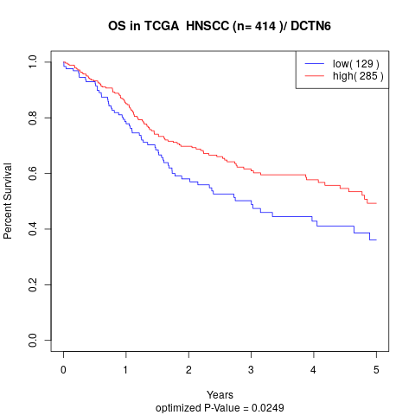

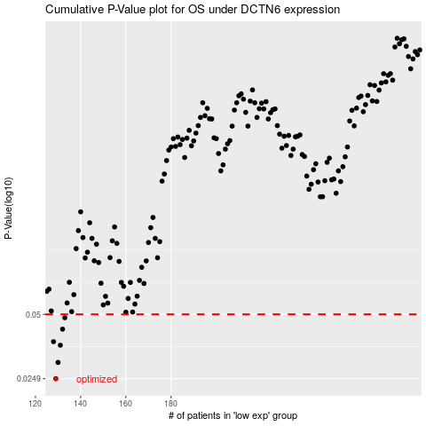

 |  |  |  |  |  | cases_OS | p_OS | rank | exp
 |  |  |  |  |  | 129 | 0.0249 | 336 | -0.5914836243
 |  |  |  |  |  | 130 | 0.0297 | 37 | -0.58923538639
 |  |  |  |  |  | 131 | 0.0358 | 156 | -0.58649560171
 |  |  |  |  |  | 128 | 0.0372 | 250 | -0.59381931237
 |  |  |  |  |  | 132 | 0.0426 | 388 | -0.58596801777
 |  |  |  |  |  | 133 | 0.0482 | 100 | -0.58521123754
 |  |  |  |  |  |  | cases_RFS | p_RFS | rank | exp
 |  |  |  |  |  |  | 128 | 0.0249 | 250 | -0.59381931237
 |  |  |  |  |  |  | 129 | 0.0297 | 336 | -0.5914836243
 |  |  |  |  |  |  | 130 | 0.0358 | 37 | -0.58923538639
 |  |  |  |  |  |  | 127 | 0.0372 | 159 | -0.59750855593
 |  |  |  |  |  |  | 131 | 0.0426 | 156 | -0.58649560171
 |  |  |  |  |  |  | 132 | 0.0482 | 388 | -0.58596801777

