DCTPP1 _multivariate
Reported by Tex Li-Hsing Chi. tex@gate.sinica.edu.tw 2019-08-20

Table 2. The clinicopathological features of HNSCC cohort and DCTPP1 expression. (Chi square test)
Cutoff at -0.508 (30.0%)
 |  | DCTPP1 expression |  | DCTPP1 expression |  | (Optimised)
 | Features | Low | (%) | High | (%) | Case no | P-value | Remark | Matthews
Gender | Female | 79 | 19 | 227 | 54.7 | 415 | 0.0021 | 1 | 0
2 | Male | 46 | 11.1 | 63 | 15.2
Age at diagnosis | <=65y | 74 | 17.8 | 200 | 48.2 | 415 | 0.0697 | 0 | 0
4 | >65y | 51 | 12.3 | 90 | 21.7
Clinical T Status | T1+T2 | 48 | 11.6 | 101 | 24.3 | 415 | 0.5589 | 0 | 0
6 | T3+T4 | 77 | 18.6 | 189 | 45.5
Clinical N Status | N0 | 71 | 17.1 | 145 | 34.9 | 415 | 0.244 | 0 | 0
8 | N1-3 | 54 | 13 | 145 | 34.9
Clinical M Status | M0 | 125 | 30.1 | 287 | 69.2 | 415 | 0.5571 | 0 | 0
10 | M1 | 0 | 0 | 3 | 0.7
Clinical Stage | Stage I+II | 35 | 8.4 | 67 | 16.1 | 415 | 0.3479 | 0 | 0
12 | Stage III+IV | 90 | 21.7 | 223 | 53.7
Surgical Margin status | Negative | 98 | 23.6 | 220 | 53 | 415 | 0.6148 | 0 | 0
14 | Positive | 27 | 6.5 | 70 | 16.9
Tobacco Exposure | Low | 65 | 15.7 | 96 | 23.1 | 415 | 4e-04 | 1 | 0
16 | High | 60 | 14.5 | 194 | 46.7

Table 3. Univariate/Multivariate Cox's proportional hazards regression analyses on OS time of DCTPP1 gene expression in HNSCC

 |  | Univariate |  |  |  | Multivariate
 | Features | HR | CI95%(L) | CI95%(H) | P-value | HR | CI95%(L) | CI95%(H) | P-value
1 | Female | 1 |  |  |  | 1
Gender | Male | 1.157 | 0.843 | 1.587 | 0.367 | 1.233 | 0.88 | 1.727 | 0.223
11 | <=65y | 1 |  |  |  | 1
Age at diagnosis | >65y | 1.329 | 0.99 | 1.784 | 0.058 | 1.42 | 1.044 | 1.93 | 0.025
12 | T1+T2 | 1 |  |  |  | 1
Clinical T Status | T3+T4 | 1.409 | 1.028 | 1.931 | 0.033 | 2.197 | 1.163 | 4.153 | 0.015
13 | N0 | 1 |  |  |  | 1
Clinical N Status | N1-3 | 1.185 | 0.89 | 1.577 | 0.246 | 1.224 | 0.858 | 1.747 | 0.265
14 | M0 | 1 |  |  |  | 1
Clinical M Status | M1 | 4.097 | 1.009 | 16.644 | 0.049 | 8.801 | 1.917 | 40.409 | 0.005
15 | Stage I+II | 1 |  |  |  | 1
Clinical Stage | Stage III+IV | 1.245 | 0.882 | 1.759 | 0.213 | 0.501 | 0.233 | 1.077 | 0.077
16 | Negative | 1 |  |  |  | 1
Surgical Margin status | Positive | 1.591 | 1.155 | 2.191 | 0.004 | 1.65 | 1.194 | 2.28 | 0.002
17 | Low | 1 |  |  |  | 1
Tobacco Exposure | High | 1.364 | 1.008 | 1.844 | 0.044 | 1.412 | 1.023 | 1.949 | 0.036
18 | Low | 1 |  |  |  | 1
RNAseq(z-score) | High | 1.397 | 1.006 | 1.94 | 0.046 | 1.342 | 0.959 | 1.879 | 0.086

Table 4. Univariate/Multivariate Cox's proportional hazards regression analyses on RFS time of DCTPP1 gene expression in HNSCC

 |  | Univariate |  |  |  | Multivariate
 | Features | HR | CI95%(L) | CI95%(H) | P-value | HR | CI95%(L) | CI95%(H) | P-value
1 | Female | 1 |  |  |  | 1
Gender | Male | 1.157 | 0.843 | 1.587 | 0.367 | 1.233 | 0.88 | 1.727 | 0.223
11 | <=65y | 1 |  |  |  | 1
Age at diagnosis | >65y | 1.329 | 0.99 | 1.784 | 0.058 | 1.42 | 1.044 | 1.93 | 0.025
12 | T1+T2 | 1 |  |  |  | 1
Clinical T Status | T3+T4 | 1.409 | 1.028 | 1.931 | 0.033 | 2.197 | 1.163 | 4.153 | 0.015
13 | N0 | 1 |  |  |  | 1
Clinical N Status | N1-3 | 1.185 | 0.89 | 1.577 | 0.246 | 1.224 | 0.858 | 1.747 | 0.265
14 | M0 | 1 |  |  |  | 1
Clinical M Status | M1 | 4.097 | 1.009 | 16.644 | 0.049 | 8.801 | 1.917 | 40.409 | 0.005
15 | Stage I+II | 1 |  |  |  | 1
Clinical Stage | Stage III+IV | 1.245 | 0.882 | 1.759 | 0.213 | 0.501 | 0.233 | 1.077 | 0.077
16 | Negative | 1 |  |  |  | 1
Surgical Margin status | Positive | 1.591 | 1.155 | 2.191 | 0.004 | 1.65 | 1.194 | 2.28 | 0.002
17 | Low | 1 |  |  |  | 1
Tobacco Exposure | High | 1.364 | 1.008 | 1.844 | 0.044 | 1.412 | 1.023 | 1.949 | 0.036
18 | Low | 1 |  |  |  | 1
RNAseq(z-score) | High | 1.397 | 1.006 | 1.94 | 0.046 | 1.342 | 0.959 | 1.879 | 0.086

Kaplan-Meier survival estimate: Cutoff at -0.508 (30.0%)



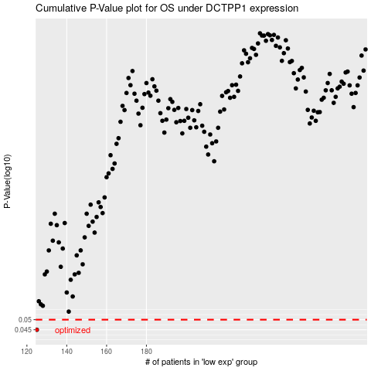

 |  |  |  |  |  | cases_OS | p_OS | rank | exp
 |  |  |  |  |  | 125 | 0.045 | 67 | -0.50780707397
 |  |  |  |  |  |  | cases_RFS | p_RFS | rank | exp
 |  |  |  |  |  |  |  | 0.045 | 33 | -0.50942159501

