DCUN1D2 _multivariate
Reported by Tex Li-Hsing Chi. tex@gate.sinica.edu.tw 2019-08-20

Table 2. The clinicopathological features of HNSCC cohort and DCUN1D2 expression. (Chi square test)
Cutoff at -0.194 (50.0%)
 |  | DCUN1D2 expression |  | DCUN1D2 expression |  | (Optimised)
 | Features | Low | (%) | High | (%) | Case no | P-value | Remark | Matthews
Gender | Female | 142 | 34.2 | 164 | 39.5 | 415 | 0.0238 | 1 | 0
2 | Male | 65 | 15.7 | 44 | 10.6
Age at diagnosis | <=65y | 132 | 31.8 | 142 | 34.2 | 415 | 0.3874 | 0 | 0
4 | >65y | 75 | 18.1 | 66 | 15.9
Clinical T Status | T1+T2 | 82 | 19.8 | 67 | 16.1 | 415 | 0.1417 | 0 | 0
6 | T3+T4 | 125 | 30.1 | 141 | 34
Clinical N Status | N0 | 115 | 27.7 | 101 | 24.3 | 415 | 0.184 | 1 | 0
8 | N1-3 | 92 | 22.2 | 107 | 25.8
Clinical M Status | M0 | 205 | 49.4 | 207 | 49.9 | 415 | 0.6232 | 0 | 0
10 | M1 | 2 | 0.5 | 1 | 0.2
Clinical Stage | Stage I+II | 60 | 14.5 | 42 | 10.1 | 415 | 0.0493 | 1 | 0
12 | Stage III+IV | 147 | 35.4 | 166 | 40
Surgical Margin status | Negative | 165 | 39.8 | 153 | 36.9 | 415 | 0.1639 | 0 | 0
14 | Positive | 42 | 10.1 | 55 | 13.3
Tobacco Exposure | Low | 87 | 21 | 74 | 17.8 | 415 | 0.1911 | 0 | 0
16 | High | 120 | 28.9 | 134 | 32.3

Table 3. Univariate/Multivariate Cox's proportional hazards regression analyses on OS time of DCUN1D2 gene expression in HNSCC

 |  | Univariate |  |  |  | Multivariate
 | Features | HR | CI95%(L) | CI95%(H) | P-value | HR | CI95%(L) | CI95%(H) | P-value
1 | Female | 1 |  |  |  | 1
Gender | Male | 1.157 | 0.843 | 1.587 | 0.367 | 1.23 | 0.874 | 1.731 | 0.235
11 | <=65y | 1 |  |  |  | 1
Age at diagnosis | >65y | 1.329 | 0.99 | 1.784 | 0.058 | 1.401 | 1.03 | 1.906 | 0.032
12 | T1+T2 | 1 |  |  |  | 1
Clinical T Status | T3+T4 | 1.409 | 1.028 | 1.931 | 0.033 | 2.194 | 1.16 | 4.148 | 0.016
13 | N0 | 1 |  |  |  | 1
Clinical N Status | N1-3 | 1.185 | 0.89 | 1.577 | 0.246 | 1.236 | 0.866 | 1.764 | 0.244
14 | M0 | 1 |  |  |  | 1
Clinical M Status | M1 | 4.097 | 1.009 | 16.644 | 0.049 | 9.788 | 2.126 | 45.078 | 0.003
15 | Stage I+II | 1 |  |  |  | 1
Clinical Stage | Stage III+IV | 1.245 | 0.882 | 1.759 | 0.213 | 0.499 | 0.232 | 1.072 | 0.075
16 | Negative | 1 |  |  |  | 1
Surgical Margin status | Positive | 1.591 | 1.155 | 2.191 | 0.004 | 1.655 | 1.196 | 2.29 | 0.002
17 | Low | 1 |  |  |  | 1
Tobacco Exposure | High | 1.364 | 1.008 | 1.844 | 0.044 | 1.454 | 1.055 | 2.005 | 0.022
18 | Low | 1 |  |  |  | 1
RNAseq(z-score) | High | 1.099 | 0.824 | 1.466 | 0.519 | 1.108 | 0.819 | 1.499 | 0.505

Table 4. Univariate/Multivariate Cox's proportional hazards regression analyses on RFS time of DCUN1D2 gene expression in HNSCC

 |  | Univariate |  |  |  | Multivariate
 | Features | HR | CI95%(L) | CI95%(H) | P-value | HR | CI95%(L) | CI95%(H) | P-value
1 | Female | 1 |  |  |  | 1
Gender | Male | 1.157 | 0.843 | 1.587 | 0.367 | 1.23 | 0.874 | 1.731 | 0.235
11 | <=65y | 1 |  |  |  | 1
Age at diagnosis | >65y | 1.329 | 0.99 | 1.784 | 0.058 | 1.401 | 1.03 | 1.906 | 0.032
12 | T1+T2 | 1 |  |  |  | 1
Clinical T Status | T3+T4 | 1.409 | 1.028 | 1.931 | 0.033 | 2.194 | 1.16 | 4.148 | 0.016
13 | N0 | 1 |  |  |  | 1
Clinical N Status | N1-3 | 1.185 | 0.89 | 1.577 | 0.246 | 1.236 | 0.866 | 1.764 | 0.244
14 | M0 | 1 |  |  |  | 1
Clinical M Status | M1 | 4.097 | 1.009 | 16.644 | 0.049 | 9.788 | 2.126 | 45.078 | 0.003
15 | Stage I+II | 1 |  |  |  | 1
Clinical Stage | Stage III+IV | 1.245 | 0.882 | 1.759 | 0.213 | 0.499 | 0.232 | 1.072 | 0.075
16 | Negative | 1 |  |  |  | 1
Surgical Margin status | Positive | 1.591 | 1.155 | 2.191 | 0.004 | 1.655 | 1.196 | 2.29 | 0.002
17 | Low | 1 |  |  |  | 1
Tobacco Exposure | High | 1.364 | 1.008 | 1.844 | 0.044 | 1.454 | 1.055 | 2.005 | 0.022
18 | Low | 1 |  |  |  | 1
RNAseq(z-score) | High | 1.099 | 0.824 | 1.466 | 0.519 | 1.108 | 0.819 | 1.499 | 0.505

Kaplan-Meier survival estimate: Cutoff at -0.194 (50.0%)



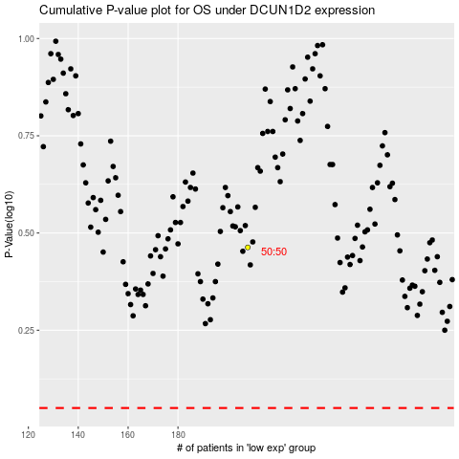

 |  |  |  |  |  | cases_OS | p_OS | rank | exp
 |  |  |  |  |  |  | cases_RFS | p_RFS | rank | exp

