DCUN1D4 _multivariate
Reported by Tex Li-Hsing Chi. tex@gate.sinica.edu.tw 2019-08-20

Table 2. The clinicopathological features of HNSCC cohort and DCUN1D4 expression. (Chi square test)
Cutoff at -0.16 (49.8%)
 |  | DCUN1D4 expression |  | DCUN1D4 expression |  | (Optimised)
 | Features | Low | (%) | High | (%) | Case no | P-value | Remark | Matthews
Gender | Female | 147 | 35.4 | 159 | 38.3 | 415 | 0.2523 | 0 | 0
2 | Male | 60 | 14.5 | 49 | 11.8
Age at diagnosis | <=65y | 126 | 30.4 | 148 | 35.7 | 415 | 0.035 | 1 | 0
4 | >65y | 81 | 19.5 | 60 | 14.5
Clinical T Status | T1+T2 | 70 | 16.9 | 79 | 19 | 415 | 0.4343 | 0 | 0
6 | T3+T4 | 137 | 33 | 129 | 31.1
Clinical N Status | N0 | 121 | 29.2 | 95 | 22.9 | 415 | 0.0122 | 1 | 0
8 | N1-3 | 86 | 20.7 | 113 | 27.2
Clinical M Status | M0 | 204 | 49.2 | 208 | 50.1 | 415 | 0.1232 | 0 | 0
10 | M1 | 3 | 0.7 | 0 | 0
Clinical Stage | Stage I+II | 49 | 11.8 | 53 | 12.8 | 415 | 0.7535 | 0 | 0
12 | Stage III+IV | 158 | 38.1 | 155 | 37.3
Surgical Margin status | Negative | 162 | 39 | 156 | 37.6 | 415 | 0.4867 | 0 | 0
14 | Positive | 45 | 10.8 | 52 | 12.5
Tobacco Exposure | Low | 92 | 22.2 | 69 | 16.6 | 415 | 0.0206 | 1 | 0
16 | High | 115 | 27.7 | 139 | 33.5

Table 3. Univariate/Multivariate Cox's proportional hazards regression analyses on OS time of DCUN1D4 gene expression in HNSCC

 |  | Univariate |  |  |  | Multivariate
 | Features | HR | CI95%(L) | CI95%(H) | P-value | HR | CI95%(L) | CI95%(H) | P-value
1 | Female | 1 |  |  |  | 1
Gender | Male | 1.157 | 0.843 | 1.587 | 0.367 | 1.205 | 0.862 | 1.684 | 0.275
11 | <=65y | 1 |  |  |  | 1
Age at diagnosis | >65y | 1.329 | 0.99 | 1.784 | 0.058 | 1.399 | 1.028 | 1.904 | 0.033
12 | T1+T2 | 1 |  |  |  | 1
Clinical T Status | T3+T4 | 1.409 | 1.028 | 1.931 | 0.033 | 2.217 | 1.171 | 4.195 | 0.014
13 | N0 | 1 |  |  |  | 1
Clinical N Status | N1-3 | 1.185 | 0.89 | 1.577 | 0.246 | 1.231 | 0.861 | 1.761 | 0.255
14 | M0 | 1 |  |  |  | 1
Clinical M Status | M1 | 4.097 | 1.009 | 16.644 | 0.049 | 9.773 | 2.102 | 45.442 | 0.004
15 | Stage I+II | 1 |  |  |  | 1
Clinical Stage | Stage III+IV | 1.245 | 0.882 | 1.759 | 0.213 | 0.505 | 0.235 | 1.084 | 0.08
16 | Negative | 1 |  |  |  | 1
Surgical Margin status | Positive | 1.591 | 1.155 | 2.191 | 0.004 | 1.677 | 1.213 | 2.319 | 0.002
17 | Low | 1 |  |  |  | 1
Tobacco Exposure | High | 1.364 | 1.008 | 1.844 | 0.044 | 1.444 | 1.047 | 1.993 | 0.025
18 | Low | 1 |  |  |  | 1
RNAseq(z-score) | High | 0.999 | 0.75 | 1.332 | 0.996 | 1.057 | 0.785 | 1.422 | 0.717

Table 4. Univariate/Multivariate Cox's proportional hazards regression analyses on RFS time of DCUN1D4 gene expression in HNSCC

 |  | Univariate |  |  |  | Multivariate
 | Features | HR | CI95%(L) | CI95%(H) | P-value | HR | CI95%(L) | CI95%(H) | P-value
1 | Female | 1 |  |  |  | 1
Gender | Male | 1.157 | 0.843 | 1.587 | 0.367 | 1.205 | 0.862 | 1.684 | 0.275
11 | <=65y | 1 |  |  |  | 1
Age at diagnosis | >65y | 1.329 | 0.99 | 1.784 | 0.058 | 1.399 | 1.028 | 1.904 | 0.033
12 | T1+T2 | 1 |  |  |  | 1
Clinical T Status | T3+T4 | 1.409 | 1.028 | 1.931 | 0.033 | 2.217 | 1.171 | 4.195 | 0.014
13 | N0 | 1 |  |  |  | 1
Clinical N Status | N1-3 | 1.185 | 0.89 | 1.577 | 0.246 | 1.231 | 0.861 | 1.761 | 0.255
14 | M0 | 1 |  |  |  | 1
Clinical M Status | M1 | 4.097 | 1.009 | 16.644 | 0.049 | 9.773 | 2.102 | 45.442 | 0.004
15 | Stage I+II | 1 |  |  |  | 1
Clinical Stage | Stage III+IV | 1.245 | 0.882 | 1.759 | 0.213 | 0.505 | 0.235 | 1.084 | 0.08
16 | Negative | 1 |  |  |  | 1
Surgical Margin status | Positive | 1.591 | 1.155 | 2.191 | 0.004 | 1.677 | 1.213 | 2.319 | 0.002
17 | Low | 1 |  |  |  | 1
Tobacco Exposure | High | 1.364 | 1.008 | 1.844 | 0.044 | 1.444 | 1.047 | 1.993 | 0.025
18 | Low | 1 |  |  |  | 1
RNAseq(z-score) | High | 0.999 | 0.75 | 1.332 | 0.996 | 1.057 | 0.785 | 1.422 | 0.717

Kaplan-Meier survival estimate: Cutoff at -0.16 (49.8%)



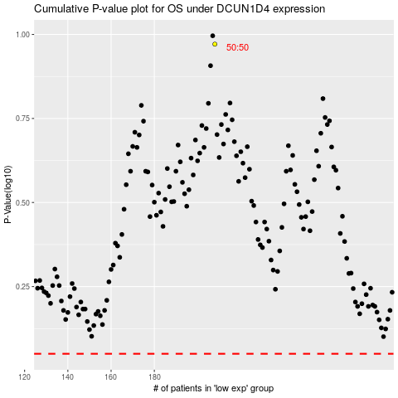

 |  |  |  |  |  | cases_OS | p_OS | rank | exp
 |  |  |  |  |  |  | cases_RFS | p_RFS | rank | exp

