DCX _multivariate
Reported by Tex Li-Hsing Chi. tex@gate.sinica.edu.tw 2019-08-20

Table 2. The clinicopathological features of HNSCC cohort and DCX expression. (Chi square test)
Cutoff at -0.202 (50.0%)
 |  | DCX expression |  | DCX expression |  | (Optimised)
 | Features | Low | (%) | High | (%) | Case no | P-value | Remark | Matthews
Gender | Female | 155 | 37.3 | 151 | 36.4 | 415 | 0.6768 | 0 | 0
2 | Male | 52 | 12.5 | 57 | 13.7
Age at diagnosis | <=65y | 131 | 31.6 | 143 | 34.5 | 415 | 0.2839 | 0 | 0
4 | >65y | 76 | 18.3 | 65 | 15.7
Clinical T Status | T1+T2 | 75 | 18.1 | 74 | 17.8 | 415 | 0.9707 | 0 | 0
6 | T3+T4 | 132 | 31.8 | 134 | 32.3
Clinical N Status | N0 | 116 | 28 | 100 | 24.1 | 415 | 0.1273 | 1 | 0
8 | N1-3 | 91 | 21.9 | 108 | 26
Clinical M Status | M0 | 204 | 49.2 | 208 | 50.1 | 415 | 0.1232 | 0 | 0
10 | M1 | 3 | 0.7 | 0 | 0
Clinical Stage | Stage I+II | 50 | 12 | 52 | 12.5 | 415 | 0.9315 | 0 | 0
12 | Stage III+IV | 157 | 37.8 | 156 | 37.6
Surgical Margin status | Negative | 157 | 37.8 | 161 | 38.8 | 415 | 0.729 | 0 | 0
14 | Positive | 50 | 12 | 47 | 11.3
Tobacco Exposure | Low | 74 | 17.8 | 87 | 21 | 415 | 0.227 | 0 | 0
16 | High | 133 | 32 | 121 | 29.2

Table 3. Univariate/Multivariate Cox's proportional hazards regression analyses on OS time of DCX gene expression in HNSCC

 |  | Univariate |  |  |  | Multivariate
 | Features | HR | CI95%(L) | CI95%(H) | P-value | HR | CI95%(L) | CI95%(H) | P-value
1 | Female | 1 |  |  |  | 1
Gender | Male | 1.157 | 0.843 | 1.587 | 0.367 | 1.201 | 0.86 | 1.678 | 0.282
11 | <=65y | 1 |  |  |  | 1
Age at diagnosis | >65y | 1.329 | 0.99 | 1.784 | 0.058 | 1.382 | 1.016 | 1.882 | 0.04
12 | T1+T2 | 1 |  |  |  | 1
Clinical T Status | T3+T4 | 1.409 | 1.028 | 1.931 | 0.033 | 2.219 | 1.173 | 4.199 | 0.014
13 | N0 | 1 |  |  |  | 1
Clinical N Status | N1-3 | 1.185 | 0.89 | 1.577 | 0.246 | 1.249 | 0.875 | 1.785 | 0.221
14 | M0 | 1 |  |  |  | 1
Clinical M Status | M1 | 4.097 | 1.009 | 16.644 | 0.049 | 9.108 | 1.975 | 42.005 | 0.005
15 | Stage I+II | 1 |  |  |  | 1
Clinical Stage | Stage III+IV | 1.245 | 0.882 | 1.759 | 0.213 | 0.501 | 0.233 | 1.076 | 0.076
16 | Negative | 1 |  |  |  | 1
Surgical Margin status | Positive | 1.591 | 1.155 | 2.191 | 0.004 | 1.665 | 1.205 | 2.301 | 0.002
17 | Low | 1 |  |  |  | 1
Tobacco Exposure | High | 1.364 | 1.008 | 1.844 | 0.044 | 1.44 | 1.042 | 1.988 | 0.027
18 | Low | 1 |  |  |  | 1
RNAseq(z-score) | High | 0.884 | 0.664 | 1.178 | 0.4 | 0.934 | 0.697 | 1.253 | 0.65

Table 4. Univariate/Multivariate Cox's proportional hazards regression analyses on RFS time of DCX gene expression in HNSCC

 |  | Univariate |  |  |  | Multivariate
 | Features | HR | CI95%(L) | CI95%(H) | P-value | HR | CI95%(L) | CI95%(H) | P-value
1 | Female | 1 |  |  |  | 1
Gender | Male | 1.157 | 0.843 | 1.587 | 0.367 | 1.201 | 0.86 | 1.678 | 0.282
11 | <=65y | 1 |  |  |  | 1
Age at diagnosis | >65y | 1.329 | 0.99 | 1.784 | 0.058 | 1.382 | 1.016 | 1.882 | 0.04
12 | T1+T2 | 1 |  |  |  | 1
Clinical T Status | T3+T4 | 1.409 | 1.028 | 1.931 | 0.033 | 2.219 | 1.173 | 4.199 | 0.014
13 | N0 | 1 |  |  |  | 1
Clinical N Status | N1-3 | 1.185 | 0.89 | 1.577 | 0.246 | 1.249 | 0.875 | 1.785 | 0.221
14 | M0 | 1 |  |  |  | 1
Clinical M Status | M1 | 4.097 | 1.009 | 16.644 | 0.049 | 9.108 | 1.975 | 42.005 | 0.005
15 | Stage I+II | 1 |  |  |  | 1
Clinical Stage | Stage III+IV | 1.245 | 0.882 | 1.759 | 0.213 | 0.501 | 0.233 | 1.076 | 0.076
16 | Negative | 1 |  |  |  | 1
Surgical Margin status | Positive | 1.591 | 1.155 | 2.191 | 0.004 | 1.665 | 1.205 | 2.301 | 0.002
17 | Low | 1 |  |  |  | 1
Tobacco Exposure | High | 1.364 | 1.008 | 1.844 | 0.044 | 1.44 | 1.042 | 1.988 | 0.027
18 | Low | 1 |  |  |  | 1
RNAseq(z-score) | High | 0.884 | 0.664 | 1.178 | 0.4 | 0.934 | 0.697 | 1.253 | 0.65

Kaplan-Meier survival estimate: Cutoff at -0.202 (50.0%)



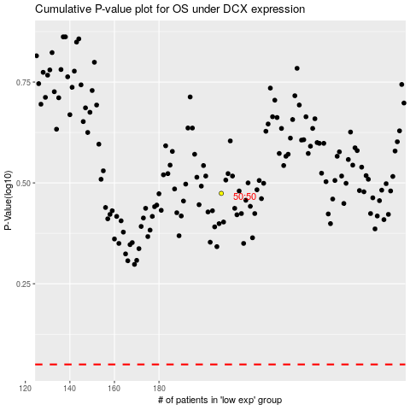

 |  |  |  |  |  | cases_OS | p_OS | rank | exp
 |  |  |  |  |  |  | cases_RFS | p_RFS | rank | exp

