DCXR _multivariate
Reported by Tex Li-Hsing Chi. tex@gate.sinica.edu.tw 2019-08-20

Table 2. The clinicopathological features of HNSCC cohort and DCXR expression. (Chi square test)
Cutoff at -0.338 (49.8%)
 |  | DCXR expression |  | DCXR expression |  | (Optimised)
 | Features | Low | (%) | High | (%) | Case no | P-value | Remark | Matthews
Gender | Female | 141 | 34 | 165 | 39.8 | 415 | 0.013 | 1 | 0
2 | Male | 66 | 15.9 | 43 | 10.4
Age at diagnosis | <=65y | 131 | 31.6 | 143 | 34.5 | 415 | 0.2839 | 0 | 0
4 | >65y | 76 | 18.3 | 65 | 15.7
Clinical T Status | T1+T2 | 83 | 20 | 66 | 15.9 | 415 | 0.0941 | 0 | 0
6 | T3+T4 | 124 | 29.9 | 142 | 34.2
Clinical N Status | N0 | 109 | 26.3 | 107 | 25.8 | 415 | 0.8812 | 0 | 0
8 | N1-3 | 98 | 23.6 | 101 | 24.3
Clinical M Status | M0 | 206 | 49.6 | 206 | 49.6 | 415 | 1 | 0 | 0
10 | M1 | 1 | 0.2 | 2 | 0.5
Clinical Stage | Stage I+II | 62 | 14.9 | 40 | 9.6 | 415 | 0.0154 | 1 | 0
12 | Stage III+IV | 145 | 34.9 | 168 | 40.5
Surgical Margin status | Negative | 151 | 36.4 | 167 | 40.2 | 415 | 0.0828 | 0 | 0
14 | Positive | 56 | 13.5 | 41 | 9.9
Tobacco Exposure | Low | 94 | 22.7 | 67 | 16.1 | 415 | 0.0065 | 1 | 0
16 | High | 113 | 27.2 | 141 | 34

Table 3. Univariate/Multivariate Cox's proportional hazards regression analyses on OS time of DCXR gene expression in HNSCC

 |  | Univariate |  |  |  | Multivariate
 | Features | HR | CI95%(L) | CI95%(H) | P-value | HR | CI95%(L) | CI95%(H) | P-value
1 | Female | 1 |  |  |  | 1
Gender | Male | 1.157 | 0.843 | 1.587 | 0.367 | 1.2 | 0.86 | 1.676 | 0.284
11 | <=65y | 1 |  |  |  | 1
Age at diagnosis | >65y | 1.329 | 0.99 | 1.784 | 0.058 | 1.389 | 1.021 | 1.888 | 0.036
12 | T1+T2 | 1 |  |  |  | 1
Clinical T Status | T3+T4 | 1.409 | 1.028 | 1.931 | 0.033 | 2.198 | 1.162 | 4.157 | 0.015
13 | N0 | 1 |  |  |  | 1
Clinical N Status | N1-3 | 1.185 | 0.89 | 1.577 | 0.246 | 1.24 | 0.869 | 1.769 | 0.235
14 | M0 | 1 |  |  |  | 1
Clinical M Status | M1 | 4.097 | 1.009 | 16.644 | 0.049 | 9.565 | 2.084 | 43.908 | 0.004
15 | Stage I+II | 1 |  |  |  | 1
Clinical Stage | Stage III+IV | 1.245 | 0.882 | 1.759 | 0.213 | 0.513 | 0.238 | 1.105 | 0.088
16 | Negative | 1 |  |  |  | 1
Surgical Margin status | Positive | 1.591 | 1.155 | 2.191 | 0.004 | 1.659 | 1.199 | 2.295 | 0.002
17 | Low | 1 |  |  |  | 1
Tobacco Exposure | High | 1.364 | 1.008 | 1.844 | 0.044 | 1.465 | 1.062 | 2.022 | 0.02
18 | Low | 1 |  |  |  | 1
RNAseq(z-score) | High | 0.961 | 0.721 | 1.28 | 0.784 | 0.929 | 0.691 | 1.249 | 0.625

Table 4. Univariate/Multivariate Cox's proportional hazards regression analyses on RFS time of DCXR gene expression in HNSCC

 |  | Univariate |  |  |  | Multivariate
 | Features | HR | CI95%(L) | CI95%(H) | P-value | HR | CI95%(L) | CI95%(H) | P-value
1 | Female | 1 |  |  |  | 1
Gender | Male | 1.157 | 0.843 | 1.587 | 0.367 | 1.2 | 0.86 | 1.676 | 0.284
11 | <=65y | 1 |  |  |  | 1
Age at diagnosis | >65y | 1.329 | 0.99 | 1.784 | 0.058 | 1.389 | 1.021 | 1.888 | 0.036
12 | T1+T2 | 1 |  |  |  | 1
Clinical T Status | T3+T4 | 1.409 | 1.028 | 1.931 | 0.033 | 2.198 | 1.162 | 4.157 | 0.015
13 | N0 | 1 |  |  |  | 1
Clinical N Status | N1-3 | 1.185 | 0.89 | 1.577 | 0.246 | 1.24 | 0.869 | 1.769 | 0.235
14 | M0 | 1 |  |  |  | 1
Clinical M Status | M1 | 4.097 | 1.009 | 16.644 | 0.049 | 9.565 | 2.084 | 43.908 | 0.004
15 | Stage I+II | 1 |  |  |  | 1
Clinical Stage | Stage III+IV | 1.245 | 0.882 | 1.759 | 0.213 | 0.513 | 0.238 | 1.105 | 0.088
16 | Negative | 1 |  |  |  | 1
Surgical Margin status | Positive | 1.591 | 1.155 | 2.191 | 0.004 | 1.659 | 1.199 | 2.295 | 0.002
17 | Low | 1 |  |  |  | 1
Tobacco Exposure | High | 1.364 | 1.008 | 1.844 | 0.044 | 1.465 | 1.062 | 2.022 | 0.02
18 | Low | 1 |  |  |  | 1
RNAseq(z-score) | High | 0.961 | 0.721 | 1.28 | 0.784 | 0.929 | 0.691 | 1.249 | 0.625

Kaplan-Meier survival estimate: Cutoff at -0.338 (49.8%)



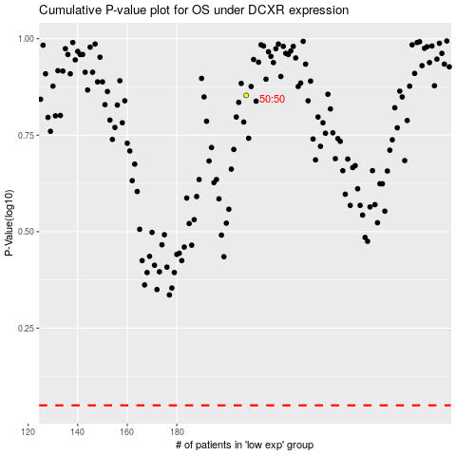

 |  |  |  |  |  | cases_OS | p_OS | rank | exp
 |  |  |  |  |  |  | cases_RFS | p_RFS | rank | exp

