DDA1 _multivariate
Reported by Tex Li-Hsing Chi. tex@gate.sinica.edu.tw 2019-08-20

Table 2. The clinicopathological features of HNSCC cohort and DDA1 expression. (Chi square test)
Cutoff at -0.036 (50.0%)
 |  | DDA1 expression |  | DDA1 expression |  | (Optimised)
 | Features | Low | (%) | High | (%) | Case no | P-value | Remark | Matthews
Gender | Female | 146 | 35.2 | 160 | 38.6 | 415 | 0.1714 | 0 | 0
2 | Male | 61 | 14.7 | 48 | 11.6
Age at diagnosis | <=65y | 134 | 32.3 | 140 | 33.7 | 415 | 0.6529 | 0 | 0
4 | >65y | 73 | 17.6 | 68 | 16.4
Clinical T Status | T1+T2 | 75 | 18.1 | 74 | 17.8 | 415 | 0.9707 | 0 | 0
6 | T3+T4 | 132 | 31.8 | 134 | 32.3
Clinical N Status | N0 | 111 | 26.7 | 105 | 25.3 | 415 | 0.5875 | 0 | 0
8 | N1-3 | 96 | 23.1 | 103 | 24.8
Clinical M Status | M0 | 206 | 49.6 | 206 | 49.6 | 415 | 1 | 0 | 0
10 | M1 | 1 | 0.2 | 2 | 0.5
Clinical Stage | Stage I+II | 51 | 12.3 | 51 | 12.3 | 415 | 1 | 0 | 0
12 | Stage III+IV | 156 | 37.6 | 157 | 37.8
Surgical Margin status | Negative | 162 | 39 | 156 | 37.6 | 415 | 0.4867 | 0 | 0
14 | Positive | 45 | 10.8 | 52 | 12.5
Tobacco Exposure | Low | 81 | 19.5 | 80 | 19.3 | 415 | 0.9199 | 0 | 0
16 | High | 126 | 30.4 | 128 | 30.8

Table 3. Univariate/Multivariate Cox's proportional hazards regression analyses on OS time of DDA1 gene expression in HNSCC

 |  | Univariate |  |  |  | Multivariate
 | Features | HR | CI95%(L) | CI95%(H) | P-value | HR | CI95%(L) | CI95%(H) | P-value
1 | Female | 1 |  |  |  | 1
Gender | Male | 1.157 | 0.843 | 1.587 | 0.367 | 1.162 | 0.83 | 1.627 | 0.381
11 | <=65y | 1 |  |  |  | 1
Age at diagnosis | >65y | 1.329 | 0.99 | 1.784 | 0.058 | 1.393 | 1.025 | 1.893 | 0.034
12 | T1+T2 | 1 |  |  |  | 1
Clinical T Status | T3+T4 | 1.409 | 1.028 | 1.931 | 0.033 | 2.252 | 1.189 | 4.265 | 0.013
13 | N0 | 1 |  |  |  | 1
Clinical N Status | N1-3 | 1.185 | 0.89 | 1.577 | 0.246 | 1.268 | 0.888 | 1.811 | 0.191
14 | M0 | 1 |  |  |  | 1
Clinical M Status | M1 | 4.097 | 1.009 | 16.644 | 0.049 | 10.071 | 2.19 | 46.305 | 0.003
15 | Stage I+II | 1 |  |  |  | 1
Clinical Stage | Stage III+IV | 1.245 | 0.882 | 1.759 | 0.213 | 0.492 | 0.229 | 1.057 | 0.069
16 | Negative | 1 |  |  |  | 1
Surgical Margin status | Positive | 1.591 | 1.155 | 2.191 | 0.004 | 1.695 | 1.225 | 2.343 | 0.001
17 | Low | 1 |  |  |  | 1
Tobacco Exposure | High | 1.364 | 1.008 | 1.844 | 0.044 | 1.451 | 1.055 | 1.997 | 0.022
18 | Low | 1 |  |  |  | 1
RNAseq(z-score) | High | 0.852 | 0.639 | 1.136 | 0.276 | 0.804 | 0.6 | 1.077 | 0.143

Table 4. Univariate/Multivariate Cox's proportional hazards regression analyses on RFS time of DDA1 gene expression in HNSCC

 |  | Univariate |  |  |  | Multivariate
 | Features | HR | CI95%(L) | CI95%(H) | P-value | HR | CI95%(L) | CI95%(H) | P-value
1 | Female | 1 |  |  |  | 1
Gender | Male | 1.157 | 0.843 | 1.587 | 0.367 | 1.162 | 0.83 | 1.627 | 0.381
11 | <=65y | 1 |  |  |  | 1
Age at diagnosis | >65y | 1.329 | 0.99 | 1.784 | 0.058 | 1.393 | 1.025 | 1.893 | 0.034
12 | T1+T2 | 1 |  |  |  | 1
Clinical T Status | T3+T4 | 1.409 | 1.028 | 1.931 | 0.033 | 2.252 | 1.189 | 4.265 | 0.013
13 | N0 | 1 |  |  |  | 1
Clinical N Status | N1-3 | 1.185 | 0.89 | 1.577 | 0.246 | 1.268 | 0.888 | 1.811 | 0.191
14 | M0 | 1 |  |  |  | 1
Clinical M Status | M1 | 4.097 | 1.009 | 16.644 | 0.049 | 10.071 | 2.19 | 46.305 | 0.003
15 | Stage I+II | 1 |  |  |  | 1
Clinical Stage | Stage III+IV | 1.245 | 0.882 | 1.759 | 0.213 | 0.492 | 0.229 | 1.057 | 0.069
16 | Negative | 1 |  |  |  | 1
Surgical Margin status | Positive | 1.591 | 1.155 | 2.191 | 0.004 | 1.695 | 1.225 | 2.343 | 0.001
17 | Low | 1 |  |  |  | 1
Tobacco Exposure | High | 1.364 | 1.008 | 1.844 | 0.044 | 1.451 | 1.055 | 1.997 | 0.022
18 | Low | 1 |  |  |  | 1
RNAseq(z-score) | High | 0.852 | 0.639 | 1.136 | 0.276 | 0.804 | 0.6 | 1.077 | 0.143

Kaplan-Meier survival estimate: Cutoff at -0.036 (50.0%)



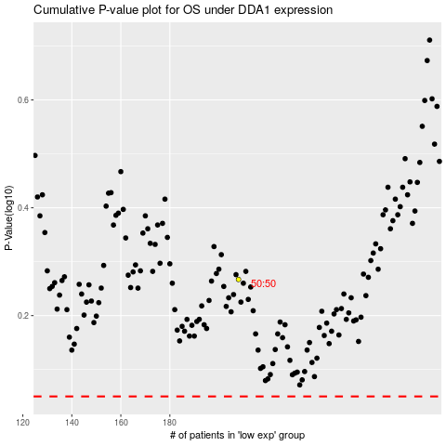

 |  |  |  |  |  | cases_OS | p_OS | rank | exp
 |  |  |  |  |  |  | cases_RFS | p_RFS | rank | exp

