DDAH1 _multivariate
Reported by Tex Li-Hsing Chi. tex@gate.sinica.edu.tw 2019-08-20

Table 2. The clinicopathological features of HNSCC cohort and DDAH1 expression. (Chi square test)
Cutoff at -0.386 (49.8%)
 |  | DDAH1 expression |  | DDAH1 expression |  | (Optimised)
 | Features | Low | (%) | High | (%) | Case no | P-value | Remark | Matthews
Gender | Female | 143 | 34.5 | 163 | 39.3 | 415 | 0.0416 | 1 | 0
2 | Male | 64 | 15.4 | 45 | 10.8
Age at diagnosis | <=65y | 138 | 33.3 | 136 | 32.8 | 415 | 0.8634 | 0 | 0
4 | >65y | 69 | 16.6 | 72 | 17.3
Clinical T Status | T1+T2 | 79 | 19 | 70 | 16.9 | 415 | 0.3924 | 0 | 0
6 | T3+T4 | 128 | 30.8 | 138 | 33.3
Clinical N Status | N0 | 119 | 28.7 | 97 | 23.4 | 415 | 0.0345 | 1 | 0
8 | N1-3 | 88 | 21.2 | 111 | 26.7
Clinical M Status | M0 | 205 | 49.4 | 207 | 49.9 | 415 | 0.6232 | 0 | 0
10 | M1 | 2 | 0.5 | 1 | 0.2
Clinical Stage | Stage I+II | 59 | 14.2 | 43 | 10.4 | 415 | 0.0822 | 0 | 0
12 | Stage III+IV | 148 | 35.7 | 165 | 39.8
Surgical Margin status | Negative | 158 | 38.1 | 160 | 38.6 | 415 | 0.9081 | 0 | 0
14 | Positive | 49 | 11.8 | 48 | 11.6
Tobacco Exposure | Low | 97 | 23.4 | 64 | 15.4 | 415 | 9e-04 | 1 | 0
16 | High | 110 | 26.5 | 144 | 34.7

Table 3. Univariate/Multivariate Cox's proportional hazards regression analyses on OS time of DDAH1 gene expression in HNSCC

 |  | Univariate |  |  |  | Multivariate
 | Features | HR | CI95%(L) | CI95%(H) | P-value | HR | CI95%(L) | CI95%(H) | P-value
1 | Female | 1 |  |  |  | 1
Gender | Male | 1.157 | 0.843 | 1.587 | 0.367 | 1.208 | 0.864 | 1.688 | 0.269
11 | <=65y | 1 |  |  |  | 1
Age at diagnosis | >65y | 1.329 | 0.99 | 1.784 | 0.058 | 1.386 | 1.019 | 1.884 | 0.037
12 | T1+T2 | 1 |  |  |  | 1
Clinical T Status | T3+T4 | 1.409 | 1.028 | 1.931 | 0.033 | 2.223 | 1.175 | 4.205 | 0.014
13 | N0 | 1 |  |  |  | 1
Clinical N Status | N1-3 | 1.185 | 0.89 | 1.577 | 0.246 | 1.24 | 0.869 | 1.77 | 0.235
14 | M0 | 1 |  |  |  | 1
Clinical M Status | M1 | 4.097 | 1.009 | 16.644 | 0.049 | 9.791 | 2.126 | 45.09 | 0.003
15 | Stage I+II | 1 |  |  |  | 1
Clinical Stage | Stage III+IV | 1.245 | 0.882 | 1.759 | 0.213 | 0.496 | 0.231 | 1.066 | 0.072
16 | Negative | 1 |  |  |  | 1
Surgical Margin status | Positive | 1.591 | 1.155 | 2.191 | 0.004 | 1.667 | 1.206 | 2.303 | 0.002
17 | Low | 1 |  |  |  | 1
Tobacco Exposure | High | 1.364 | 1.008 | 1.844 | 0.044 | 1.43 | 1.035 | 1.976 | 0.03
18 | Low | 1 |  |  |  | 1
RNAseq(z-score) | High | 1.156 | 0.867 | 1.541 | 0.323 | 1.106 | 0.825 | 1.484 | 0.501

Table 4. Univariate/Multivariate Cox's proportional hazards regression analyses on RFS time of DDAH1 gene expression in HNSCC

 |  | Univariate |  |  |  | Multivariate
 | Features | HR | CI95%(L) | CI95%(H) | P-value | HR | CI95%(L) | CI95%(H) | P-value
1 | Female | 1 |  |  |  | 1
Gender | Male | 1.157 | 0.843 | 1.587 | 0.367 | 1.208 | 0.864 | 1.688 | 0.269
11 | <=65y | 1 |  |  |  | 1
Age at diagnosis | >65y | 1.329 | 0.99 | 1.784 | 0.058 | 1.386 | 1.019 | 1.884 | 0.037
12 | T1+T2 | 1 |  |  |  | 1
Clinical T Status | T3+T4 | 1.409 | 1.028 | 1.931 | 0.033 | 2.223 | 1.175 | 4.205 | 0.014
13 | N0 | 1 |  |  |  | 1
Clinical N Status | N1-3 | 1.185 | 0.89 | 1.577 | 0.246 | 1.24 | 0.869 | 1.77 | 0.235
14 | M0 | 1 |  |  |  | 1
Clinical M Status | M1 | 4.097 | 1.009 | 16.644 | 0.049 | 9.791 | 2.126 | 45.09 | 0.003
15 | Stage I+II | 1 |  |  |  | 1
Clinical Stage | Stage III+IV | 1.245 | 0.882 | 1.759 | 0.213 | 0.496 | 0.231 | 1.066 | 0.072
16 | Negative | 1 |  |  |  | 1
Surgical Margin status | Positive | 1.591 | 1.155 | 2.191 | 0.004 | 1.667 | 1.206 | 2.303 | 0.002
17 | Low | 1 |  |  |  | 1
Tobacco Exposure | High | 1.364 | 1.008 | 1.844 | 0.044 | 1.43 | 1.035 | 1.976 | 0.03
18 | Low | 1 |  |  |  | 1
RNAseq(z-score) | High | 1.156 | 0.867 | 1.541 | 0.323 | 1.106 | 0.825 | 1.484 | 0.501

Kaplan-Meier survival estimate: Cutoff at -0.386 (49.8%)

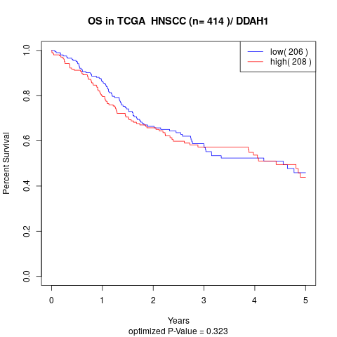

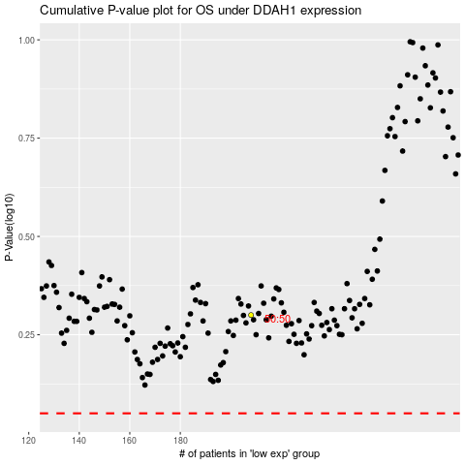

 |  |  |  |  |  | cases_OS | p_OS | rank | exp
 |  |  |  |  |  |  | cases_RFS | p_RFS | rank | exp

