DDHD1 _multivariate
Reported by Tex Li-Hsing Chi. tex@gate.sinica.edu.tw 2019-08-20

Table 2. The clinicopathological features of HNSCC cohort and DDHD1 expression. (Chi square test)
Cutoff at -0.1 (49.8%)
 |  | DDHD1 expression |  | DDHD1 expression |  | (Optimised)
 | Features | Low | (%) | High | (%) | Case no | P-value | Remark | Matthews
Gender | Female | 154 | 37.1 | 152 | 36.6 | 415 | 0.8463 | 0 | 0
2 | Male | 53 | 12.8 | 56 | 13.5
Age at diagnosis | <=65y | 146 | 35.2 | 128 | 30.8 | 415 | 0.0672 | 0 | 0
4 | >65y | 61 | 14.7 | 80 | 19.3
Clinical T Status | T1+T2 | 80 | 19.3 | 69 | 16.6 | 415 | 0.2891 | 0 | 0
6 | T3+T4 | 127 | 30.6 | 139 | 33.5
Clinical N Status | N0 | 103 | 24.8 | 113 | 27.2 | 415 | 0.4047 | 0 | 0
8 | N1-3 | 104 | 25.1 | 95 | 22.9
Clinical M Status | M0 | 204 | 49.2 | 208 | 50.1 | 415 | 0.1232 | 0 | 0
10 | M1 | 3 | 0.7 | 0 | 0
Clinical Stage | Stage I+II | 51 | 12.3 | 51 | 12.3 | 415 | 1 | 0 | 0
12 | Stage III+IV | 156 | 37.6 | 157 | 37.8
Surgical Margin status | Negative | 162 | 39 | 156 | 37.6 | 415 | 0.4867 | 0 | 0
14 | Positive | 45 | 10.8 | 52 | 12.5
Tobacco Exposure | Low | 92 | 22.2 | 69 | 16.6 | 415 | 0.0206 | 1 | 0
16 | High | 115 | 27.7 | 139 | 33.5

Table 3. Univariate/Multivariate Cox's proportional hazards regression analyses on OS time of DDHD1 gene expression in HNSCC

 |  | Univariate |  |  |  | Multivariate
 | Features | HR | CI95%(L) | CI95%(H) | P-value | HR | CI95%(L) | CI95%(H) | P-value
1 | Female | 1 |  |  |  | 1
Gender | Male | 1.157 | 0.843 | 1.587 | 0.367 | 1.197 | 0.857 | 1.673 | 0.292
11 | <=65y | 1 |  |  |  | 1
Age at diagnosis | >65y | 1.329 | 0.99 | 1.784 | 0.058 | 1.451 | 1.063 | 1.98 | 0.019
12 | T1+T2 | 1 |  |  |  | 1
Clinical T Status | T3+T4 | 1.409 | 1.028 | 1.931 | 0.033 | 2.255 | 1.192 | 4.265 | 0.012
13 | N0 | 1 |  |  |  | 1
Clinical N Status | N1-3 | 1.185 | 0.89 | 1.577 | 0.246 | 1.223 | 0.857 | 1.745 | 0.267
14 | M0 | 1 |  |  |  | 1
Clinical M Status | M1 | 4.097 | 1.009 | 16.644 | 0.049 | 8.665 | 1.884 | 39.847 | 0.006
15 | Stage I+II | 1 |  |  |  | 1
Clinical Stage | Stage III+IV | 1.245 | 0.882 | 1.759 | 0.213 | 0.496 | 0.231 | 1.065 | 0.072
16 | Negative | 1 |  |  |  | 1
Surgical Margin status | Positive | 1.591 | 1.155 | 2.191 | 0.004 | 1.669 | 1.209 | 2.305 | 0.002
17 | Low | 1 |  |  |  | 1
Tobacco Exposure | High | 1.364 | 1.008 | 1.844 | 0.044 | 1.494 | 1.082 | 2.062 | 0.015
18 | Low | 1 |  |  |  | 1
RNAseq(z-score) | High | 0.854 | 0.641 | 1.138 | 0.281 | 0.792 | 0.589 | 1.066 | 0.124

Table 4. Univariate/Multivariate Cox's proportional hazards regression analyses on RFS time of DDHD1 gene expression in HNSCC

 |  | Univariate |  |  |  | Multivariate
 | Features | HR | CI95%(L) | CI95%(H) | P-value | HR | CI95%(L) | CI95%(H) | P-value
1 | Female | 1 |  |  |  | 1
Gender | Male | 1.157 | 0.843 | 1.587 | 0.367 | 1.197 | 0.857 | 1.673 | 0.292
11 | <=65y | 1 |  |  |  | 1
Age at diagnosis | >65y | 1.329 | 0.99 | 1.784 | 0.058 | 1.451 | 1.063 | 1.98 | 0.019
12 | T1+T2 | 1 |  |  |  | 1
Clinical T Status | T3+T4 | 1.409 | 1.028 | 1.931 | 0.033 | 2.255 | 1.192 | 4.265 | 0.012
13 | N0 | 1 |  |  |  | 1
Clinical N Status | N1-3 | 1.185 | 0.89 | 1.577 | 0.246 | 1.223 | 0.857 | 1.745 | 0.267
14 | M0 | 1 |  |  |  | 1
Clinical M Status | M1 | 4.097 | 1.009 | 16.644 | 0.049 | 8.665 | 1.884 | 39.847 | 0.006
15 | Stage I+II | 1 |  |  |  | 1
Clinical Stage | Stage III+IV | 1.245 | 0.882 | 1.759 | 0.213 | 0.496 | 0.231 | 1.065 | 0.072
16 | Negative | 1 |  |  |  | 1
Surgical Margin status | Positive | 1.591 | 1.155 | 2.191 | 0.004 | 1.669 | 1.209 | 2.305 | 0.002
17 | Low | 1 |  |  |  | 1
Tobacco Exposure | High | 1.364 | 1.008 | 1.844 | 0.044 | 1.494 | 1.082 | 2.062 | 0.015
18 | Low | 1 |  |  |  | 1
RNAseq(z-score) | High | 0.854 | 0.641 | 1.138 | 0.281 | 0.792 | 0.589 | 1.066 | 0.124

Kaplan-Meier survival estimate: Cutoff at -0.1 (49.8%)



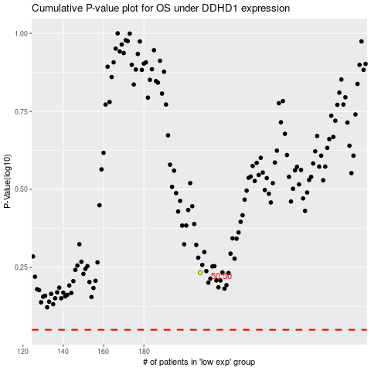

 |  |  |  |  |  | cases_OS | p_OS | rank | exp
 |  |  |  |  |  |  | cases_RFS | p_RFS | rank | exp

