DDIT4L _multivariate
Reported by Tex Li-Hsing Chi. tex@gate.sinica.edu.tw 2019-08-20

Table 2. The clinicopathological features of HNSCC cohort and DDIT4L expression. (Chi square test)
Cutoff at -0.264 (50.0%)
 |  | DDIT4L expression |  | DDIT4L expression |  | (Optimised)
 | Features | Low | (%) | High | (%) | Case no | P-value | Remark | Matthews
Gender | Female | 157 | 37.8 | 149 | 35.9 | 415 | 0.3881 | 0 | 0
2 | Male | 50 | 12 | 59 | 14.2
Age at diagnosis | <=65y | 131 | 31.6 | 143 | 34.5 | 415 | 0.2839 | 0 | 0
4 | >65y | 76 | 18.3 | 65 | 15.7
Clinical T Status | T1+T2 | 63 | 15.2 | 86 | 20.7 | 415 | 0.0268 | 1 | 0
6 | T3+T4 | 144 | 34.7 | 122 | 29.4
Clinical N Status | N0 | 107 | 25.8 | 109 | 26.3 | 415 | 0.9624 | 0 | 0
8 | N1-3 | 100 | 24.1 | 99 | 23.9
Clinical M Status | M0 | 204 | 49.2 | 208 | 50.1 | 415 | 0.1232 | 0 | 0
10 | M1 | 3 | 0.7 | 0 | 0
Clinical Stage | Stage I+II | 39 | 9.4 | 63 | 15.2 | 415 | 0.0095 | 1 | 0
12 | Stage III+IV | 168 | 40.5 | 145 | 34.9
Surgical Margin status | Negative | 159 | 38.3 | 159 | 38.3 | 415 | 1 | 0 | 0
14 | Positive | 48 | 11.6 | 49 | 11.8
Tobacco Exposure | Low | 77 | 18.6 | 84 | 20.2 | 415 | 0.5459 | 0 | 0
16 | High | 130 | 31.3 | 124 | 29.9

Table 3. Univariate/Multivariate Cox's proportional hazards regression analyses on OS time of DDIT4L gene expression in HNSCC

 |  | Univariate |  |  |  | Multivariate
 | Features | HR | CI95%(L) | CI95%(H) | P-value | HR | CI95%(L) | CI95%(H) | P-value
1 | Female | 1 |  |  |  | 1
Gender | Male | 1.157 | 0.843 | 1.587 | 0.367 | 1.199 | 0.859 | 1.674 | 0.286
11 | <=65y | 1 |  |  |  | 1
Age at diagnosis | >65y | 1.329 | 0.99 | 1.784 | 0.058 | 1.407 | 1.033 | 1.915 | 0.03
12 | T1+T2 | 1 |  |  |  | 1
Clinical T Status | T3+T4 | 1.409 | 1.028 | 1.931 | 0.033 | 2.195 | 1.161 | 4.152 | 0.016
13 | N0 | 1 |  |  |  | 1
Clinical N Status | N1-3 | 1.185 | 0.89 | 1.577 | 0.246 | 1.237 | 0.867 | 1.765 | 0.241
14 | M0 | 1 |  |  |  | 1
Clinical M Status | M1 | 4.097 | 1.009 | 16.644 | 0.049 | 9.924 | 2.151 | 45.78 | 0.003
15 | Stage I+II | 1 |  |  |  | 1
Clinical Stage | Stage III+IV | 1.245 | 0.882 | 1.759 | 0.213 | 0.513 | 0.239 | 1.103 | 0.087
16 | Negative | 1 |  |  |  | 1
Surgical Margin status | Positive | 1.591 | 1.155 | 2.191 | 0.004 | 1.657 | 1.198 | 2.291 | 0.002
17 | Low | 1 |  |  |  | 1
Tobacco Exposure | High | 1.364 | 1.008 | 1.844 | 0.044 | 1.451 | 1.054 | 1.999 | 0.022
18 | Low | 1 |  |  |  | 1
RNAseq(z-score) | High | 1.095 | 0.822 | 1.458 | 0.536 | 1.123 | 0.839 | 1.502 | 0.436

Table 4. Univariate/Multivariate Cox's proportional hazards regression analyses on RFS time of DDIT4L gene expression in HNSCC

 |  | Univariate |  |  |  | Multivariate
 | Features | HR | CI95%(L) | CI95%(H) | P-value | HR | CI95%(L) | CI95%(H) | P-value
1 | Female | 1 |  |  |  | 1
Gender | Male | 1.157 | 0.843 | 1.587 | 0.367 | 1.199 | 0.859 | 1.674 | 0.286
11 | <=65y | 1 |  |  |  | 1
Age at diagnosis | >65y | 1.329 | 0.99 | 1.784 | 0.058 | 1.407 | 1.033 | 1.915 | 0.03
12 | T1+T2 | 1 |  |  |  | 1
Clinical T Status | T3+T4 | 1.409 | 1.028 | 1.931 | 0.033 | 2.195 | 1.161 | 4.152 | 0.016
13 | N0 | 1 |  |  |  | 1
Clinical N Status | N1-3 | 1.185 | 0.89 | 1.577 | 0.246 | 1.237 | 0.867 | 1.765 | 0.241
14 | M0 | 1 |  |  |  | 1
Clinical M Status | M1 | 4.097 | 1.009 | 16.644 | 0.049 | 9.924 | 2.151 | 45.78 | 0.003
15 | Stage I+II | 1 |  |  |  | 1
Clinical Stage | Stage III+IV | 1.245 | 0.882 | 1.759 | 0.213 | 0.513 | 0.239 | 1.103 | 0.087
16 | Negative | 1 |  |  |  | 1
Surgical Margin status | Positive | 1.591 | 1.155 | 2.191 | 0.004 | 1.657 | 1.198 | 2.291 | 0.002
17 | Low | 1 |  |  |  | 1
Tobacco Exposure | High | 1.364 | 1.008 | 1.844 | 0.044 | 1.451 | 1.054 | 1.999 | 0.022
18 | Low | 1 |  |  |  | 1
RNAseq(z-score) | High | 1.095 | 0.822 | 1.458 | 0.536 | 1.123 | 0.839 | 1.502 | 0.436

Kaplan-Meier survival estimate: Cutoff at -0.264 (50.0%)



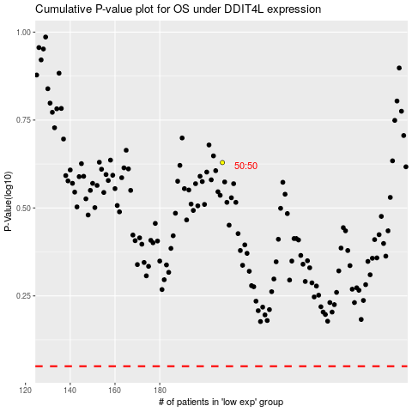

 |  |  |  |  |  | cases_OS | p_OS | rank | exp
 |  |  |  |  |  |  | cases_RFS | p_RFS | rank | exp

