DDN _multivariate
Reported by Tex Li-Hsing Chi. tex@gate.sinica.edu.tw 2019-08-20

Table 2. The clinicopathological features of HNSCC cohort and DDN expression. (Chi square test)
Cutoff at -0.218 (30.4%)
 |  | DDN expression |  | DDN expression |  | (Optimised)
 | Features | Low | (%) | High | (%) | Case no | P-value | Remark | Matthews
Gender | Female | 96 | 23.1 | 210 | 50.6 | 415 | 0.5292 | 0 | 0
2 | Male | 30 | 7.2 | 79 | 19
Age at diagnosis | <=65y | 81 | 19.5 | 193 | 46.5 | 415 | 0.7032 | 0 | 0
4 | >65y | 45 | 10.8 | 96 | 23.1
Clinical T Status | T1+T2 | 45 | 10.8 | 104 | 25.1 | 415 | 1 | 0 | 0
6 | T3+T4 | 81 | 19.5 | 185 | 44.6
Clinical N Status | N0 | 66 | 15.9 | 150 | 36.1 | 415 | 1 | 0 | 0
8 | N1-3 | 60 | 14.5 | 139 | 33.5
Clinical M Status | M0 | 124 | 29.9 | 288 | 69.4 | 415 | 0.22 | 0 | 0
10 | M1 | 2 | 0.5 | 1 | 0.2
Clinical Stage | Stage I+II | 26 | 6.3 | 76 | 18.3 | 415 | 0.2679 | 0 | 0
12 | Stage III+IV | 100 | 24.1 | 213 | 51.3
Surgical Margin status | Negative | 93 | 22.4 | 225 | 54.2 | 415 | 0.3793 | 0 | 0
14 | Positive | 33 | 8 | 64 | 15.4
Tobacco Exposure | Low | 64 | 15.4 | 97 | 23.4 | 415 | 0.001 | 1 | 0
16 | High | 62 | 14.9 | 192 | 46.3

Table 3. Univariate/Multivariate Cox's proportional hazards regression analyses on OS time of DDN gene expression in HNSCC

 |  | Univariate |  |  |  | Multivariate
 | Features | HR | CI95%(L) | CI95%(H) | P-value | HR | CI95%(L) | CI95%(H) | P-value
1 | Female | 1 |  |  |  | 1
Gender | Male | 1.157 | 0.843 | 1.587 | 0.367 | 1.187 | 0.851 | 1.658 | 0.313
11 | <=65y | 1 |  |  |  | 1
Age at diagnosis | >65y | 1.329 | 0.99 | 1.784 | 0.058 | 1.403 | 1.032 | 1.907 | 0.031
12 | T1+T2 | 1 |  |  |  | 1
Clinical T Status | T3+T4 | 1.409 | 1.028 | 1.931 | 0.033 | 2.093 | 1.106 | 3.959 | 0.023
13 | N0 | 1 |  |  |  | 1
Clinical N Status | N1-3 | 1.185 | 0.89 | 1.577 | 0.246 | 1.228 | 0.859 | 1.754 | 0.259
14 | M0 | 1 |  |  |  | 1
Clinical M Status | M1 | 4.097 | 1.009 | 16.644 | 0.049 | 10.565 | 2.295 | 48.642 | 0.002
15 | Stage I+II | 1 |  |  |  | 1
Clinical Stage | Stage III+IV | 1.245 | 0.882 | 1.759 | 0.213 | 0.55 | 0.255 | 1.186 | 0.128
16 | Negative | 1 |  |  |  | 1
Surgical Margin status | Positive | 1.591 | 1.155 | 2.191 | 0.004 | 1.681 | 1.218 | 2.321 | 0.002
17 | Low | 1 |  |  |  | 1
Tobacco Exposure | High | 1.364 | 1.008 | 1.844 | 0.044 | 1.379 | 0.999 | 1.904 | 0.051
18 | Low | 1 |  |  |  | 1
RNAseq(z-score) | High | 1.421 | 1.019 | 1.982 | 0.038 | 1.406 | 0.999 | 1.979 | 0.051

Table 4. Univariate/Multivariate Cox's proportional hazards regression analyses on RFS time of DDN gene expression in HNSCC

 |  | Univariate |  |  |  | Multivariate
 | Features | HR | CI95%(L) | CI95%(H) | P-value | HR | CI95%(L) | CI95%(H) | P-value
1 | Female | 1 |  |  |  | 1
Gender | Male | 1.157 | 0.843 | 1.587 | 0.367 | 1.187 | 0.851 | 1.658 | 0.313
11 | <=65y | 1 |  |  |  | 1
Age at diagnosis | >65y | 1.329 | 0.99 | 1.784 | 0.058 | 1.403 | 1.032 | 1.907 | 0.031
12 | T1+T2 | 1 |  |  |  | 1
Clinical T Status | T3+T4 | 1.409 | 1.028 | 1.931 | 0.033 | 2.093 | 1.106 | 3.959 | 0.023
13 | N0 | 1 |  |  |  | 1
Clinical N Status | N1-3 | 1.185 | 0.89 | 1.577 | 0.246 | 1.228 | 0.859 | 1.754 | 0.259
14 | M0 | 1 |  |  |  | 1
Clinical M Status | M1 | 4.097 | 1.009 | 16.644 | 0.049 | 10.565 | 2.295 | 48.642 | 0.002
15 | Stage I+II | 1 |  |  |  | 1
Clinical Stage | Stage III+IV | 1.245 | 0.882 | 1.759 | 0.213 | 0.55 | 0.255 | 1.186 | 0.128
16 | Negative | 1 |  |  |  | 1
Surgical Margin status | Positive | 1.591 | 1.155 | 2.191 | 0.004 | 1.681 | 1.218 | 2.321 | 0.002
17 | Low | 1 |  |  |  | 1
Tobacco Exposure | High | 1.364 | 1.008 | 1.844 | 0.044 | 1.379 | 0.999 | 1.904 | 0.051
18 | Low | 1 |  |  |  | 1
RNAseq(z-score) | High | 1.421 | 1.019 | 1.982 | 0.038 | 1.406 | 0.999 | 1.979 | 0.051

Kaplan-Meier survival estimate: Cutoff at -0.218 (30.4%)

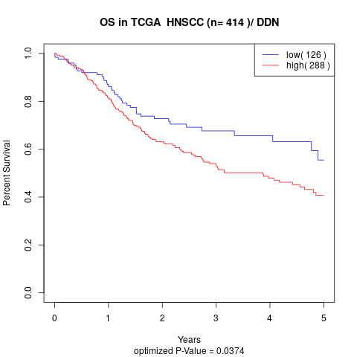

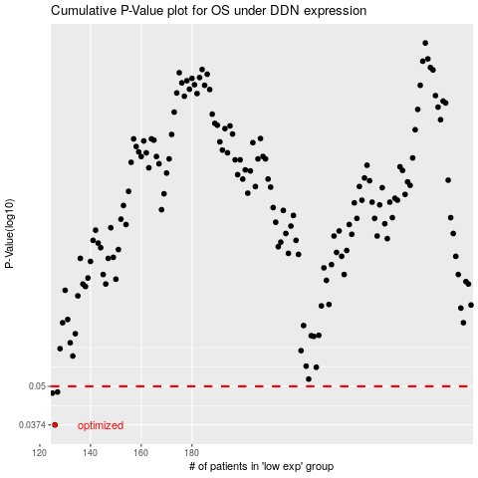

 |  |  |  |  |  | cases_OS | p_OS | rank | exp
 |  |  |  |  |  | 126 | 0.0374 | 260 | -0.21760453098
 |  |  |  |  |  | 125 | 0.0475 | 141 | -0.21779325428
 |  |  |  |  |  | 127 | 0.0479 | 191 | -0.21736920436
 |  |  |  |  |  |  | cases_RFS | p_RFS | rank | exp
 |  |  |  |  |  |  | 125 | 0.0374 | 141 | -0.21779325428
 |  |  |  |  |  |  |  | 0.0475 | 342 | -0.21817190615
 |  |  |  |  |  |  | 126 | 0.0479 | 260 | -0.21760453098

