DDR2 _multivariate
Reported by Tex Li-Hsing Chi. tex@gate.sinica.edu.tw 2019-08-20

Table 2. The clinicopathological features of HNSCC cohort and DDR2 expression. (Chi square test)
Cutoff at -0.337 (49.8%)
 |  | DDR2 expression |  | DDR2 expression |  | (Optimised)
 | Features | Low | (%) | High | (%) | Case no | P-value | Remark | Matthews
Gender | Female | 153 | 36.9 | 153 | 36.9 | 415 | 1 | 0 | 0
2 | Male | 54 | 13 | 55 | 13.3
Age at diagnosis | <=65y | 134 | 32.3 | 140 | 33.7 | 415 | 0.6529 | 0 | 0
4 | >65y | 73 | 17.6 | 68 | 16.4
Clinical T Status | T1+T2 | 81 | 19.5 | 68 | 16.4 | 415 | 0.206 | 0 | 0
6 | T3+T4 | 126 | 30.4 | 140 | 33.7
Clinical N Status | N0 | 107 | 25.8 | 109 | 26.3 | 415 | 0.9624 | 0 | 0
8 | N1-3 | 100 | 24.1 | 99 | 23.9
Clinical M Status | M0 | 204 | 49.2 | 208 | 50.1 | 415 | 0.1232 | 0 | 0
10 | M1 | 3 | 0.7 | 0 | 0
Clinical Stage | Stage I+II | 53 | 12.8 | 49 | 11.8 | 415 | 0.7113 | 0 | 0
12 | Stage III+IV | 154 | 37.1 | 159 | 38.3
Surgical Margin status | Negative | 153 | 36.9 | 165 | 39.8 | 415 | 0.2036 | 0 | 0
14 | Positive | 54 | 13 | 43 | 10.4
Tobacco Exposure | Low | 90 | 21.7 | 71 | 17.1 | 415 | 0.0559 | 0 | 0
16 | High | 117 | 28.2 | 137 | 33

Table 3. Univariate/Multivariate Cox's proportional hazards regression analyses on OS time of DDR2 gene expression in HNSCC

 |  | Univariate |  |  |  | Multivariate
 | Features | HR | CI95%(L) | CI95%(H) | P-value | HR | CI95%(L) | CI95%(H) | P-value
1 | Female | 1 |  |  |  | 1
Gender | Male | 1.157 | 0.843 | 1.587 | 0.367 | 1.205 | 0.862 | 1.685 | 0.274
11 | <=65y | 1 |  |  |  | 1
Age at diagnosis | >65y | 1.329 | 0.99 | 1.784 | 0.058 | 1.395 | 1.026 | 1.897 | 0.034
12 | T1+T2 | 1 |  |  |  | 1
Clinical T Status | T3+T4 | 1.409 | 1.028 | 1.931 | 0.033 | 2.192 | 1.159 | 4.147 | 0.016
13 | N0 | 1 |  |  |  | 1
Clinical N Status | N1-3 | 1.185 | 0.89 | 1.577 | 0.246 | 1.242 | 0.87 | 1.772 | 0.233
14 | M0 | 1 |  |  |  | 1
Clinical M Status | M1 | 4.097 | 1.009 | 16.644 | 0.049 | 9.616 | 2.085 | 44.335 | 0.004
15 | Stage I+II | 1 |  |  |  | 1
Clinical Stage | Stage III+IV | 1.245 | 0.882 | 1.759 | 0.213 | 0.506 | 0.236 | 1.087 | 0.081
16 | Negative | 1 |  |  |  | 1
Surgical Margin status | Positive | 1.591 | 1.155 | 2.191 | 0.004 | 1.676 | 1.212 | 2.316 | 0.002
17 | Low | 1 |  |  |  | 1
Tobacco Exposure | High | 1.364 | 1.008 | 1.844 | 0.044 | 1.451 | 1.053 | 2 | 0.023
18 | Low | 1 |  |  |  | 1
RNAseq(z-score) | High | 1.016 | 0.762 | 1.354 | 0.914 | 1.05 | 0.784 | 1.405 | 0.744

Table 4. Univariate/Multivariate Cox's proportional hazards regression analyses on RFS time of DDR2 gene expression in HNSCC

 |  | Univariate |  |  |  | Multivariate
 | Features | HR | CI95%(L) | CI95%(H) | P-value | HR | CI95%(L) | CI95%(H) | P-value
1 | Female | 1 |  |  |  | 1
Gender | Male | 1.157 | 0.843 | 1.587 | 0.367 | 1.205 | 0.862 | 1.685 | 0.274
11 | <=65y | 1 |  |  |  | 1
Age at diagnosis | >65y | 1.329 | 0.99 | 1.784 | 0.058 | 1.395 | 1.026 | 1.897 | 0.034
12 | T1+T2 | 1 |  |  |  | 1
Clinical T Status | T3+T4 | 1.409 | 1.028 | 1.931 | 0.033 | 2.192 | 1.159 | 4.147 | 0.016
13 | N0 | 1 |  |  |  | 1
Clinical N Status | N1-3 | 1.185 | 0.89 | 1.577 | 0.246 | 1.242 | 0.87 | 1.772 | 0.233
14 | M0 | 1 |  |  |  | 1
Clinical M Status | M1 | 4.097 | 1.009 | 16.644 | 0.049 | 9.616 | 2.085 | 44.335 | 0.004
15 | Stage I+II | 1 |  |  |  | 1
Clinical Stage | Stage III+IV | 1.245 | 0.882 | 1.759 | 0.213 | 0.506 | 0.236 | 1.087 | 0.081
16 | Negative | 1 |  |  |  | 1
Surgical Margin status | Positive | 1.591 | 1.155 | 2.191 | 0.004 | 1.676 | 1.212 | 2.316 | 0.002
17 | Low | 1 |  |  |  | 1
Tobacco Exposure | High | 1.364 | 1.008 | 1.844 | 0.044 | 1.451 | 1.053 | 2 | 0.023
18 | Low | 1 |  |  |  | 1
RNAseq(z-score) | High | 1.016 | 0.762 | 1.354 | 0.914 | 1.05 | 0.784 | 1.405 | 0.744

Kaplan-Meier survival estimate: Cutoff at -0.337 (49.8%)



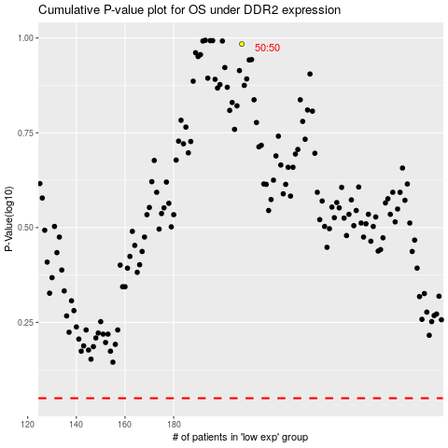

 |  |  |  |  |  | cases_OS | p_OS | rank | exp
 |  |  |  |  |  |  | cases_RFS | p_RFS | rank | exp

