DDRGK1 _multivariate
Reported by Tex Li-Hsing Chi. tex@gate.sinica.edu.tw 2019-08-20

Table 2. The clinicopathological features of HNSCC cohort and DDRGK1 expression. (Chi square test)
Cutoff at -0.264 (49.8%)
 |  | DDRGK1 expression |  | DDRGK1 expression |  | (Optimised)
 | Features | Low | (%) | High | (%) | Case no | P-value | Remark | Matthews
Gender | Female | 152 | 36.6 | 154 | 37.1 | 415 | 0.9766 | 0 | 0
2 | Male | 55 | 13.3 | 54 | 13
Age at diagnosis | <=65y | 140 | 33.7 | 134 | 32.3 | 415 | 0.5574 | 0 | 0
4 | >65y | 67 | 16.1 | 74 | 17.8
Clinical T Status | T1+T2 | 75 | 18.1 | 74 | 17.8 | 415 | 0.9707 | 0 | 0
6 | T3+T4 | 132 | 31.8 | 134 | 32.3
Clinical N Status | N0 | 97 | 23.4 | 119 | 28.7 | 415 | 0.0442 | 1 | 0
8 | N1-3 | 110 | 26.5 | 89 | 21.4
Clinical M Status | M0 | 207 | 49.9 | 205 | 49.4 | 415 | 0.2482 | 0 | 0
10 | M1 | 0 | 0 | 3 | 0.7
Clinical Stage | Stage I+II | 50 | 12 | 52 | 12.5 | 415 | 0.9315 | 0 | 0
12 | Stage III+IV | 157 | 37.8 | 156 | 37.6
Surgical Margin status | Negative | 158 | 38.1 | 160 | 38.6 | 415 | 0.9081 | 0 | 0
14 | Positive | 49 | 11.8 | 48 | 11.6
Tobacco Exposure | Low | 77 | 18.6 | 84 | 20.2 | 415 | 0.5459 | 0 | 0
16 | High | 130 | 31.3 | 124 | 29.9

Table 3. Univariate/Multivariate Cox's proportional hazards regression analyses on OS time of DDRGK1 gene expression in HNSCC

 |  | Univariate |  |  |  | Multivariate
 | Features | HR | CI95%(L) | CI95%(H) | P-value | HR | CI95%(L) | CI95%(H) | P-value
1 | Female | 1 |  |  |  | 1
Gender | Male | 1.157 | 0.843 | 1.587 | 0.367 | 1.205 | 0.862 | 1.683 | 0.275
11 | <=65y | 1 |  |  |  | 1
Age at diagnosis | >65y | 1.329 | 0.99 | 1.784 | 0.058 | 1.396 | 1.026 | 1.899 | 0.034
12 | T1+T2 | 1 |  |  |  | 1
Clinical T Status | T3+T4 | 1.409 | 1.028 | 1.931 | 0.033 | 2.197 | 1.162 | 4.155 | 0.015
13 | N0 | 1 |  |  |  | 1
Clinical N Status | N1-3 | 1.185 | 0.89 | 1.577 | 0.246 | 1.231 | 0.86 | 1.76 | 0.256
14 | M0 | 1 |  |  |  | 1
Clinical M Status | M1 | 4.097 | 1.009 | 16.644 | 0.049 | 9.709 | 2.1 | 44.888 | 0.004
15 | Stage I+II | 1 |  |  |  | 1
Clinical Stage | Stage III+IV | 1.245 | 0.882 | 1.759 | 0.213 | 0.509 | 0.237 | 1.093 | 0.083
16 | Negative | 1 |  |  |  | 1
Surgical Margin status | Positive | 1.591 | 1.155 | 2.191 | 0.004 | 1.67 | 1.208 | 2.307 | 0.002
17 | Low | 1 |  |  |  | 1
Tobacco Exposure | High | 1.364 | 1.008 | 1.844 | 0.044 | 1.455 | 1.056 | 2.005 | 0.022
18 | Low | 1 |  |  |  | 1
RNAseq(z-score) | High | 0.973 | 0.731 | 1.296 | 0.851 | 0.944 | 0.705 | 1.264 | 0.698

Table 4. Univariate/Multivariate Cox's proportional hazards regression analyses on RFS time of DDRGK1 gene expression in HNSCC

 |  | Univariate |  |  |  | Multivariate
 | Features | HR | CI95%(L) | CI95%(H) | P-value | HR | CI95%(L) | CI95%(H) | P-value
1 | Female | 1 |  |  |  | 1
Gender | Male | 1.157 | 0.843 | 1.587 | 0.367 | 1.205 | 0.862 | 1.683 | 0.275
11 | <=65y | 1 |  |  |  | 1
Age at diagnosis | >65y | 1.329 | 0.99 | 1.784 | 0.058 | 1.396 | 1.026 | 1.899 | 0.034
12 | T1+T2 | 1 |  |  |  | 1
Clinical T Status | T3+T4 | 1.409 | 1.028 | 1.931 | 0.033 | 2.197 | 1.162 | 4.155 | 0.015
13 | N0 | 1 |  |  |  | 1
Clinical N Status | N1-3 | 1.185 | 0.89 | 1.577 | 0.246 | 1.231 | 0.86 | 1.76 | 0.256
14 | M0 | 1 |  |  |  | 1
Clinical M Status | M1 | 4.097 | 1.009 | 16.644 | 0.049 | 9.709 | 2.1 | 44.888 | 0.004
15 | Stage I+II | 1 |  |  |  | 1
Clinical Stage | Stage III+IV | 1.245 | 0.882 | 1.759 | 0.213 | 0.509 | 0.237 | 1.093 | 0.083
16 | Negative | 1 |  |  |  | 1
Surgical Margin status | Positive | 1.591 | 1.155 | 2.191 | 0.004 | 1.67 | 1.208 | 2.307 | 0.002
17 | Low | 1 |  |  |  | 1
Tobacco Exposure | High | 1.364 | 1.008 | 1.844 | 0.044 | 1.455 | 1.056 | 2.005 | 0.022
18 | Low | 1 |  |  |  | 1
RNAseq(z-score) | High | 0.973 | 0.731 | 1.296 | 0.851 | 0.944 | 0.705 | 1.264 | 0.698

Kaplan-Meier survival estimate: Cutoff at -0.264 (49.8%)



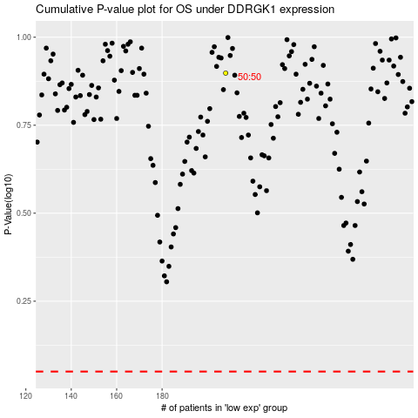

 |  |  |  |  |  | cases_OS | p_OS | rank | exp
 |  |  |  |  |  |  | cases_RFS | p_RFS | rank | exp

