DDX1 _multivariate
Reported by Tex Li-Hsing Chi. tex@gate.sinica.edu.tw 2019-08-20

Table 2. The clinicopathological features of HNSCC cohort and DDX1 expression. (Chi square test)
Cutoff at -0.088 (50.0%)
 |  | DDX1 expression |  | DDX1 expression |  | (Optimised)
 | Features | Low | (%) | High | (%) | Case no | P-value | Remark | Matthews
Gender | Female | 158 | 38.1 | 148 | 35.7 | 415 | 0.2774 | 0 | 0
2 | Male | 49 | 11.8 | 60 | 14.5
Age at diagnosis | <=65y | 141 | 34 | 133 | 32 | 415 | 0.4272 | 0 | 0
4 | >65y | 66 | 15.9 | 75 | 18.1
Clinical T Status | T1+T2 | 67 | 16.1 | 82 | 19.8 | 415 | 0.1628 | 0 | 0
6 | T3+T4 | 140 | 33.7 | 126 | 30.4
Clinical N Status | N0 | 103 | 24.8 | 113 | 27.2 | 415 | 0.4047 | 0 | 0
8 | N1-3 | 104 | 25.1 | 95 | 22.9
Clinical M Status | M0 | 207 | 49.9 | 205 | 49.4 | 415 | 0.2482 | 0 | 0
10 | M1 | 0 | 0 | 3 | 0.7
Clinical Stage | Stage I+II | 48 | 11.6 | 54 | 13 | 415 | 0.5878 | 0 | 0
12 | Stage III+IV | 159 | 38.3 | 154 | 37.1
Surgical Margin status | Negative | 165 | 39.8 | 153 | 36.9 | 415 | 0.1639 | 0 | 0
14 | Positive | 42 | 10.1 | 55 | 13.3
Tobacco Exposure | Low | 74 | 17.8 | 87 | 21 | 415 | 0.227 | 0 | 0
16 | High | 133 | 32 | 121 | 29.2

Table 3. Univariate/Multivariate Cox's proportional hazards regression analyses on OS time of DDX1 gene expression in HNSCC

 |  | Univariate |  |  |  | Multivariate
 | Features | HR | CI95%(L) | CI95%(H) | P-value | HR | CI95%(L) | CI95%(H) | P-value
1 | Female | 1 |  |  |  | 1
Gender | Male | 1.157 | 0.843 | 1.587 | 0.367 | 1.195 | 0.856 | 1.67 | 0.296
11 | <=65y | 1 |  |  |  | 1
Age at diagnosis | >65y | 1.329 | 0.99 | 1.784 | 0.058 | 1.382 | 1.016 | 1.879 | 0.039
12 | T1+T2 | 1 |  |  |  | 1
Clinical T Status | T3+T4 | 1.409 | 1.028 | 1.931 | 0.033 | 2.225 | 1.176 | 4.209 | 0.014
13 | N0 | 1 |  |  |  | 1
Clinical N Status | N1-3 | 1.185 | 0.89 | 1.577 | 0.246 | 1.255 | 0.878 | 1.794 | 0.212
14 | M0 | 1 |  |  |  | 1
Clinical M Status | M1 | 4.097 | 1.009 | 16.644 | 0.049 | 8.909 | 1.931 | 41.108 | 0.005
15 | Stage I+II | 1 |  |  |  | 1
Clinical Stage | Stage III+IV | 1.245 | 0.882 | 1.759 | 0.213 | 0.498 | 0.232 | 1.069 | 0.074
16 | Negative | 1 |  |  |  | 1
Surgical Margin status | Positive | 1.591 | 1.155 | 2.191 | 0.004 | 1.659 | 1.2 | 2.294 | 0.002
17 | Low | 1 |  |  |  | 1
Tobacco Exposure | High | 1.364 | 1.008 | 1.844 | 0.044 | 1.454 | 1.055 | 2.003 | 0.022
18 | Low | 1 |  |  |  | 1
RNAseq(z-score) | High | 1.153 | 0.863 | 1.539 | 0.336 | 1.117 | 0.832 | 1.498 | 0.462

Table 4. Univariate/Multivariate Cox's proportional hazards regression analyses on RFS time of DDX1 gene expression in HNSCC

 |  | Univariate |  |  |  | Multivariate
 | Features | HR | CI95%(L) | CI95%(H) | P-value | HR | CI95%(L) | CI95%(H) | P-value
1 | Female | 1 |  |  |  | 1
Gender | Male | 1.157 | 0.843 | 1.587 | 0.367 | 1.195 | 0.856 | 1.67 | 0.296
11 | <=65y | 1 |  |  |  | 1
Age at diagnosis | >65y | 1.329 | 0.99 | 1.784 | 0.058 | 1.382 | 1.016 | 1.879 | 0.039
12 | T1+T2 | 1 |  |  |  | 1
Clinical T Status | T3+T4 | 1.409 | 1.028 | 1.931 | 0.033 | 2.225 | 1.176 | 4.209 | 0.014
13 | N0 | 1 |  |  |  | 1
Clinical N Status | N1-3 | 1.185 | 0.89 | 1.577 | 0.246 | 1.255 | 0.878 | 1.794 | 0.212
14 | M0 | 1 |  |  |  | 1
Clinical M Status | M1 | 4.097 | 1.009 | 16.644 | 0.049 | 8.909 | 1.931 | 41.108 | 0.005
15 | Stage I+II | 1 |  |  |  | 1
Clinical Stage | Stage III+IV | 1.245 | 0.882 | 1.759 | 0.213 | 0.498 | 0.232 | 1.069 | 0.074
16 | Negative | 1 |  |  |  | 1
Surgical Margin status | Positive | 1.591 | 1.155 | 2.191 | 0.004 | 1.659 | 1.2 | 2.294 | 0.002
17 | Low | 1 |  |  |  | 1
Tobacco Exposure | High | 1.364 | 1.008 | 1.844 | 0.044 | 1.454 | 1.055 | 2.003 | 0.022
18 | Low | 1 |  |  |  | 1
RNAseq(z-score) | High | 1.153 | 0.863 | 1.539 | 0.336 | 1.117 | 0.832 | 1.498 | 0.462

Kaplan-Meier survival estimate: Cutoff at -0.088 (50.0%)



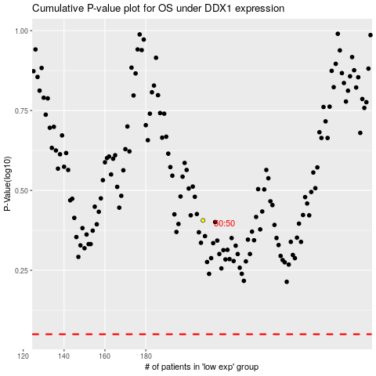

 |  |  |  |  |  | cases_OS | p_OS | rank | exp
 |  |  |  |  |  |  | cases_RFS | p_RFS | rank | exp

