DDX11L2 _multivariate
Reported by Tex Li-Hsing Chi. tex@gate.sinica.edu.tw 2019-08-20

Table 2. The clinicopathological features of HNSCC cohort and DDX11L2 expression. (Chi square test)
Cutoff at -0.333 (49.8%)
 |  | DDX11L2 expression |  | DDX11L2 expression |  | (Optimised)
 | Features | Low | (%) | High | (%) | Case no | P-value | Remark | Matthews
Gender | Female | 153 | 36.9 | 153 | 36.9 | 415 | 1 | 0 | 0
2 | Male | 54 | 13 | 55 | 13.3
Age at diagnosis | <=65y | 133 | 32 | 141 | 34 | 415 | 0.5111 | 0 | 0
4 | >65y | 74 | 17.8 | 67 | 16.1
Clinical T Status | T1+T2 | 65 | 15.7 | 84 | 20.2 | 415 | 0.0711 | 0 | 0
6 | T3+T4 | 142 | 34.2 | 124 | 29.9
Clinical N Status | N0 | 101 | 24.3 | 115 | 27.7 | 415 | 0.2201 | 0 | 0
8 | N1-3 | 106 | 25.5 | 93 | 22.4
Clinical M Status | M0 | 204 | 49.2 | 208 | 50.1 | 415 | 0.1232 | 0 | 0
10 | M1 | 3 | 0.7 | 0 | 0
Clinical Stage | Stage I+II | 42 | 10.1 | 60 | 14.5 | 415 | 0.0561 | 0 | 0
12 | Stage III+IV | 165 | 39.8 | 148 | 35.7
Surgical Margin status | Negative | 155 | 37.3 | 163 | 39.3 | 415 | 0.4187 | 0 | 0
14 | Positive | 52 | 12.5 | 45 | 10.8
Tobacco Exposure | Low | 82 | 19.8 | 79 | 19 | 415 | 0.763 | 0 | 0
16 | High | 125 | 30.1 | 129 | 31.1

Table 3. Univariate/Multivariate Cox's proportional hazards regression analyses on OS time of DDX11L2 gene expression in HNSCC

 |  | Univariate |  |  |  | Multivariate
 | Features | HR | CI95%(L) | CI95%(H) | P-value | HR | CI95%(L) | CI95%(H) | P-value
1 | Female | 1 |  |  |  | 1
Gender | Male | 1.157 | 0.843 | 1.587 | 0.367 | 1.208 | 0.864 | 1.688 | 0.27
11 | <=65y | 1 |  |  |  | 1
Age at diagnosis | >65y | 1.329 | 0.99 | 1.784 | 0.058 | 1.404 | 1.032 | 1.908 | 0.031
12 | T1+T2 | 1 |  |  |  | 1
Clinical T Status | T3+T4 | 1.409 | 1.028 | 1.931 | 0.033 | 2.263 | 1.196 | 4.282 | 0.012
13 | N0 | 1 |  |  |  | 1
Clinical N Status | N1-3 | 1.185 | 0.89 | 1.577 | 0.246 | 1.272 | 0.89 | 1.817 | 0.187
14 | M0 | 1 |  |  |  | 1
Clinical M Status | M1 | 4.097 | 1.009 | 16.644 | 0.049 | 10.811 | 2.334 | 50.082 | 0.002
15 | Stage I+II | 1 |  |  |  | 1
Clinical Stage | Stage III+IV | 1.245 | 0.882 | 1.759 | 0.213 | 0.496 | 0.231 | 1.065 | 0.072
16 | Negative | 1 |  |  |  | 1
Surgical Margin status | Positive | 1.591 | 1.155 | 2.191 | 0.004 | 1.685 | 1.219 | 2.329 | 0.002
17 | Low | 1 |  |  |  | 1
Tobacco Exposure | High | 1.364 | 1.008 | 1.844 | 0.044 | 1.451 | 1.052 | 2 | 0.023
18 | Low | 1 |  |  |  | 1
RNAseq(z-score) | High | 1.17 | 0.876 | 1.564 | 0.287 | 1.271 | 0.947 | 1.705 | 0.11

Table 4. Univariate/Multivariate Cox's proportional hazards regression analyses on RFS time of DDX11L2 gene expression in HNSCC

 |  | Univariate |  |  |  | Multivariate
 | Features | HR | CI95%(L) | CI95%(H) | P-value | HR | CI95%(L) | CI95%(H) | P-value
1 | Female | 1 |  |  |  | 1
Gender | Male | 1.157 | 0.843 | 1.587 | 0.367 | 1.208 | 0.864 | 1.688 | 0.27
11 | <=65y | 1 |  |  |  | 1
Age at diagnosis | >65y | 1.329 | 0.99 | 1.784 | 0.058 | 1.404 | 1.032 | 1.908 | 0.031
12 | T1+T2 | 1 |  |  |  | 1
Clinical T Status | T3+T4 | 1.409 | 1.028 | 1.931 | 0.033 | 2.263 | 1.196 | 4.282 | 0.012
13 | N0 | 1 |  |  |  | 1
Clinical N Status | N1-3 | 1.185 | 0.89 | 1.577 | 0.246 | 1.272 | 0.89 | 1.817 | 0.187
14 | M0 | 1 |  |  |  | 1
Clinical M Status | M1 | 4.097 | 1.009 | 16.644 | 0.049 | 10.811 | 2.334 | 50.082 | 0.002
15 | Stage I+II | 1 |  |  |  | 1
Clinical Stage | Stage III+IV | 1.245 | 0.882 | 1.759 | 0.213 | 0.496 | 0.231 | 1.065 | 0.072
16 | Negative | 1 |  |  |  | 1
Surgical Margin status | Positive | 1.591 | 1.155 | 2.191 | 0.004 | 1.685 | 1.219 | 2.329 | 0.002
17 | Low | 1 |  |  |  | 1
Tobacco Exposure | High | 1.364 | 1.008 | 1.844 | 0.044 | 1.451 | 1.052 | 2 | 0.023
18 | Low | 1 |  |  |  | 1
RNAseq(z-score) | High | 1.17 | 0.876 | 1.564 | 0.287 | 1.271 | 0.947 | 1.705 | 0.11

Kaplan-Meier survival estimate: Cutoff at -0.333 (49.8%)



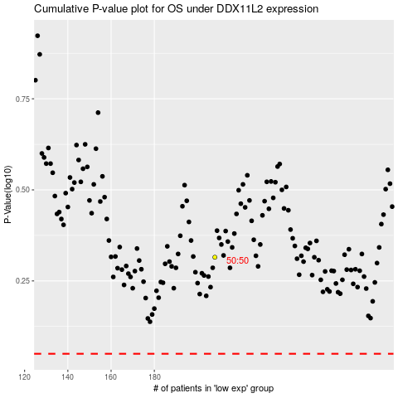

 |  |  |  |  |  | cases_OS | p_OS | rank | exp
 |  |  |  |  |  |  | cases_RFS | p_RFS | rank | exp

