DDX28 _multivariate
Reported by Tex Li-Hsing Chi. tex@gate.sinica.edu.tw 2019-08-20

Table 2. The clinicopathological features of HNSCC cohort and DDX28 expression. (Chi square test)
Cutoff at -0.123 (50.0%)
 |  | DDX28 expression |  | DDX28 expression |  | (Optimised)
 | Features | Low | (%) | High | (%) | Case no | P-value | Remark | Matthews
Gender | Female | 155 | 37.3 | 151 | 36.4 | 415 | 0.6768 | 0 | 0
2 | Male | 52 | 12.5 | 57 | 13.7
Age at diagnosis | <=65y | 143 | 34.5 | 131 | 31.6 | 415 | 0.2269 | 0 | 0
4 | >65y | 64 | 15.4 | 77 | 18.6
Clinical T Status | T1+T2 | 81 | 19.5 | 68 | 16.4 | 415 | 0.206 | 0 | 0
6 | T3+T4 | 126 | 30.4 | 140 | 33.7
Clinical N Status | N0 | 103 | 24.8 | 113 | 27.2 | 415 | 0.4047 | 0 | 0
8 | N1-3 | 104 | 25.1 | 95 | 22.9
Clinical M Status | M0 | 207 | 49.9 | 205 | 49.4 | 415 | 0.2482 | 0 | 0
10 | M1 | 0 | 0 | 3 | 0.7
Clinical Stage | Stage I+II | 53 | 12.8 | 49 | 11.8 | 415 | 0.7113 | 0 | 0
12 | Stage III+IV | 154 | 37.1 | 159 | 38.3
Surgical Margin status | Negative | 163 | 39.3 | 155 | 37.3 | 415 | 0.3537 | 0 | 0
14 | Positive | 44 | 10.6 | 53 | 12.8
Tobacco Exposure | Low | 73 | 17.6 | 88 | 21.2 | 415 | 0.1587 | 0 | 0
16 | High | 134 | 32.3 | 120 | 28.9

Table 3. Univariate/Multivariate Cox's proportional hazards regression analyses on OS time of DDX28 gene expression in HNSCC

 |  | Univariate |  |  |  | Multivariate
 | Features | HR | CI95%(L) | CI95%(H) | P-value | HR | CI95%(L) | CI95%(H) | P-value
1 | Female | 1 |  |  |  | 1
Gender | Male | 1.157 | 0.843 | 1.587 | 0.367 | 1.199 | 0.858 | 1.676 | 0.289
11 | <=65y | 1 |  |  |  | 1
Age at diagnosis | >65y | 1.329 | 0.99 | 1.784 | 0.058 | 1.391 | 1.023 | 1.89 | 0.035
12 | T1+T2 | 1 |  |  |  | 1
Clinical T Status | T3+T4 | 1.409 | 1.028 | 1.931 | 0.033 | 2.183 | 1.152 | 4.139 | 0.017
13 | N0 | 1 |  |  |  | 1
Clinical N Status | N1-3 | 1.185 | 0.89 | 1.577 | 0.246 | 1.241 | 0.87 | 1.771 | 0.234
14 | M0 | 1 |  |  |  | 1
Clinical M Status | M1 | 4.097 | 1.009 | 16.644 | 0.049 | 9.122 | 1.964 | 42.372 | 0.005
15 | Stage I+II | 1 |  |  |  | 1
Clinical Stage | Stage III+IV | 1.245 | 0.882 | 1.759 | 0.213 | 0.509 | 0.237 | 1.095 | 0.084
16 | Negative | 1 |  |  |  | 1
Surgical Margin status | Positive | 1.591 | 1.155 | 2.191 | 0.004 | 1.665 | 1.204 | 2.303 | 0.002
17 | Low | 1 |  |  |  | 1
Tobacco Exposure | High | 1.364 | 1.008 | 1.844 | 0.044 | 1.46 | 1.058 | 2.015 | 0.021
18 | Low | 1 |  |  |  | 1
RNAseq(z-score) | High | 1.125 | 0.844 | 1.499 | 0.424 | 1.046 | 0.779 | 1.403 | 0.766

Table 4. Univariate/Multivariate Cox's proportional hazards regression analyses on RFS time of DDX28 gene expression in HNSCC

 |  | Univariate |  |  |  | Multivariate
 | Features | HR | CI95%(L) | CI95%(H) | P-value | HR | CI95%(L) | CI95%(H) | P-value
1 | Female | 1 |  |  |  | 1
Gender | Male | 1.157 | 0.843 | 1.587 | 0.367 | 1.199 | 0.858 | 1.676 | 0.289
11 | <=65y | 1 |  |  |  | 1
Age at diagnosis | >65y | 1.329 | 0.99 | 1.784 | 0.058 | 1.391 | 1.023 | 1.89 | 0.035
12 | T1+T2 | 1 |  |  |  | 1
Clinical T Status | T3+T4 | 1.409 | 1.028 | 1.931 | 0.033 | 2.183 | 1.152 | 4.139 | 0.017
13 | N0 | 1 |  |  |  | 1
Clinical N Status | N1-3 | 1.185 | 0.89 | 1.577 | 0.246 | 1.241 | 0.87 | 1.771 | 0.234
14 | M0 | 1 |  |  |  | 1
Clinical M Status | M1 | 4.097 | 1.009 | 16.644 | 0.049 | 9.122 | 1.964 | 42.372 | 0.005
15 | Stage I+II | 1 |  |  |  | 1
Clinical Stage | Stage III+IV | 1.245 | 0.882 | 1.759 | 0.213 | 0.509 | 0.237 | 1.095 | 0.084
16 | Negative | 1 |  |  |  | 1
Surgical Margin status | Positive | 1.591 | 1.155 | 2.191 | 0.004 | 1.665 | 1.204 | 2.303 | 0.002
17 | Low | 1 |  |  |  | 1
Tobacco Exposure | High | 1.364 | 1.008 | 1.844 | 0.044 | 1.46 | 1.058 | 2.015 | 0.021
18 | Low | 1 |  |  |  | 1
RNAseq(z-score) | High | 1.125 | 0.844 | 1.499 | 0.424 | 1.046 | 0.779 | 1.403 | 0.766

Kaplan-Meier survival estimate: Cutoff at -0.123 (50.0%)



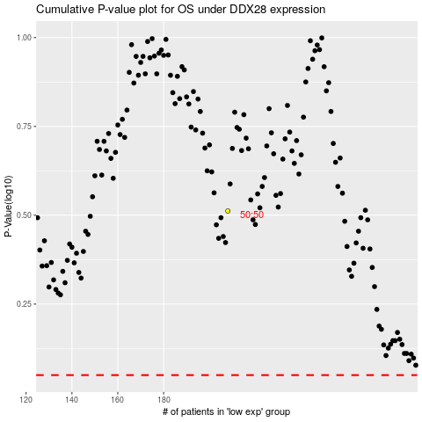

 |  |  |  |  |  | cases_OS | p_OS | rank | exp
 |  |  |  |  |  |  | cases_RFS | p_RFS | rank | exp

