DDX39 _multivariate
Reported by Tex Li-Hsing Chi. tex@gate.sinica.edu.tw 2019-08-20

Table 2. The clinicopathological features of HNSCC cohort and DDX39 expression. (Chi square test)
Cutoff at -0.182 (49.8%)
 |  | DDX39 expression |  | DDX39 expression |  | (Optimised)
 | Features | Low | (%) | High | (%) | Case no | P-value | Remark | Matthews
Gender | Female | 144 | 34.7 | 162 | 39 | 415 | 0.0697 | 0 | 0
2 | Male | 63 | 15.2 | 46 | 11.1
Age at diagnosis | <=65y | 136 | 32.8 | 138 | 33.3 | 415 | 0.9719 | 0 | 0
4 | >65y | 71 | 17.1 | 70 | 16.9
Clinical T Status | T1+T2 | 77 | 18.6 | 72 | 17.3 | 415 | 0.6556 | 0 | 0
6 | T3+T4 | 130 | 31.3 | 136 | 32.8
Clinical N Status | N0 | 108 | 26 | 108 | 26 | 415 | 1 | 0 | 0
8 | N1-3 | 99 | 23.9 | 100 | 24.1
Clinical M Status | M0 | 206 | 49.6 | 206 | 49.6 | 415 | 1 | 0 | 0
10 | M1 | 1 | 0.2 | 2 | 0.5
Clinical Stage | Stage I+II | 52 | 12.5 | 50 | 12 | 415 | 0.8871 | 0 | 0
12 | Stage III+IV | 155 | 37.3 | 158 | 38.1
Surgical Margin status | Negative | 160 | 38.6 | 158 | 38.1 | 415 | 0.8167 | 0 | 0
14 | Positive | 47 | 11.3 | 50 | 12
Tobacco Exposure | Low | 92 | 22.2 | 69 | 16.6 | 415 | 0.0206 | 1 | 0
16 | High | 115 | 27.7 | 139 | 33.5

Table 3. Univariate/Multivariate Cox's proportional hazards regression analyses on OS time of DDX39 gene expression in HNSCC

 |  | Univariate |  |  |  | Multivariate
 | Features | HR | CI95%(L) | CI95%(H) | P-value | HR | CI95%(L) | CI95%(H) | P-value
1 | Female | 1 |  |  |  | 1
Gender | Male | 1.157 | 0.843 | 1.587 | 0.367 | 1.154 | 0.825 | 1.614 | 0.403
11 | <=65y | 1 |  |  |  | 1
Age at diagnosis | >65y | 1.329 | 0.99 | 1.784 | 0.058 | 1.426 | 1.047 | 1.94 | 0.024
12 | T1+T2 | 1 |  |  |  | 1
Clinical T Status | T3+T4 | 1.409 | 1.028 | 1.931 | 0.033 | 2.292 | 1.209 | 4.344 | 0.011
13 | N0 | 1 |  |  |  | 1
Clinical N Status | N1-3 | 1.185 | 0.89 | 1.577 | 0.246 | 1.263 | 0.885 | 1.803 | 0.198
14 | M0 | 1 |  |  |  | 1
Clinical M Status | M1 | 4.097 | 1.009 | 16.644 | 0.049 | 10.408 | 2.26 | 47.925 | 0.003
15 | Stage I+II | 1 |  |  |  | 1
Clinical Stage | Stage III+IV | 1.245 | 0.882 | 1.759 | 0.213 | 0.481 | 0.224 | 1.035 | 0.061
16 | Negative | 1 |  |  |  | 1
Surgical Margin status | Positive | 1.591 | 1.155 | 2.191 | 0.004 | 1.68 | 1.216 | 2.322 | 0.002
17 | Low | 1 |  |  |  | 1
Tobacco Exposure | High | 1.364 | 1.008 | 1.844 | 0.044 | 1.489 | 1.081 | 2.052 | 0.015
18 | Low | 1 |  |  |  | 1
RNAseq(z-score) | High | 0.828 | 0.62 | 1.104 | 0.198 | 0.766 | 0.571 | 1.027 | 0.075

Table 4. Univariate/Multivariate Cox's proportional hazards regression analyses on RFS time of DDX39 gene expression in HNSCC

 |  | Univariate |  |  |  | Multivariate
 | Features | HR | CI95%(L) | CI95%(H) | P-value | HR | CI95%(L) | CI95%(H) | P-value
1 | Female | 1 |  |  |  | 1
Gender | Male | 1.157 | 0.843 | 1.587 | 0.367 | 1.154 | 0.825 | 1.614 | 0.403
11 | <=65y | 1 |  |  |  | 1
Age at diagnosis | >65y | 1.329 | 0.99 | 1.784 | 0.058 | 1.426 | 1.047 | 1.94 | 0.024
12 | T1+T2 | 1 |  |  |  | 1
Clinical T Status | T3+T4 | 1.409 | 1.028 | 1.931 | 0.033 | 2.292 | 1.209 | 4.344 | 0.011
13 | N0 | 1 |  |  |  | 1
Clinical N Status | N1-3 | 1.185 | 0.89 | 1.577 | 0.246 | 1.263 | 0.885 | 1.803 | 0.198
14 | M0 | 1 |  |  |  | 1
Clinical M Status | M1 | 4.097 | 1.009 | 16.644 | 0.049 | 10.408 | 2.26 | 47.925 | 0.003
15 | Stage I+II | 1 |  |  |  | 1
Clinical Stage | Stage III+IV | 1.245 | 0.882 | 1.759 | 0.213 | 0.481 | 0.224 | 1.035 | 0.061
16 | Negative | 1 |  |  |  | 1
Surgical Margin status | Positive | 1.591 | 1.155 | 2.191 | 0.004 | 1.68 | 1.216 | 2.322 | 0.002
17 | Low | 1 |  |  |  | 1
Tobacco Exposure | High | 1.364 | 1.008 | 1.844 | 0.044 | 1.489 | 1.081 | 2.052 | 0.015
18 | Low | 1 |  |  |  | 1
RNAseq(z-score) | High | 0.828 | 0.62 | 1.104 | 0.198 | 0.766 | 0.571 | 1.027 | 0.075

Kaplan-Meier survival estimate: Cutoff at -0.182 (49.8%)



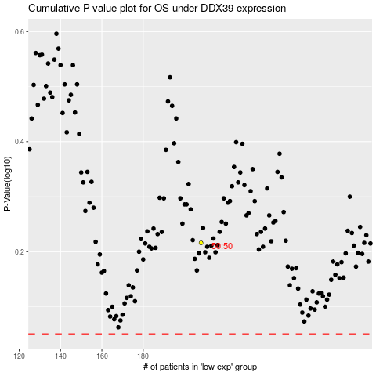

 |  |  |  |  |  | cases_OS | p_OS | rank | exp
 |  |  |  |  |  |  | cases_RFS | p_RFS | rank | exp

