DDX41 _multivariate
Reported by Tex Li-Hsing Chi. tex@gate.sinica.edu.tw 2019-08-20

Table 2. The clinicopathological features of HNSCC cohort and DDX41 expression. (Chi square test)
Cutoff at -0.158 (49.8%)
 |  | DDX41 expression |  | DDX41 expression |  | (Optimised)
 | Features | Low | (%) | High | (%) | Case no | P-value | Remark | Matthews
Gender | Female | 159 | 38.3 | 147 | 35.4 | 415 | 0.1905 | 0 | 0
2 | Male | 48 | 11.6 | 61 | 14.7
Age at diagnosis | <=65y | 138 | 33.3 | 136 | 32.8 | 415 | 0.8634 | 0 | 0
4 | >65y | 69 | 16.6 | 72 | 17.3
Clinical T Status | T1+T2 | 78 | 18.8 | 71 | 17.1 | 415 | 0.5152 | 0 | 0
6 | T3+T4 | 129 | 31.1 | 137 | 33
Clinical N Status | N0 | 106 | 25.5 | 110 | 26.5 | 415 | 0.8075 | 0 | 0
8 | N1-3 | 101 | 24.3 | 98 | 23.6
Clinical M Status | M0 | 207 | 49.9 | 205 | 49.4 | 415 | 0.2482 | 0 | 0
10 | M1 | 0 | 0 | 3 | 0.7
Clinical Stage | Stage I+II | 56 | 13.5 | 46 | 11.1 | 415 | 0.2918 | 0 | 0
12 | Stage III+IV | 151 | 36.4 | 162 | 39
Surgical Margin status | Negative | 164 | 39.5 | 154 | 37.1 | 415 | 0.2462 | 0 | 0
14 | Positive | 43 | 10.4 | 54 | 13
Tobacco Exposure | Low | 68 | 16.4 | 93 | 22.4 | 415 | 0.0156 | 1 | 0
16 | High | 139 | 33.5 | 115 | 27.7

Table 3. Univariate/Multivariate Cox's proportional hazards regression analyses on OS time of DDX41 gene expression in HNSCC

 |  | Univariate |  |  |  | Multivariate
 | Features | HR | CI95%(L) | CI95%(H) | P-value | HR | CI95%(L) | CI95%(H) | P-value
1 | Female | 1 |  |  |  | 1
Gender | Male | 1.157 | 0.843 | 1.587 | 0.367 | 1.188 | 0.85 | 1.661 | 0.313
11 | <=65y | 1 |  |  |  | 1
Age at diagnosis | >65y | 1.329 | 0.99 | 1.784 | 0.058 | 1.407 | 1.034 | 1.914 | 0.03
12 | T1+T2 | 1 |  |  |  | 1
Clinical T Status | T3+T4 | 1.409 | 1.028 | 1.931 | 0.033 | 2.186 | 1.157 | 4.131 | 0.016
13 | N0 | 1 |  |  |  | 1
Clinical N Status | N1-3 | 1.185 | 0.89 | 1.577 | 0.246 | 1.254 | 0.879 | 1.79 | 0.212
14 | M0 | 1 |  |  |  | 1
Clinical M Status | M1 | 4.097 | 1.009 | 16.644 | 0.049 | 8.737 | 1.888 | 40.425 | 0.006
15 | Stage I+II | 1 |  |  |  | 1
Clinical Stage | Stage III+IV | 1.245 | 0.882 | 1.759 | 0.213 | 0.504 | 0.235 | 1.081 | 0.078
16 | Negative | 1 |  |  |  | 1
Surgical Margin status | Positive | 1.591 | 1.155 | 2.191 | 0.004 | 1.634 | 1.178 | 2.267 | 0.003
17 | Low | 1 |  |  |  | 1
Tobacco Exposure | High | 1.364 | 1.008 | 1.844 | 0.044 | 1.495 | 1.077 | 2.075 | 0.016
18 | Low | 1 |  |  |  | 1
RNAseq(z-score) | High | 1.145 | 0.859 | 1.527 | 0.354 | 1.136 | 0.84 | 1.537 | 0.406

Table 4. Univariate/Multivariate Cox's proportional hazards regression analyses on RFS time of DDX41 gene expression in HNSCC

 |  | Univariate |  |  |  | Multivariate
 | Features | HR | CI95%(L) | CI95%(H) | P-value | HR | CI95%(L) | CI95%(H) | P-value
1 | Female | 1 |  |  |  | 1
Gender | Male | 1.157 | 0.843 | 1.587 | 0.367 | 1.188 | 0.85 | 1.661 | 0.313
11 | <=65y | 1 |  |  |  | 1
Age at diagnosis | >65y | 1.329 | 0.99 | 1.784 | 0.058 | 1.407 | 1.034 | 1.914 | 0.03
12 | T1+T2 | 1 |  |  |  | 1
Clinical T Status | T3+T4 | 1.409 | 1.028 | 1.931 | 0.033 | 2.186 | 1.157 | 4.131 | 0.016
13 | N0 | 1 |  |  |  | 1
Clinical N Status | N1-3 | 1.185 | 0.89 | 1.577 | 0.246 | 1.254 | 0.879 | 1.79 | 0.212
14 | M0 | 1 |  |  |  | 1
Clinical M Status | M1 | 4.097 | 1.009 | 16.644 | 0.049 | 8.737 | 1.888 | 40.425 | 0.006
15 | Stage I+II | 1 |  |  |  | 1
Clinical Stage | Stage III+IV | 1.245 | 0.882 | 1.759 | 0.213 | 0.504 | 0.235 | 1.081 | 0.078
16 | Negative | 1 |  |  |  | 1
Surgical Margin status | Positive | 1.591 | 1.155 | 2.191 | 0.004 | 1.634 | 1.178 | 2.267 | 0.003
17 | Low | 1 |  |  |  | 1
Tobacco Exposure | High | 1.364 | 1.008 | 1.844 | 0.044 | 1.495 | 1.077 | 2.075 | 0.016
18 | Low | 1 |  |  |  | 1
RNAseq(z-score) | High | 1.145 | 0.859 | 1.527 | 0.354 | 1.136 | 0.84 | 1.537 | 0.406

Kaplan-Meier survival estimate: Cutoff at -0.158 (49.8%)



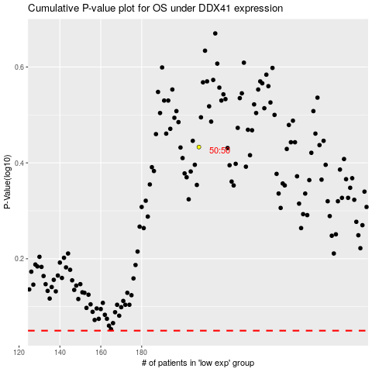

 |  |  |  |  |  | cases_OS | p_OS | rank | exp
 |  |  |  |  |  |  | cases_RFS | p_RFS | rank | exp

