DDX49 _multivariate
Reported by Tex Li-Hsing Chi. tex@gate.sinica.edu.tw 2019-08-20

Table 2. The clinicopathological features of HNSCC cohort and DDX49 expression. (Chi square test)
Cutoff at -0.216 (49.8%)
 |  | DDX49 expression |  | DDX49 expression |  | (Optimised)
 | Features | Low | (%) | High | (%) | Case no | P-value | Remark | Matthews
Gender | Female | 146 | 35.2 | 160 | 38.6 | 415 | 0.1714 | 0 | 0
2 | Male | 61 | 14.7 | 48 | 11.6
Age at diagnosis | <=65y | 144 | 34.7 | 130 | 31.3 | 415 | 0.1568 | 0 | 0
4 | >65y | 63 | 15.2 | 78 | 18.8
Clinical T Status | T1+T2 | 81 | 19.5 | 68 | 16.4 | 415 | 0.206 | 0 | 0
6 | T3+T4 | 126 | 30.4 | 140 | 33.7
Clinical N Status | N0 | 107 | 25.8 | 109 | 26.3 | 415 | 0.9624 | 0 | 0
8 | N1-3 | 100 | 24.1 | 99 | 23.9
Clinical M Status | M0 | 207 | 49.9 | 205 | 49.4 | 415 | 0.2482 | 0 | 0
10 | M1 | 0 | 0 | 3 | 0.7
Clinical Stage | Stage I+II | 56 | 13.5 | 46 | 11.1 | 415 | 0.2918 | 0 | 0
12 | Stage III+IV | 151 | 36.4 | 162 | 39
Surgical Margin status | Negative | 159 | 38.3 | 159 | 38.3 | 415 | 1 | 0 | 0
14 | Positive | 48 | 11.6 | 49 | 11.8
Tobacco Exposure | Low | 87 | 21 | 74 | 17.8 | 415 | 0.1911 | 0 | 0
16 | High | 120 | 28.9 | 134 | 32.3

Table 3. Univariate/Multivariate Cox's proportional hazards regression analyses on OS time of DDX49 gene expression in HNSCC

 |  | Univariate |  |  |  | Multivariate
 | Features | HR | CI95%(L) | CI95%(H) | P-value | HR | CI95%(L) | CI95%(H) | P-value
1 | Female | 1 |  |  |  | 1
Gender | Male | 1.157 | 0.843 | 1.587 | 0.367 | 1.165 | 0.835 | 1.627 | 0.369
11 | <=65y | 1 |  |  |  | 1
Age at diagnosis | >65y | 1.329 | 0.99 | 1.784 | 0.058 | 1.445 | 1.061 | 1.966 | 0.019
12 | T1+T2 | 1 |  |  |  | 1
Clinical T Status | T3+T4 | 1.409 | 1.028 | 1.931 | 0.033 | 2.382 | 1.255 | 4.522 | 0.008
13 | N0 | 1 |  |  |  | 1
Clinical N Status | N1-3 | 1.185 | 0.89 | 1.577 | 0.246 | 1.267 | 0.888 | 1.808 | 0.192
14 | M0 | 1 |  |  |  | 1
Clinical M Status | M1 | 4.097 | 1.009 | 16.644 | 0.049 | 12.221 | 2.624 | 56.924 | 0.001
15 | Stage I+II | 1 |  |  |  | 1
Clinical Stage | Stage III+IV | 1.245 | 0.882 | 1.759 | 0.213 | 0.481 | 0.223 | 1.034 | 0.061
16 | Negative | 1 |  |  |  | 1
Surgical Margin status | Positive | 1.591 | 1.155 | 2.191 | 0.004 | 1.729 | 1.248 | 2.394 | 0.001
17 | Low | 1 |  |  |  | 1
Tobacco Exposure | High | 1.364 | 1.008 | 1.844 | 0.044 | 1.509 | 1.094 | 2.081 | 0.012
18 | Low | 1 |  |  |  | 1
RNAseq(z-score) | High | 0.813 | 0.61 | 1.083 | 0.157 | 0.685 | 0.509 | 0.921 | 0.012

Table 4. Univariate/Multivariate Cox's proportional hazards regression analyses on RFS time of DDX49 gene expression in HNSCC

 |  | Univariate |  |  |  | Multivariate
 | Features | HR | CI95%(L) | CI95%(H) | P-value | HR | CI95%(L) | CI95%(H) | P-value
1 | Female | 1 |  |  |  | 1
Gender | Male | 1.157 | 0.843 | 1.587 | 0.367 | 1.165 | 0.835 | 1.627 | 0.369
11 | <=65y | 1 |  |  |  | 1
Age at diagnosis | >65y | 1.329 | 0.99 | 1.784 | 0.058 | 1.445 | 1.061 | 1.966 | 0.019
12 | T1+T2 | 1 |  |  |  | 1
Clinical T Status | T3+T4 | 1.409 | 1.028 | 1.931 | 0.033 | 2.382 | 1.255 | 4.522 | 0.008
13 | N0 | 1 |  |  |  | 1
Clinical N Status | N1-3 | 1.185 | 0.89 | 1.577 | 0.246 | 1.267 | 0.888 | 1.808 | 0.192
14 | M0 | 1 |  |  |  | 1
Clinical M Status | M1 | 4.097 | 1.009 | 16.644 | 0.049 | 12.221 | 2.624 | 56.924 | 0.001
15 | Stage I+II | 1 |  |  |  | 1
Clinical Stage | Stage III+IV | 1.245 | 0.882 | 1.759 | 0.213 | 0.481 | 0.223 | 1.034 | 0.061
16 | Negative | 1 |  |  |  | 1
Surgical Margin status | Positive | 1.591 | 1.155 | 2.191 | 0.004 | 1.729 | 1.248 | 2.394 | 0.001
17 | Low | 1 |  |  |  | 1
Tobacco Exposure | High | 1.364 | 1.008 | 1.844 | 0.044 | 1.509 | 1.094 | 2.081 | 0.012
18 | Low | 1 |  |  |  | 1
RNAseq(z-score) | High | 0.813 | 0.61 | 1.083 | 0.157 | 0.685 | 0.509 | 0.921 | 0.012

Kaplan-Meier survival estimate: Cutoff at -0.216 (49.8%)



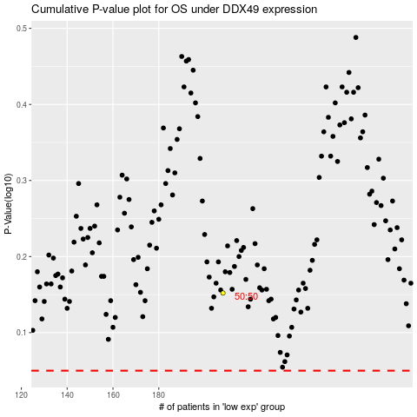

 |  |  |  |  |  | cases_OS | p_OS | rank | exp
 |  |  |  |  |  |  | cases_RFS | p_RFS | rank | exp

