DDX5 _multivariate
Reported by Tex Li-Hsing Chi. tex@gate.sinica.edu.tw 2019-08-20

Table 2. The clinicopathological features of HNSCC cohort and DDX5 expression. (Chi square test)
Cutoff at -0.13 (50.0%)
 |  | DDX5 expression |  | DDX5 expression |  | (Optimised)
 | Features | Low | (%) | High | (%) | Case no | P-value | Remark | Matthews
Gender | Female | 150 | 36.1 | 156 | 37.6 | 415 | 0.6344 | 0 | 0
2 | Male | 57 | 13.7 | 52 | 12.5
Age at diagnosis | <=65y | 139 | 33.5 | 135 | 32.5 | 415 | 0.7044 | 0 | 0
4 | >65y | 68 | 16.4 | 73 | 17.6
Clinical T Status | T1+T2 | 79 | 19 | 70 | 16.9 | 415 | 0.3924 | 0 | 0
6 | T3+T4 | 128 | 30.8 | 138 | 33.3
Clinical N Status | N0 | 109 | 26.3 | 107 | 25.8 | 415 | 0.8812 | 0 | 0
8 | N1-3 | 98 | 23.6 | 101 | 24.3
Clinical M Status | M0 | 205 | 49.4 | 207 | 49.9 | 415 | 0.6232 | 0 | 0
10 | M1 | 2 | 0.5 | 1 | 0.2
Clinical Stage | Stage I+II | 58 | 14 | 44 | 10.6 | 415 | 0.131 | 0 | 0
12 | Stage III+IV | 149 | 35.9 | 164 | 39.5
Surgical Margin status | Negative | 168 | 40.5 | 150 | 36.1 | 415 | 0.0366 | 1 | 0
14 | Positive | 39 | 9.4 | 58 | 14
Tobacco Exposure | Low | 84 | 20.2 | 77 | 18.6 | 415 | 0.4816 | 0 | 0
16 | High | 123 | 29.6 | 131 | 31.6

Table 3. Univariate/Multivariate Cox's proportional hazards regression analyses on OS time of DDX5 gene expression in HNSCC

 |  | Univariate |  |  |  | Multivariate
 | Features | HR | CI95%(L) | CI95%(H) | P-value | HR | CI95%(L) | CI95%(H) | P-value
1 | Female | 1 |  |  |  | 1
Gender | Male | 1.157 | 0.843 | 1.587 | 0.367 | 1.201 | 0.859 | 1.677 | 0.284
11 | <=65y | 1 |  |  |  | 1
Age at diagnosis | >65y | 1.329 | 0.99 | 1.784 | 0.058 | 1.393 | 1.025 | 1.894 | 0.034
12 | T1+T2 | 1 |  |  |  | 1
Clinical T Status | T3+T4 | 1.409 | 1.028 | 1.931 | 0.033 | 2.196 | 1.16 | 4.156 | 0.016
13 | N0 | 1 |  |  |  | 1
Clinical N Status | N1-3 | 1.185 | 0.89 | 1.577 | 0.246 | 1.237 | 0.865 | 1.769 | 0.243
14 | M0 | 1 |  |  |  | 1
Clinical M Status | M1 | 4.097 | 1.009 | 16.644 | 0.049 | 9.326 | 2.027 | 42.915 | 0.004
15 | Stage I+II | 1 |  |  |  | 1
Clinical Stage | Stage III+IV | 1.245 | 0.882 | 1.759 | 0.213 | 0.507 | 0.236 | 1.093 | 0.083
16 | Negative | 1 |  |  |  | 1
Surgical Margin status | Positive | 1.591 | 1.155 | 2.191 | 0.004 | 1.676 | 1.211 | 2.318 | 0.002
17 | Low | 1 |  |  |  | 1
Tobacco Exposure | High | 1.364 | 1.008 | 1.844 | 0.044 | 1.454 | 1.055 | 2.003 | 0.022
18 | Low | 1 |  |  |  | 1
RNAseq(z-score) | High | 0.996 | 0.747 | 1.327 | 0.976 | 0.977 | 0.73 | 1.309 | 0.877

Table 4. Univariate/Multivariate Cox's proportional hazards regression analyses on RFS time of DDX5 gene expression in HNSCC

 |  | Univariate |  |  |  | Multivariate
 | Features | HR | CI95%(L) | CI95%(H) | P-value | HR | CI95%(L) | CI95%(H) | P-value
1 | Female | 1 |  |  |  | 1
Gender | Male | 1.157 | 0.843 | 1.587 | 0.367 | 1.201 | 0.859 | 1.677 | 0.284
11 | <=65y | 1 |  |  |  | 1
Age at diagnosis | >65y | 1.329 | 0.99 | 1.784 | 0.058 | 1.393 | 1.025 | 1.894 | 0.034
12 | T1+T2 | 1 |  |  |  | 1
Clinical T Status | T3+T4 | 1.409 | 1.028 | 1.931 | 0.033 | 2.196 | 1.16 | 4.156 | 0.016
13 | N0 | 1 |  |  |  | 1
Clinical N Status | N1-3 | 1.185 | 0.89 | 1.577 | 0.246 | 1.237 | 0.865 | 1.769 | 0.243
14 | M0 | 1 |  |  |  | 1
Clinical M Status | M1 | 4.097 | 1.009 | 16.644 | 0.049 | 9.326 | 2.027 | 42.915 | 0.004
15 | Stage I+II | 1 |  |  |  | 1
Clinical Stage | Stage III+IV | 1.245 | 0.882 | 1.759 | 0.213 | 0.507 | 0.236 | 1.093 | 0.083
16 | Negative | 1 |  |  |  | 1
Surgical Margin status | Positive | 1.591 | 1.155 | 2.191 | 0.004 | 1.676 | 1.211 | 2.318 | 0.002
17 | Low | 1 |  |  |  | 1
Tobacco Exposure | High | 1.364 | 1.008 | 1.844 | 0.044 | 1.454 | 1.055 | 2.003 | 0.022
18 | Low | 1 |  |  |  | 1
RNAseq(z-score) | High | 0.996 | 0.747 | 1.327 | 0.976 | 0.977 | 0.73 | 1.309 | 0.877

Kaplan-Meier survival estimate: Cutoff at -0.13 (50.0%)



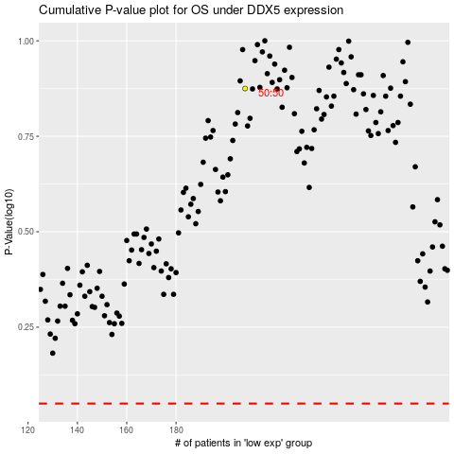

 |  |  |  |  |  | cases_OS | p_OS | rank | exp
 |  |  |  |  |  |  | cases_RFS | p_RFS | rank | exp

