DDX52 _multivariate
Reported by Tex Li-Hsing Chi. tex@gate.sinica.edu.tw 2019-08-20

Table 2. The clinicopathological features of HNSCC cohort and DDX52 expression. (Chi square test)
Cutoff at -0.104 (49.8%)
 |  | DDX52 expression |  | DDX52 expression |  | (Optimised)
 | Features | Low | (%) | High | (%) | Case no | P-value | Remark | Matthews
Gender | Female | 154 | 37.1 | 152 | 36.6 | 415 | 0.8463 | 0 | 0
2 | Male | 53 | 12.8 | 56 | 13.5
Age at diagnosis | <=65y | 142 | 34.2 | 132 | 31.8 | 415 | 0.3167 | 0 | 0
4 | >65y | 65 | 15.7 | 76 | 18.3
Clinical T Status | T1+T2 | 79 | 19 | 70 | 16.9 | 415 | 0.3924 | 0 | 0
6 | T3+T4 | 128 | 30.8 | 138 | 33.3
Clinical N Status | N0 | 114 | 27.5 | 102 | 24.6 | 415 | 0.2576 | 1 | 0
8 | N1-3 | 93 | 22.4 | 106 | 25.5
Clinical M Status | M0 | 205 | 49.4 | 207 | 49.9 | 415 | 0.6232 | 0 | 0
10 | M1 | 2 | 0.5 | 1 | 0.2
Clinical Stage | Stage I+II | 52 | 12.5 | 50 | 12 | 415 | 0.8871 | 0 | 0
12 | Stage III+IV | 155 | 37.3 | 158 | 38.1
Surgical Margin status | Negative | 160 | 38.6 | 158 | 38.1 | 415 | 0.8167 | 0 | 0
14 | Positive | 47 | 11.3 | 50 | 12
Tobacco Exposure | Low | 76 | 18.3 | 85 | 20.5 | 415 | 0.4207 | 0 | 0
16 | High | 131 | 31.6 | 123 | 29.6

Table 3. Univariate/Multivariate Cox's proportional hazards regression analyses on OS time of DDX52 gene expression in HNSCC

 |  | Univariate |  |  |  | Multivariate
 | Features | HR | CI95%(L) | CI95%(H) | P-value | HR | CI95%(L) | CI95%(H) | P-value
1 | Female | 1 |  |  |  | 1
Gender | Male | 1.157 | 0.843 | 1.587 | 0.367 | 1.215 | 0.869 | 1.7 | 0.254
11 | <=65y | 1 |  |  |  | 1
Age at diagnosis | >65y | 1.329 | 0.99 | 1.784 | 0.058 | 1.39 | 1.023 | 1.89 | 0.036
12 | T1+T2 | 1 |  |  |  | 1
Clinical T Status | T3+T4 | 1.409 | 1.028 | 1.931 | 0.033 | 2.155 | 1.139 | 4.079 | 0.018
13 | N0 | 1 |  |  |  | 1
Clinical N Status | N1-3 | 1.185 | 0.89 | 1.577 | 0.246 | 1.222 | 0.856 | 1.746 | 0.27
14 | M0 | 1 |  |  |  | 1
Clinical M Status | M1 | 4.097 | 1.009 | 16.644 | 0.049 | 9.539 | 2.081 | 43.735 | 0.004
15 | Stage I+II | 1 |  |  |  | 1
Clinical Stage | Stage III+IV | 1.245 | 0.882 | 1.759 | 0.213 | 0.515 | 0.24 | 1.107 | 0.089
16 | Negative | 1 |  |  |  | 1
Surgical Margin status | Positive | 1.591 | 1.155 | 2.191 | 0.004 | 1.691 | 1.223 | 2.339 | 0.001
17 | Low | 1 |  |  |  | 1
Tobacco Exposure | High | 1.364 | 1.008 | 1.844 | 0.044 | 1.467 | 1.063 | 2.023 | 0.02
18 | Low | 1 |  |  |  | 1
RNAseq(z-score) | High | 1.187 | 0.891 | 1.582 | 0.241 | 1.194 | 0.894 | 1.595 | 0.23

Table 4. Univariate/Multivariate Cox's proportional hazards regression analyses on RFS time of DDX52 gene expression in HNSCC

 |  | Univariate |  |  |  | Multivariate
 | Features | HR | CI95%(L) | CI95%(H) | P-value | HR | CI95%(L) | CI95%(H) | P-value
1 | Female | 1 |  |  |  | 1
Gender | Male | 1.157 | 0.843 | 1.587 | 0.367 | 1.215 | 0.869 | 1.7 | 0.254
11 | <=65y | 1 |  |  |  | 1
Age at diagnosis | >65y | 1.329 | 0.99 | 1.784 | 0.058 | 1.39 | 1.023 | 1.89 | 0.036
12 | T1+T2 | 1 |  |  |  | 1
Clinical T Status | T3+T4 | 1.409 | 1.028 | 1.931 | 0.033 | 2.155 | 1.139 | 4.079 | 0.018
13 | N0 | 1 |  |  |  | 1
Clinical N Status | N1-3 | 1.185 | 0.89 | 1.577 | 0.246 | 1.222 | 0.856 | 1.746 | 0.27
14 | M0 | 1 |  |  |  | 1
Clinical M Status | M1 | 4.097 | 1.009 | 16.644 | 0.049 | 9.539 | 2.081 | 43.735 | 0.004
15 | Stage I+II | 1 |  |  |  | 1
Clinical Stage | Stage III+IV | 1.245 | 0.882 | 1.759 | 0.213 | 0.515 | 0.24 | 1.107 | 0.089
16 | Negative | 1 |  |  |  | 1
Surgical Margin status | Positive | 1.591 | 1.155 | 2.191 | 0.004 | 1.691 | 1.223 | 2.339 | 0.001
17 | Low | 1 |  |  |  | 1
Tobacco Exposure | High | 1.364 | 1.008 | 1.844 | 0.044 | 1.467 | 1.063 | 2.023 | 0.02
18 | Low | 1 |  |  |  | 1
RNAseq(z-score) | High | 1.187 | 0.891 | 1.582 | 0.241 | 1.194 | 0.894 | 1.595 | 0.23

Kaplan-Meier survival estimate: Cutoff at -0.104 (49.8%)



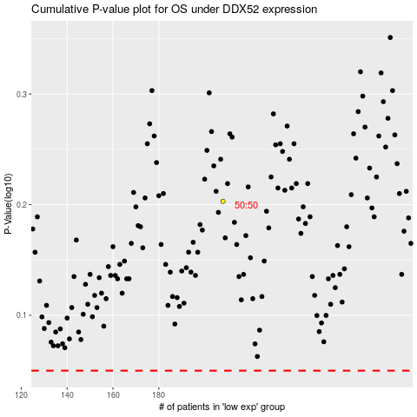

 |  |  |  |  |  | cases_OS | p_OS | rank | exp
 |  |  |  |  |  |  | cases_RFS | p_RFS | rank | exp

