DEC1 _multivariate
Reported by Tex Li-Hsing Chi. tex@gate.sinica.edu.tw 2019-08-20

Table 2. The clinicopathological features of HNSCC cohort and DEC1 expression. (Chi square test)
Cutoff at -0.308 (50.0%)
 |  | DEC1 expression |  | DEC1 expression |  | (Optimised)
 | Features | Low | (%) | High | (%) | Case no | P-value | Remark | Matthews
Gender | Female | 155 | 37.3 | 151 | 36.4 | 415 | 0.6768 | 0 | 0
2 | Male | 52 | 12.5 | 57 | 13.7
Age at diagnosis | <=65y | 143 | 34.5 | 131 | 31.6 | 415 | 0.2269 | 0 | 0
4 | >65y | 64 | 15.4 | 77 | 18.6
Clinical T Status | T1+T2 | 71 | 17.1 | 78 | 18.8 | 415 | 0.5638 | 0 | 0
6 | T3+T4 | 136 | 32.8 | 130 | 31.3
Clinical N Status | N0 | 104 | 25.1 | 112 | 27 | 415 | 0.5243 | 0 | 0
8 | N1-3 | 103 | 24.8 | 96 | 23.1
Clinical M Status | M0 | 206 | 49.6 | 206 | 49.6 | 415 | 1 | 0 | 0
10 | M1 | 1 | 0.2 | 2 | 0.5
Clinical Stage | Stage I+II | 39 | 9.4 | 63 | 15.2 | 415 | 0.0095 | 1 | 0
12 | Stage III+IV | 168 | 40.5 | 145 | 34.9
Surgical Margin status | Negative | 153 | 36.9 | 165 | 39.8 | 415 | 0.2036 | 0 | 0
14 | Positive | 54 | 13 | 43 | 10.4
Tobacco Exposure | Low | 85 | 20.5 | 76 | 18.3 | 415 | 0.3655 | 0 | 0
16 | High | 122 | 29.4 | 132 | 31.8

Table 3. Univariate/Multivariate Cox's proportional hazards regression analyses on OS time of DEC1 gene expression in HNSCC

 |  | Univariate |  |  |  | Multivariate
 | Features | HR | CI95%(L) | CI95%(H) | P-value | HR | CI95%(L) | CI95%(H) | P-value
1 | Female | 1 |  |  |  | 1
Gender | Male | 1.157 | 0.843 | 1.587 | 0.367 | 1.204 | 0.862 | 1.682 | 0.277
11 | <=65y | 1 |  |  |  | 1
Age at diagnosis | >65y | 1.329 | 0.99 | 1.784 | 0.058 | 1.402 | 1.029 | 1.909 | 0.032
12 | T1+T2 | 1 |  |  |  | 1
Clinical T Status | T3+T4 | 1.409 | 1.028 | 1.931 | 0.033 | 2.232 | 1.178 | 4.232 | 0.014
13 | N0 | 1 |  |  |  | 1
Clinical N Status | N1-3 | 1.185 | 0.89 | 1.577 | 0.246 | 1.244 | 0.871 | 1.775 | 0.23
14 | M0 | 1 |  |  |  | 1
Clinical M Status | M1 | 4.097 | 1.009 | 16.644 | 0.049 | 9.638 | 2.095 | 44.334 | 0.004
15 | Stage I+II | 1 |  |  |  | 1
Clinical Stage | Stage III+IV | 1.245 | 0.882 | 1.759 | 0.213 | 0.49 | 0.226 | 1.062 | 0.071
16 | Negative | 1 |  |  |  | 1
Surgical Margin status | Positive | 1.591 | 1.155 | 2.191 | 0.004 | 1.664 | 1.204 | 2.301 | 0.002
17 | Low | 1 |  |  |  | 1
Tobacco Exposure | High | 1.364 | 1.008 | 1.844 | 0.044 | 1.465 | 1.061 | 2.023 | 0.02
18 | Low | 1 |  |  |  | 1
RNAseq(z-score) | High | 0.969 | 0.728 | 1.29 | 0.83 | 0.932 | 0.694 | 1.253 | 0.642

Table 4. Univariate/Multivariate Cox's proportional hazards regression analyses on RFS time of DEC1 gene expression in HNSCC

 |  | Univariate |  |  |  | Multivariate
 | Features | HR | CI95%(L) | CI95%(H) | P-value | HR | CI95%(L) | CI95%(H) | P-value
1 | Female | 1 |  |  |  | 1
Gender | Male | 1.157 | 0.843 | 1.587 | 0.367 | 1.204 | 0.862 | 1.682 | 0.277
11 | <=65y | 1 |  |  |  | 1
Age at diagnosis | >65y | 1.329 | 0.99 | 1.784 | 0.058 | 1.402 | 1.029 | 1.909 | 0.032
12 | T1+T2 | 1 |  |  |  | 1
Clinical T Status | T3+T4 | 1.409 | 1.028 | 1.931 | 0.033 | 2.232 | 1.178 | 4.232 | 0.014
13 | N0 | 1 |  |  |  | 1
Clinical N Status | N1-3 | 1.185 | 0.89 | 1.577 | 0.246 | 1.244 | 0.871 | 1.775 | 0.23
14 | M0 | 1 |  |  |  | 1
Clinical M Status | M1 | 4.097 | 1.009 | 16.644 | 0.049 | 9.638 | 2.095 | 44.334 | 0.004
15 | Stage I+II | 1 |  |  |  | 1
Clinical Stage | Stage III+IV | 1.245 | 0.882 | 1.759 | 0.213 | 0.49 | 0.226 | 1.062 | 0.071
16 | Negative | 1 |  |  |  | 1
Surgical Margin status | Positive | 1.591 | 1.155 | 2.191 | 0.004 | 1.664 | 1.204 | 2.301 | 0.002
17 | Low | 1 |  |  |  | 1
Tobacco Exposure | High | 1.364 | 1.008 | 1.844 | 0.044 | 1.465 | 1.061 | 2.023 | 0.02
18 | Low | 1 |  |  |  | 1
RNAseq(z-score) | High | 0.969 | 0.728 | 1.29 | 0.83 | 0.932 | 0.694 | 1.253 | 0.642

Kaplan-Meier survival estimate: Cutoff at -0.308 (50.0%)



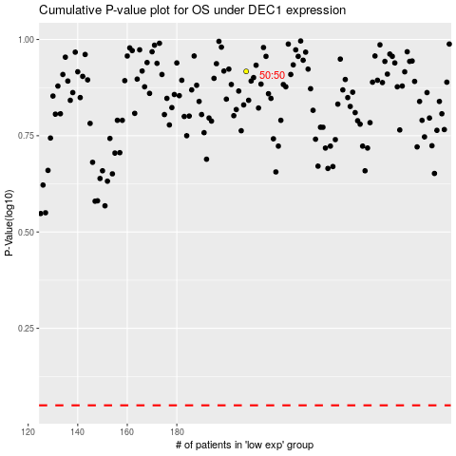

 |  |  |  |  |  | cases_OS | p_OS | rank | exp
 |  |  |  |  |  |  | cases_RFS | p_RFS | rank | exp

