DEDD _multivariate
Reported by Tex Li-Hsing Chi. tex@gate.sinica.edu.tw 2019-08-20

Table 2. The clinicopathological features of HNSCC cohort and DEDD expression. (Chi square test)
Cutoff at -0.2 (49.8%)
 |  | DEDD expression |  | DEDD expression |  | (Optimised)
 | Features | Low | (%) | High | (%) | Case no | P-value | Remark | Matthews
Gender | Female | 151 | 36.4 | 155 | 37.3 | 415 | 0.8007 | 0 | 0
2 | Male | 56 | 13.5 | 53 | 12.8
Age at diagnosis | <=65y | 129 | 31.1 | 145 | 34.9 | 415 | 0.1372 | 0 | 0
4 | >65y | 78 | 18.8 | 63 | 15.2
Clinical T Status | T1+T2 | 84 | 20.2 | 65 | 15.7 | 415 | 0.0603 | 0 | 0
6 | T3+T4 | 123 | 29.6 | 143 | 34.5
Clinical N Status | N0 | 108 | 26 | 108 | 26 | 415 | 1 | 0 | 0
8 | N1-3 | 99 | 23.9 | 100 | 24.1
Clinical M Status | M0 | 206 | 49.6 | 206 | 49.6 | 415 | 1 | 0 | 0
10 | M1 | 1 | 0.2 | 2 | 0.5
Clinical Stage | Stage I+II | 60 | 14.5 | 42 | 10.1 | 415 | 0.0493 | 1 | 0
12 | Stage III+IV | 147 | 35.4 | 166 | 40
Surgical Margin status | Negative | 157 | 37.8 | 161 | 38.8 | 415 | 0.729 | 0 | 0
14 | Positive | 50 | 12 | 47 | 11.3
Tobacco Exposure | Low | 93 | 22.4 | 68 | 16.4 | 415 | 0.0118 | 1 | 0
16 | High | 114 | 27.5 | 140 | 33.7

Table 3. Univariate/Multivariate Cox's proportional hazards regression analyses on OS time of DEDD gene expression in HNSCC

 |  | Univariate |  |  |  | Multivariate
 | Features | HR | CI95%(L) | CI95%(H) | P-value | HR | CI95%(L) | CI95%(H) | P-value
1 | Female | 1 |  |  |  | 1
Gender | Male | 1.157 | 0.843 | 1.587 | 0.367 | 1.193 | 0.855 | 1.666 | 0.299
11 | <=65y | 1 |  |  |  | 1
Age at diagnosis | >65y | 1.329 | 0.99 | 1.784 | 0.058 | 1.429 | 1.045 | 1.954 | 0.025
12 | T1+T2 | 1 |  |  |  | 1
Clinical T Status | T3+T4 | 1.409 | 1.028 | 1.931 | 0.033 | 2.237 | 1.182 | 4.233 | 0.013
13 | N0 | 1 |  |  |  | 1
Clinical N Status | N1-3 | 1.185 | 0.89 | 1.577 | 0.246 | 1.269 | 0.886 | 1.817 | 0.194
14 | M0 | 1 |  |  |  | 1
Clinical M Status | M1 | 4.097 | 1.009 | 16.644 | 0.049 | 9.146 | 1.992 | 41.992 | 0.004
15 | Stage I+II | 1 |  |  |  | 1
Clinical Stage | Stage III+IV | 1.245 | 0.882 | 1.759 | 0.213 | 0.487 | 0.226 | 1.05 | 0.067
16 | Negative | 1 |  |  |  | 1
Surgical Margin status | Positive | 1.591 | 1.155 | 2.191 | 0.004 | 1.668 | 1.207 | 2.304 | 0.002
17 | Low | 1 |  |  |  | 1
Tobacco Exposure | High | 1.364 | 1.008 | 1.844 | 0.044 | 1.428 | 1.035 | 1.971 | 0.03
18 | Low | 1 |  |  |  | 1
RNAseq(z-score) | High | 1.144 | 0.858 | 1.524 | 0.36 | 1.139 | 0.844 | 1.536 | 0.395

Table 4. Univariate/Multivariate Cox's proportional hazards regression analyses on RFS time of DEDD gene expression in HNSCC

 |  | Univariate |  |  |  | Multivariate
 | Features | HR | CI95%(L) | CI95%(H) | P-value | HR | CI95%(L) | CI95%(H) | P-value
1 | Female | 1 |  |  |  | 1
Gender | Male | 1.157 | 0.843 | 1.587 | 0.367 | 1.193 | 0.855 | 1.666 | 0.299
11 | <=65y | 1 |  |  |  | 1
Age at diagnosis | >65y | 1.329 | 0.99 | 1.784 | 0.058 | 1.429 | 1.045 | 1.954 | 0.025
12 | T1+T2 | 1 |  |  |  | 1
Clinical T Status | T3+T4 | 1.409 | 1.028 | 1.931 | 0.033 | 2.237 | 1.182 | 4.233 | 0.013
13 | N0 | 1 |  |  |  | 1
Clinical N Status | N1-3 | 1.185 | 0.89 | 1.577 | 0.246 | 1.269 | 0.886 | 1.817 | 0.194
14 | M0 | 1 |  |  |  | 1
Clinical M Status | M1 | 4.097 | 1.009 | 16.644 | 0.049 | 9.146 | 1.992 | 41.992 | 0.004
15 | Stage I+II | 1 |  |  |  | 1
Clinical Stage | Stage III+IV | 1.245 | 0.882 | 1.759 | 0.213 | 0.487 | 0.226 | 1.05 | 0.067
16 | Negative | 1 |  |  |  | 1
Surgical Margin status | Positive | 1.591 | 1.155 | 2.191 | 0.004 | 1.668 | 1.207 | 2.304 | 0.002
17 | Low | 1 |  |  |  | 1
Tobacco Exposure | High | 1.364 | 1.008 | 1.844 | 0.044 | 1.428 | 1.035 | 1.971 | 0.03
18 | Low | 1 |  |  |  | 1
RNAseq(z-score) | High | 1.144 | 0.858 | 1.524 | 0.36 | 1.139 | 0.844 | 1.536 | 0.395

Kaplan-Meier survival estimate: Cutoff at -0.2 (49.8%)



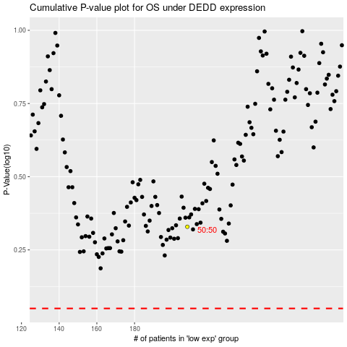

 |  |  |  |  |  | cases_OS | p_OS | rank | exp
 |  |  |  |  |  |  | cases_RFS | p_RFS | rank | exp

