DEDD2 _multivariate
Reported by Tex Li-Hsing Chi. tex@gate.sinica.edu.tw 2019-08-20

Table 2. The clinicopathological features of HNSCC cohort and DEDD2 expression. (Chi square test)
Cutoff at -0.24 (50.0%)
 |  | DEDD2 expression |  | DEDD2 expression |  | (Optimised)
 | Features | Low | (%) | High | (%) | Case no | P-value | Remark | Matthews
Gender | Female | 148 | 35.7 | 158 | 38.1 | 415 | 0.3567 | 0 | 0
2 | Male | 59 | 14.2 | 50 | 12
Age at diagnosis | <=65y | 133 | 32 | 141 | 34 | 415 | 0.5111 | 0 | 0
4 | >65y | 74 | 17.8 | 67 | 16.1
Clinical T Status | T1+T2 | 89 | 21.4 | 60 | 14.5 | 415 | 0.0037 | 1 | 0
6 | T3+T4 | 118 | 28.4 | 148 | 35.7
Clinical N Status | N0 | 114 | 27.5 | 102 | 24.6 | 415 | 0.2576 | 1 | 0
8 | N1-3 | 93 | 22.4 | 106 | 25.5
Clinical M Status | M0 | 206 | 49.6 | 206 | 49.6 | 415 | 1 | 0 | 0
10 | M1 | 1 | 0.2 | 2 | 0.5
Clinical Stage | Stage I+II | 62 | 14.9 | 40 | 9.6 | 415 | 0.0154 | 1 | 0
12 | Stage III+IV | 145 | 34.9 | 168 | 40.5
Surgical Margin status | Negative | 164 | 39.5 | 154 | 37.1 | 415 | 0.2462 | 0 | 0
14 | Positive | 43 | 10.4 | 54 | 13
Tobacco Exposure | Low | 87 | 21 | 74 | 17.8 | 415 | 0.1911 | 0 | 0
16 | High | 120 | 28.9 | 134 | 32.3

Table 3. Univariate/Multivariate Cox's proportional hazards regression analyses on OS time of DEDD2 gene expression in HNSCC

 |  | Univariate |  |  |  | Multivariate
 | Features | HR | CI95%(L) | CI95%(H) | P-value | HR | CI95%(L) | CI95%(H) | P-value
1 | Female | 1 |  |  |  | 1
Gender | Male | 1.157 | 0.843 | 1.587 | 0.367 | 1.194 | 0.856 | 1.667 | 0.297
11 | <=65y | 1 |  |  |  | 1
Age at diagnosis | >65y | 1.329 | 0.99 | 1.784 | 0.058 | 1.395 | 1.026 | 1.897 | 0.033
12 | T1+T2 | 1 |  |  |  | 1
Clinical T Status | T3+T4 | 1.409 | 1.028 | 1.931 | 0.033 | 2.3 | 1.212 | 4.363 | 0.011
13 | N0 | 1 |  |  |  | 1
Clinical N Status | N1-3 | 1.185 | 0.89 | 1.577 | 0.246 | 1.265 | 0.885 | 1.807 | 0.197
14 | M0 | 1 |  |  |  | 1
Clinical M Status | M1 | 4.097 | 1.009 | 16.644 | 0.049 | 10.215 | 2.217 | 47.059 | 0.003
15 | Stage I+II | 1 |  |  |  | 1
Clinical Stage | Stage III+IV | 1.245 | 0.882 | 1.759 | 0.213 | 0.492 | 0.229 | 1.058 | 0.069
16 | Negative | 1 |  |  |  | 1
Surgical Margin status | Positive | 1.591 | 1.155 | 2.191 | 0.004 | 1.698 | 1.228 | 2.348 | 0.001
17 | Low | 1 |  |  |  | 1
Tobacco Exposure | High | 1.364 | 1.008 | 1.844 | 0.044 | 1.458 | 1.059 | 2.007 | 0.021
18 | Low | 1 |  |  |  | 1
RNAseq(z-score) | High | 0.915 | 0.687 | 1.219 | 0.545 | 0.82 | 0.612 | 1.098 | 0.182

Table 4. Univariate/Multivariate Cox's proportional hazards regression analyses on RFS time of DEDD2 gene expression in HNSCC

 |  | Univariate |  |  |  | Multivariate
 | Features | HR | CI95%(L) | CI95%(H) | P-value | HR | CI95%(L) | CI95%(H) | P-value
1 | Female | 1 |  |  |  | 1
Gender | Male | 1.157 | 0.843 | 1.587 | 0.367 | 1.194 | 0.856 | 1.667 | 0.297
11 | <=65y | 1 |  |  |  | 1
Age at diagnosis | >65y | 1.329 | 0.99 | 1.784 | 0.058 | 1.395 | 1.026 | 1.897 | 0.033
12 | T1+T2 | 1 |  |  |  | 1
Clinical T Status | T3+T4 | 1.409 | 1.028 | 1.931 | 0.033 | 2.3 | 1.212 | 4.363 | 0.011
13 | N0 | 1 |  |  |  | 1
Clinical N Status | N1-3 | 1.185 | 0.89 | 1.577 | 0.246 | 1.265 | 0.885 | 1.807 | 0.197
14 | M0 | 1 |  |  |  | 1
Clinical M Status | M1 | 4.097 | 1.009 | 16.644 | 0.049 | 10.215 | 2.217 | 47.059 | 0.003
15 | Stage I+II | 1 |  |  |  | 1
Clinical Stage | Stage III+IV | 1.245 | 0.882 | 1.759 | 0.213 | 0.492 | 0.229 | 1.058 | 0.069
16 | Negative | 1 |  |  |  | 1
Surgical Margin status | Positive | 1.591 | 1.155 | 2.191 | 0.004 | 1.698 | 1.228 | 2.348 | 0.001
17 | Low | 1 |  |  |  | 1
Tobacco Exposure | High | 1.364 | 1.008 | 1.844 | 0.044 | 1.458 | 1.059 | 2.007 | 0.021
18 | Low | 1 |  |  |  | 1
RNAseq(z-score) | High | 0.915 | 0.687 | 1.219 | 0.545 | 0.82 | 0.612 | 1.098 | 0.182

Kaplan-Meier survival estimate: Cutoff at -0.24 (50.0%)



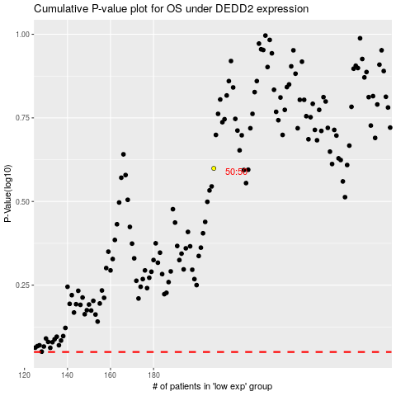

 |  |  |  |  |  | cases_OS | p_OS | rank | exp
 |  |  |  |  |  |  | cases_RFS | p_RFS | rank | exp

