DEF6 _multivariate
Reported by Tex Li-Hsing Chi. tex@gate.sinica.edu.tw 2019-08-20

Table 2. The clinicopathological features of HNSCC cohort and DEF6 expression. (Chi square test)
Cutoff at -0.455 (33.1%)
 |  | DEF6 expression |  | DEF6 expression |  | (Optimised)
 | Features | Low | (%) | High | (%) | Case no | P-value | Remark | Matthews
Gender | Female | 104 | 25.1 | 202 | 48.7 | 415 | 0.5559 | 0 | 0
2 | Male | 33 | 8 | 76 | 18.3
Age at diagnosis | <=65y | 91 | 21.9 | 183 | 44.1 | 415 | 0.9917 | 0 | 0
4 | >65y | 46 | 11.1 | 95 | 22.9
Clinical T Status | T1+T2 | 49 | 11.8 | 100 | 24.1 | 415 | 1 | 0 | 0
6 | T3+T4 | 88 | 21.2 | 178 | 42.9
Clinical N Status | N0 | 68 | 16.4 | 148 | 35.7 | 415 | 0.5577 | 0 | 0
8 | N1-3 | 69 | 16.6 | 130 | 31.3
Clinical M Status | M0 | 136 | 32.8 | 276 | 66.5 | 415 | 1 | 0 | 0
10 | M1 | 1 | 0.2 | 2 | 0.5
Clinical Stage | Stage I+II | 33 | 8 | 69 | 16.6 | 415 | 0.9667 | 0 | 0
12 | Stage III+IV | 104 | 25.1 | 209 | 50.4
Surgical Margin status | Negative | 102 | 24.6 | 216 | 52 | 415 | 0.4621 | 0 | 0
14 | Positive | 35 | 8.4 | 62 | 14.9
Tobacco Exposure | Low | 47 | 11.3 | 114 | 27.5 | 415 | 0.2 | 0 | 0
16 | High | 90 | 21.7 | 164 | 39.5

Table 3. Univariate/Multivariate Cox's proportional hazards regression analyses on OS time of DEF6 gene expression in HNSCC

 |  | Univariate |  |  |  | Multivariate
 | Features | HR | CI95%(L) | CI95%(H) | P-value | HR | CI95%(L) | CI95%(H) | P-value
1 | Female | 1 |  |  |  | 1
Gender | Male | 1.157 | 0.843 | 1.587 | 0.367 | 1.2 | 0.86 | 1.676 | 0.283
11 | <=65y | 1 |  |  |  | 1
Age at diagnosis | >65y | 1.329 | 0.99 | 1.784 | 0.058 | 1.373 | 1.01 | 1.866 | 0.043
12 | T1+T2 | 1 |  |  |  | 1
Clinical T Status | T3+T4 | 1.409 | 1.028 | 1.931 | 0.033 | 2.255 | 1.193 | 4.261 | 0.012
13 | N0 | 1 |  |  |  | 1
Clinical N Status | N1-3 | 1.185 | 0.89 | 1.577 | 0.246 | 1.216 | 0.852 | 1.735 | 0.282
14 | M0 | 1 |  |  |  | 1
Clinical M Status | M1 | 4.097 | 1.009 | 16.644 | 0.049 | 10.108 | 2.202 | 46.396 | 0.003
15 | Stage I+II | 1 |  |  |  | 1
Clinical Stage | Stage III+IV | 1.245 | 0.882 | 1.759 | 0.213 | 0.512 | 0.238 | 1.098 | 0.085
16 | Negative | 1 |  |  |  | 1
Surgical Margin status | Positive | 1.591 | 1.155 | 2.191 | 0.004 | 1.67 | 1.209 | 2.308 | 0.002
17 | Low | 1 |  |  |  | 1
Tobacco Exposure | High | 1.364 | 1.008 | 1.844 | 0.044 | 1.437 | 1.043 | 1.979 | 0.027
18 | Low | 1 |  |  |  | 1
RNAseq(z-score) | High | 0.729 | 0.541 | 0.982 | 0.038 | 0.71 | 0.526 | 0.959 | 0.026

Table 4. Univariate/Multivariate Cox's proportional hazards regression analyses on RFS time of DEF6 gene expression in HNSCC

 |  | Univariate |  |  |  | Multivariate
 | Features | HR | CI95%(L) | CI95%(H) | P-value | HR | CI95%(L) | CI95%(H) | P-value
1 | Female | 1 |  |  |  | 1
Gender | Male | 1.157 | 0.843 | 1.587 | 0.367 | 1.2 | 0.86 | 1.676 | 0.283
11 | <=65y | 1 |  |  |  | 1
Age at diagnosis | >65y | 1.329 | 0.99 | 1.784 | 0.058 | 1.373 | 1.01 | 1.866 | 0.043
12 | T1+T2 | 1 |  |  |  | 1
Clinical T Status | T3+T4 | 1.409 | 1.028 | 1.931 | 0.033 | 2.255 | 1.193 | 4.261 | 0.012
13 | N0 | 1 |  |  |  | 1
Clinical N Status | N1-3 | 1.185 | 0.89 | 1.577 | 0.246 | 1.216 | 0.852 | 1.735 | 0.282
14 | M0 | 1 |  |  |  | 1
Clinical M Status | M1 | 4.097 | 1.009 | 16.644 | 0.049 | 10.108 | 2.202 | 46.396 | 0.003
15 | Stage I+II | 1 |  |  |  | 1
Clinical Stage | Stage III+IV | 1.245 | 0.882 | 1.759 | 0.213 | 0.512 | 0.238 | 1.098 | 0.085
16 | Negative | 1 |  |  |  | 1
Surgical Margin status | Positive | 1.591 | 1.155 | 2.191 | 0.004 | 1.67 | 1.209 | 2.308 | 0.002
17 | Low | 1 |  |  |  | 1
Tobacco Exposure | High | 1.364 | 1.008 | 1.844 | 0.044 | 1.437 | 1.043 | 1.979 | 0.027
18 | Low | 1 |  |  |  | 1
RNAseq(z-score) | High | 0.729 | 0.541 | 0.982 | 0.038 | 0.71 | 0.526 | 0.959 | 0.026

Kaplan-Meier survival estimate: Cutoff at -0.455 (33.1%)



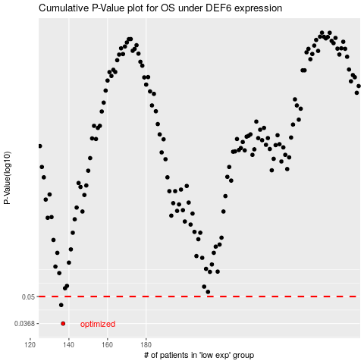

 |  |  |  |  |  | cases_OS | p_OS | rank | exp
 |  |  |  |  |  | 137 | 0.0368 | 231 | -0.45486413516
 |  |  |  |  |  | 136 | 0.0454 | 248 | -0.45533214364
 |  |  |  |  |  |  | cases_RFS | p_RFS | rank | exp
 |  |  |  |  |  |  | 136 | 0.0368 | 248 | -0.45533214364
 |  |  |  |  |  |  | 135 | 0.0454 | 370 | -0.45961447465

