DEF8 _multivariate
Reported by Tex Li-Hsing Chi. tex@gate.sinica.edu.tw 2019-08-20

Table 2. The clinicopathological features of HNSCC cohort and DEF8 expression. (Chi square test)
Cutoff at -0.13 (50.0%)
 |  | DEF8 expression |  | DEF8 expression |  | (Optimised)
 | Features | Low | (%) | High | (%) | Case no | P-value | Remark | Matthews
Gender | Female | 151 | 36.4 | 155 | 37.3 | 415 | 0.8007 | 0 | 0
2 | Male | 56 | 13.5 | 53 | 12.8
Age at diagnosis | <=65y | 136 | 32.8 | 138 | 33.3 | 415 | 0.9719 | 0 | 0
4 | >65y | 71 | 17.1 | 70 | 16.9
Clinical T Status | T1+T2 | 80 | 19.3 | 69 | 16.6 | 415 | 0.2891 | 0 | 0
6 | T3+T4 | 127 | 30.6 | 139 | 33.5
Clinical N Status | N0 | 101 | 24.3 | 115 | 27.7 | 415 | 0.2201 | 0 | 0
8 | N1-3 | 106 | 25.5 | 93 | 22.4
Clinical M Status | M0 | 206 | 49.6 | 206 | 49.6 | 415 | 1 | 0 | 0
10 | M1 | 1 | 0.2 | 2 | 0.5
Clinical Stage | Stage I+II | 47 | 11.3 | 55 | 13.3 | 415 | 0.4413 | 0 | 0
12 | Stage III+IV | 160 | 38.6 | 153 | 36.9
Surgical Margin status | Negative | 155 | 37.3 | 163 | 39.3 | 415 | 0.4187 | 0 | 0
14 | Positive | 52 | 12.5 | 45 | 10.8
Tobacco Exposure | Low | 74 | 17.8 | 87 | 21 | 415 | 0.227 | 0 | 0
16 | High | 133 | 32 | 121 | 29.2

Table 3. Univariate/Multivariate Cox's proportional hazards regression analyses on OS time of DEF8 gene expression in HNSCC

 |  | Univariate |  |  |  | Multivariate
 | Features | HR | CI95%(L) | CI95%(H) | P-value | HR | CI95%(L) | CI95%(H) | P-value
1 | Female | 1 |  |  |  | 1
Gender | Male | 1.157 | 0.843 | 1.587 | 0.367 | 1.205 | 0.863 | 1.683 | 0.275
11 | <=65y | 1 |  |  |  | 1
Age at diagnosis | >65y | 1.329 | 0.99 | 1.784 | 0.058 | 1.385 | 1.018 | 1.884 | 0.038
12 | T1+T2 | 1 |  |  |  | 1
Clinical T Status | T3+T4 | 1.409 | 1.028 | 1.931 | 0.033 | 2.266 | 1.193 | 4.301 | 0.012
13 | N0 | 1 |  |  |  | 1
Clinical N Status | N1-3 | 1.185 | 0.89 | 1.577 | 0.246 | 1.251 | 0.876 | 1.785 | 0.218
14 | M0 | 1 |  |  |  | 1
Clinical M Status | M1 | 4.097 | 1.009 | 16.644 | 0.049 | 9.958 | 2.158 | 45.961 | 0.003
15 | Stage I+II | 1 |  |  |  | 1
Clinical Stage | Stage III+IV | 1.245 | 0.882 | 1.759 | 0.213 | 0.486 | 0.225 | 1.049 | 0.066
16 | Negative | 1 |  |  |  | 1
Surgical Margin status | Positive | 1.591 | 1.155 | 2.191 | 0.004 | 1.668 | 1.207 | 2.305 | 0.002
17 | Low | 1 |  |  |  | 1
Tobacco Exposure | High | 1.364 | 1.008 | 1.844 | 0.044 | 1.438 | 1.042 | 1.985 | 0.027
18 | Low | 1 |  |  |  | 1
RNAseq(z-score) | High | 0.911 | 0.683 | 1.215 | 0.525 | 0.892 | 0.666 | 1.196 | 0.445

Table 4. Univariate/Multivariate Cox's proportional hazards regression analyses on RFS time of DEF8 gene expression in HNSCC

 |  | Univariate |  |  |  | Multivariate
 | Features | HR | CI95%(L) | CI95%(H) | P-value | HR | CI95%(L) | CI95%(H) | P-value
1 | Female | 1 |  |  |  | 1
Gender | Male | 1.157 | 0.843 | 1.587 | 0.367 | 1.205 | 0.863 | 1.683 | 0.275
11 | <=65y | 1 |  |  |  | 1
Age at diagnosis | >65y | 1.329 | 0.99 | 1.784 | 0.058 | 1.385 | 1.018 | 1.884 | 0.038
12 | T1+T2 | 1 |  |  |  | 1
Clinical T Status | T3+T4 | 1.409 | 1.028 | 1.931 | 0.033 | 2.266 | 1.193 | 4.301 | 0.012
13 | N0 | 1 |  |  |  | 1
Clinical N Status | N1-3 | 1.185 | 0.89 | 1.577 | 0.246 | 1.251 | 0.876 | 1.785 | 0.218
14 | M0 | 1 |  |  |  | 1
Clinical M Status | M1 | 4.097 | 1.009 | 16.644 | 0.049 | 9.958 | 2.158 | 45.961 | 0.003
15 | Stage I+II | 1 |  |  |  | 1
Clinical Stage | Stage III+IV | 1.245 | 0.882 | 1.759 | 0.213 | 0.486 | 0.225 | 1.049 | 0.066
16 | Negative | 1 |  |  |  | 1
Surgical Margin status | Positive | 1.591 | 1.155 | 2.191 | 0.004 | 1.668 | 1.207 | 2.305 | 0.002
17 | Low | 1 |  |  |  | 1
Tobacco Exposure | High | 1.364 | 1.008 | 1.844 | 0.044 | 1.438 | 1.042 | 1.985 | 0.027
18 | Low | 1 |  |  |  | 1
RNAseq(z-score) | High | 0.911 | 0.683 | 1.215 | 0.525 | 0.892 | 0.666 | 1.196 | 0.445

Kaplan-Meier survival estimate: Cutoff at -0.13 (50.0%)



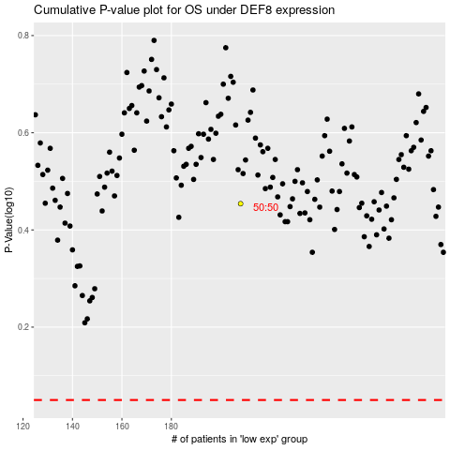

 |  |  |  |  |  | cases_OS | p_OS | rank | exp
 |  |  |  |  |  |  | cases_RFS | p_RFS | rank | exp

