DEFB103B _multivariate
Reported by Tex Li-Hsing Chi. tex@gate.sinica.edu.tw 2019-08-20

Table 2. The clinicopathological features of HNSCC cohort and DEFB103B expression. (Chi square test)
Cutoff at -0.257 (65.7%)
 |  | DEFB103B expression |  | DEFB103B expression |  | (Optimised)
 | Features | Low | (%) | High | (%) | Case no | P-value | Remark | Matthews
Gender | Female | 209 | 50.4 | 97 | 23.4 | 415 | 0.0623 | 0 | 0
2 | Male | 63 | 15.2 | 46 | 11.1
Age at diagnosis | <=65y | 179 | 43.1 | 95 | 22.9 | 415 | 0.9851 | 0 | 0
4 | >65y | 93 | 22.4 | 48 | 11.6
Clinical T Status | T1+T2 | 98 | 23.6 | 51 | 12.3 | 415 | 1 | 0 | 0
6 | T3+T4 | 174 | 41.9 | 92 | 22.2
Clinical N Status | N0 | 135 | 32.5 | 81 | 19.5 | 415 | 0.2094 | 0 | 0
8 | N1-3 | 137 | 33 | 62 | 14.9
Clinical M Status | M0 | 270 | 65.1 | 142 | 34.2 | 415 | 1 | 0 | 0
10 | M1 | 2 | 0.5 | 1 | 0.2
Clinical Stage | Stage I+II | 61 | 14.7 | 41 | 9.9 | 415 | 0.1991 | 0 | 0
12 | Stage III+IV | 211 | 50.8 | 102 | 24.6
Surgical Margin status | Negative | 203 | 48.9 | 115 | 27.7 | 415 | 0.2223 | 0 | 0
14 | Positive | 69 | 16.6 | 28 | 6.7
Tobacco Exposure | Low | 97 | 23.4 | 64 | 15.4 | 415 | 0.0728 | 0 | 0
16 | High | 175 | 42.2 | 79 | 19

Table 3. Univariate/Multivariate Cox's proportional hazards regression analyses on OS time of DEFB103B gene expression in HNSCC

 |  | Univariate |  |  |  | Multivariate
 | Features | HR | CI95%(L) | CI95%(H) | P-value | HR | CI95%(L) | CI95%(H) | P-value
1 | Female | 1 |  |  |  | 1
Gender | Male | 1.157 | 0.843 | 1.587 | 0.367 | 1.265 | 0.902 | 1.774 | 0.172
11 | <=65y | 1 |  |  |  | 1
Age at diagnosis | >65y | 1.329 | 0.99 | 1.784 | 0.058 | 1.387 | 1.02 | 1.886 | 0.037
12 | T1+T2 | 1 |  |  |  | 1
Clinical T Status | T3+T4 | 1.409 | 1.028 | 1.931 | 0.033 | 2.249 | 1.19 | 4.251 | 0.013
13 | N0 | 1 |  |  |  | 1
Clinical N Status | N1-3 | 1.185 | 0.89 | 1.577 | 0.246 | 1.209 | 0.846 | 1.727 | 0.297
14 | M0 | 1 |  |  |  | 1
Clinical M Status | M1 | 4.097 | 1.009 | 16.644 | 0.049 | 9.909 | 2.16 | 45.464 | 0.003
15 | Stage I+II | 1 |  |  |  | 1
Clinical Stage | Stage III+IV | 1.245 | 0.882 | 1.759 | 0.213 | 0.49 | 0.228 | 1.053 | 0.067
16 | Negative | 1 |  |  |  | 1
Surgical Margin status | Positive | 1.591 | 1.155 | 2.191 | 0.004 | 1.628 | 1.178 | 2.252 | 0.003
17 | Low | 1 |  |  |  | 1
Tobacco Exposure | High | 1.364 | 1.008 | 1.844 | 0.044 | 1.414 | 1.025 | 1.95 | 0.035
18 | Low | 1 |  |  |  | 1
RNAseq(z-score) | High | 0.714 | 0.522 | 0.978 | 0.036 | 0.731 | 0.528 | 1.011 | 0.058

Table 4. Univariate/Multivariate Cox's proportional hazards regression analyses on RFS time of DEFB103B gene expression in HNSCC

 |  | Univariate |  |  |  | Multivariate
 | Features | HR | CI95%(L) | CI95%(H) | P-value | HR | CI95%(L) | CI95%(H) | P-value
1 | Female | 1 |  |  |  | 1
Gender | Male | 1.157 | 0.843 | 1.587 | 0.367 | 1.265 | 0.902 | 1.774 | 0.172
11 | <=65y | 1 |  |  |  | 1
Age at diagnosis | >65y | 1.329 | 0.99 | 1.784 | 0.058 | 1.387 | 1.02 | 1.886 | 0.037
12 | T1+T2 | 1 |  |  |  | 1
Clinical T Status | T3+T4 | 1.409 | 1.028 | 1.931 | 0.033 | 2.249 | 1.19 | 4.251 | 0.013
13 | N0 | 1 |  |  |  | 1
Clinical N Status | N1-3 | 1.185 | 0.89 | 1.577 | 0.246 | 1.209 | 0.846 | 1.727 | 0.297
14 | M0 | 1 |  |  |  | 1
Clinical M Status | M1 | 4.097 | 1.009 | 16.644 | 0.049 | 9.909 | 2.16 | 45.464 | 0.003
15 | Stage I+II | 1 |  |  |  | 1
Clinical Stage | Stage III+IV | 1.245 | 0.882 | 1.759 | 0.213 | 0.49 | 0.228 | 1.053 | 0.067
16 | Negative | 1 |  |  |  | 1
Surgical Margin status | Positive | 1.591 | 1.155 | 2.191 | 0.004 | 1.628 | 1.178 | 2.252 | 0.003
17 | Low | 1 |  |  |  | 1
Tobacco Exposure | High | 1.364 | 1.008 | 1.844 | 0.044 | 1.414 | 1.025 | 1.95 | 0.035
18 | Low | 1 |  |  |  | 1
RNAseq(z-score) | High | 0.714 | 0.522 | 0.978 | 0.036 | 0.731 | 0.528 | 1.011 | 0.058

Kaplan-Meier survival estimate: Cutoff at -0.257 (65.7%)

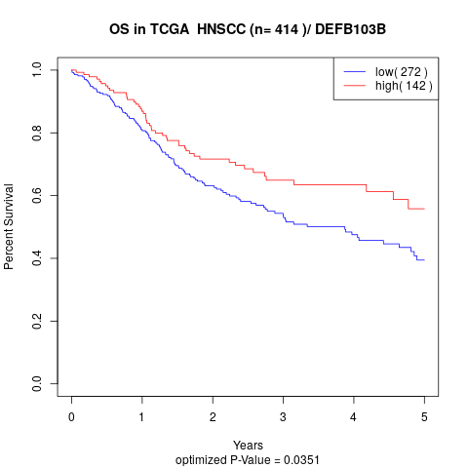

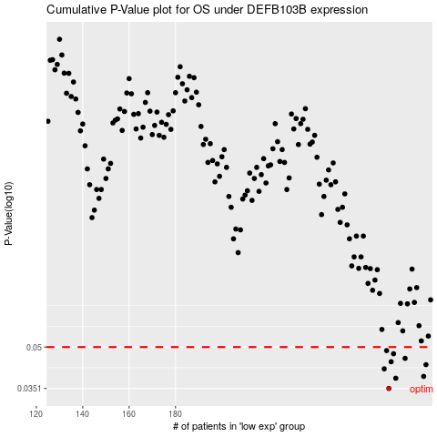

 |  |  |  |  |  | cases_OS | p_OS | rank | exp
 |  |  |  |  |  | 272 | 0.0351 | 400 | -0.25666018409
 |  |  |  |  |  | 275 | 0.0383 | 219 | -0.25067359193
 |  |  |  |  |  | 287 | 0.0389 | 147 | -0.21657733415
 |  |  |  |  |  | 270 | 0.0415 | 47 | -0.26083540961
 |  |  |  |  |  | 288 | 0.043 | 109 | -0.21128944741
 |  |  |  |  |  | 273 | 0.0441 | 238 | -0.25289336347
 |  |  |  |  |  | 279 | 0.0454 | 177 | -0.23506480094
 |  |  |  |  |  | 274 | 0.0472 | 203 | -0.25124852398
 |  |  |  |  |  | 271 | 0.0485 | 61 | -0.26059837415
 |  |  |  |  |  |  | cases_RFS | p_RFS | rank | exp
 |  |  |  |  |  |  | 271 | 0.0351 | 61 | -0.26059837415
 |  |  |  |  |  |  | 274 | 0.0383 | 203 | -0.25124852398
 |  |  |  |  |  |  | 286 | 0.0389 | 62 | -0.21688027184
 |  |  |  |  |  |  | 269 | 0.0415 | 115 | -0.2622314032
 |  |  |  |  |  |  | 287 | 0.043 | 147 | -0.21657733415
 |  |  |  |  |  |  | 272 | 0.0441 | 400 | -0.25666018409
 |  |  |  |  |  |  | 278 | 0.0454 | 180 | -0.24202599032
 |  |  |  |  |  |  | 273 | 0.0472 | 238 | -0.25289336347
 |  |  |  |  |  |  | 270 | 0.0485 | 47 | -0.26083540961

