DEGS2 _multivariate
Reported by Tex Li-Hsing Chi. tex@gate.sinica.edu.tw 2019-08-20

Table 2. The clinicopathological features of HNSCC cohort and DEGS2 expression. (Chi square test)
Cutoff at -0.415 (50.0%)
 |  | DEGS2 expression |  | DEGS2 expression |  | (Optimised)
 | Features | Low | (%) | High | (%) | Case no | P-value | Remark | Matthews
Gender | Female | 145 | 34.9 | 161 | 38.8 | 415 | 0.1116 | 0 | 0
2 | Male | 62 | 14.9 | 47 | 11.3
Age at diagnosis | <=65y | 130 | 31.3 | 144 | 34.7 | 415 | 0.2009 | 0 | 0
4 | >65y | 77 | 18.6 | 64 | 15.4
Clinical T Status | T1+T2 | 81 | 19.5 | 68 | 16.4 | 415 | 0.206 | 0 | 0
6 | T3+T4 | 126 | 30.4 | 140 | 33.7
Clinical N Status | N0 | 106 | 25.5 | 110 | 26.5 | 415 | 0.8075 | 0 | 0
8 | N1-3 | 101 | 24.3 | 98 | 23.6
Clinical M Status | M0 | 206 | 49.6 | 206 | 49.6 | 415 | 1 | 0 | 0
10 | M1 | 1 | 0.2 | 2 | 0.5
Clinical Stage | Stage I+II | 57 | 13.7 | 45 | 10.8 | 415 | 0.1998 | 0 | 0
12 | Stage III+IV | 150 | 36.1 | 163 | 39.3
Surgical Margin status | Negative | 154 | 37.1 | 164 | 39.5 | 415 | 0.2984 | 0 | 0
14 | Positive | 53 | 12.8 | 44 | 10.6
Tobacco Exposure | Low | 88 | 21.2 | 73 | 17.6 | 415 | 0.1314 | 0 | 0
16 | High | 119 | 28.7 | 135 | 32.5

Table 3. Univariate/Multivariate Cox's proportional hazards regression analyses on OS time of DEGS2 gene expression in HNSCC

 |  | Univariate |  |  |  | Multivariate
 | Features | HR | CI95%(L) | CI95%(H) | P-value | HR | CI95%(L) | CI95%(H) | P-value
1 | Female | 1 |  |  |  | 1
Gender | Male | 1.157 | 0.843 | 1.587 | 0.367 | 1.196 | 0.855 | 1.673 | 0.295
11 | <=65y | 1 |  |  |  | 1
Age at diagnosis | >65y | 1.329 | 0.99 | 1.784 | 0.058 | 1.387 | 1.02 | 1.887 | 0.037
12 | T1+T2 | 1 |  |  |  | 1
Clinical T Status | T3+T4 | 1.409 | 1.028 | 1.931 | 0.033 | 2.203 | 1.165 | 4.167 | 0.015
13 | N0 | 1 |  |  |  | 1
Clinical N Status | N1-3 | 1.185 | 0.89 | 1.577 | 0.246 | 1.234 | 0.864 | 1.763 | 0.248
14 | M0 | 1 |  |  |  | 1
Clinical M Status | M1 | 4.097 | 1.009 | 16.644 | 0.049 | 9.551 | 2.078 | 43.902 | 0.004
15 | Stage I+II | 1 |  |  |  | 1
Clinical Stage | Stage III+IV | 1.245 | 0.882 | 1.759 | 0.213 | 0.506 | 0.236 | 1.087 | 0.081
16 | Negative | 1 |  |  |  | 1
Surgical Margin status | Positive | 1.591 | 1.155 | 2.191 | 0.004 | 1.671 | 1.209 | 2.309 | 0.002
17 | Low | 1 |  |  |  | 1
Tobacco Exposure | High | 1.364 | 1.008 | 1.844 | 0.044 | 1.458 | 1.057 | 2.011 | 0.021
18 | Low | 1 |  |  |  | 1
RNAseq(z-score) | High | 0.948 | 0.712 | 1.263 | 0.715 | 0.952 | 0.711 | 1.275 | 0.743

Table 4. Univariate/Multivariate Cox's proportional hazards regression analyses on RFS time of DEGS2 gene expression in HNSCC

 |  | Univariate |  |  |  | Multivariate
 | Features | HR | CI95%(L) | CI95%(H) | P-value | HR | CI95%(L) | CI95%(H) | P-value
1 | Female | 1 |  |  |  | 1
Gender | Male | 1.157 | 0.843 | 1.587 | 0.367 | 1.196 | 0.855 | 1.673 | 0.295
11 | <=65y | 1 |  |  |  | 1
Age at diagnosis | >65y | 1.329 | 0.99 | 1.784 | 0.058 | 1.387 | 1.02 | 1.887 | 0.037
12 | T1+T2 | 1 |  |  |  | 1
Clinical T Status | T3+T4 | 1.409 | 1.028 | 1.931 | 0.033 | 2.203 | 1.165 | 4.167 | 0.015
13 | N0 | 1 |  |  |  | 1
Clinical N Status | N1-3 | 1.185 | 0.89 | 1.577 | 0.246 | 1.234 | 0.864 | 1.763 | 0.248
14 | M0 | 1 |  |  |  | 1
Clinical M Status | M1 | 4.097 | 1.009 | 16.644 | 0.049 | 9.551 | 2.078 | 43.902 | 0.004
15 | Stage I+II | 1 |  |  |  | 1
Clinical Stage | Stage III+IV | 1.245 | 0.882 | 1.759 | 0.213 | 0.506 | 0.236 | 1.087 | 0.081
16 | Negative | 1 |  |  |  | 1
Surgical Margin status | Positive | 1.591 | 1.155 | 2.191 | 0.004 | 1.671 | 1.209 | 2.309 | 0.002
17 | Low | 1 |  |  |  | 1
Tobacco Exposure | High | 1.364 | 1.008 | 1.844 | 0.044 | 1.458 | 1.057 | 2.011 | 0.021
18 | Low | 1 |  |  |  | 1
RNAseq(z-score) | High | 0.948 | 0.712 | 1.263 | 0.715 | 0.952 | 0.711 | 1.275 | 0.743

Kaplan-Meier survival estimate: Cutoff at -0.415 (50.0%)



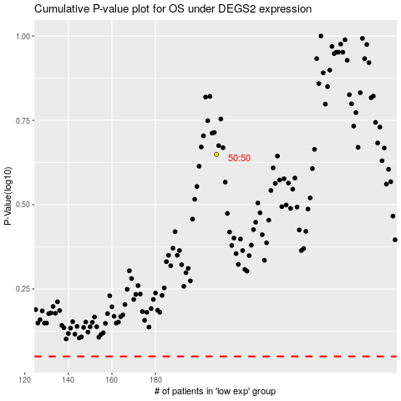

 |  |  |  |  |  | cases_OS | p_OS | rank | exp
 |  |  |  |  |  |  | cases_RFS | p_RFS | rank | exp

