DENND1A _multivariate
Reported by Tex Li-Hsing Chi. tex@gate.sinica.edu.tw 2019-08-20

Table 2. The clinicopathological features of HNSCC cohort and DENND1A expression. (Chi square test)
Cutoff at -0.16 (49.8%)
 |  | DENND1A expression |  | DENND1A expression |  | (Optimised)
 | Features | Low | (%) | High | (%) | Case no | P-value | Remark | Matthews
Gender | Female | 150 | 36.1 | 156 | 37.6 | 415 | 0.6344 | 0 | 0
2 | Male | 57 | 13.7 | 52 | 12.5
Age at diagnosis | <=65y | 147 | 35.4 | 127 | 30.6 | 415 | 0.0416 | 1 | 0
4 | >65y | 60 | 14.5 | 81 | 19.5
Clinical T Status | T1+T2 | 82 | 19.8 | 67 | 16.1 | 415 | 0.1417 | 0 | 0
6 | T3+T4 | 125 | 30.1 | 141 | 34
Clinical N Status | N0 | 117 | 28.2 | 99 | 23.9 | 415 | 0.0852 | 1 | 0
8 | N1-3 | 90 | 21.7 | 109 | 26.3
Clinical M Status | M0 | 205 | 49.4 | 207 | 49.9 | 415 | 0.6232 | 0 | 0
10 | M1 | 2 | 0.5 | 1 | 0.2
Clinical Stage | Stage I+II | 62 | 14.9 | 40 | 9.6 | 415 | 0.0154 | 1 | 0
12 | Stage III+IV | 145 | 34.9 | 168 | 40.5
Surgical Margin status | Negative | 154 | 37.1 | 164 | 39.5 | 415 | 0.2984 | 0 | 0
14 | Positive | 53 | 12.8 | 44 | 10.6
Tobacco Exposure | Low | 80 | 19.3 | 81 | 19.5 | 415 | 1 | 0 | 0
16 | High | 127 | 30.6 | 127 | 30.6

Table 3. Univariate/Multivariate Cox's proportional hazards regression analyses on OS time of DENND1A gene expression in HNSCC

 |  | Univariate |  |  |  | Multivariate
 | Features | HR | CI95%(L) | CI95%(H) | P-value | HR | CI95%(L) | CI95%(H) | P-value
1 | Female | 1 |  |  |  | 1
Gender | Male | 1.157 | 0.843 | 1.587 | 0.367 | 1.203 | 0.861 | 1.681 | 0.28
11 | <=65y | 1 |  |  |  | 1
Age at diagnosis | >65y | 1.329 | 0.99 | 1.784 | 0.058 | 1.387 | 1.015 | 1.896 | 0.04
12 | T1+T2 | 1 |  |  |  | 1
Clinical T Status | T3+T4 | 1.409 | 1.028 | 1.931 | 0.033 | 2.203 | 1.165 | 4.165 | 0.015
13 | N0 | 1 |  |  |  | 1
Clinical N Status | N1-3 | 1.185 | 0.89 | 1.577 | 0.246 | 1.238 | 0.865 | 1.771 | 0.242
14 | M0 | 1 |  |  |  | 1
Clinical M Status | M1 | 4.097 | 1.009 | 16.644 | 0.049 | 9.466 | 2.055 | 43.594 | 0.004
15 | Stage I+II | 1 |  |  |  | 1
Clinical Stage | Stage III+IV | 1.245 | 0.882 | 1.759 | 0.213 | 0.504 | 0.235 | 1.082 | 0.079
16 | Negative | 1 |  |  |  | 1
Surgical Margin status | Positive | 1.591 | 1.155 | 2.191 | 0.004 | 1.674 | 1.21 | 2.314 | 0.002
17 | Low | 1 |  |  |  | 1
Tobacco Exposure | High | 1.364 | 1.008 | 1.844 | 0.044 | 1.453 | 1.055 | 2.003 | 0.022
18 | Low | 1 |  |  |  | 1
RNAseq(z-score) | High | 1.056 | 0.793 | 1.406 | 0.712 | 1.016 | 0.755 | 1.368 | 0.917

Table 4. Univariate/Multivariate Cox's proportional hazards regression analyses on RFS time of DENND1A gene expression in HNSCC

 |  | Univariate |  |  |  | Multivariate
 | Features | HR | CI95%(L) | CI95%(H) | P-value | HR | CI95%(L) | CI95%(H) | P-value
1 | Female | 1 |  |  |  | 1
Gender | Male | 1.157 | 0.843 | 1.587 | 0.367 | 1.203 | 0.861 | 1.681 | 0.28
11 | <=65y | 1 |  |  |  | 1
Age at diagnosis | >65y | 1.329 | 0.99 | 1.784 | 0.058 | 1.387 | 1.015 | 1.896 | 0.04
12 | T1+T2 | 1 |  |  |  | 1
Clinical T Status | T3+T4 | 1.409 | 1.028 | 1.931 | 0.033 | 2.203 | 1.165 | 4.165 | 0.015
13 | N0 | 1 |  |  |  | 1
Clinical N Status | N1-3 | 1.185 | 0.89 | 1.577 | 0.246 | 1.238 | 0.865 | 1.771 | 0.242
14 | M0 | 1 |  |  |  | 1
Clinical M Status | M1 | 4.097 | 1.009 | 16.644 | 0.049 | 9.466 | 2.055 | 43.594 | 0.004
15 | Stage I+II | 1 |  |  |  | 1
Clinical Stage | Stage III+IV | 1.245 | 0.882 | 1.759 | 0.213 | 0.504 | 0.235 | 1.082 | 0.079
16 | Negative | 1 |  |  |  | 1
Surgical Margin status | Positive | 1.591 | 1.155 | 2.191 | 0.004 | 1.674 | 1.21 | 2.314 | 0.002
17 | Low | 1 |  |  |  | 1
Tobacco Exposure | High | 1.364 | 1.008 | 1.844 | 0.044 | 1.453 | 1.055 | 2.003 | 0.022
18 | Low | 1 |  |  |  | 1
RNAseq(z-score) | High | 1.056 | 0.793 | 1.406 | 0.712 | 1.016 | 0.755 | 1.368 | 0.917

Kaplan-Meier survival estimate: Cutoff at -0.16 (49.8%)



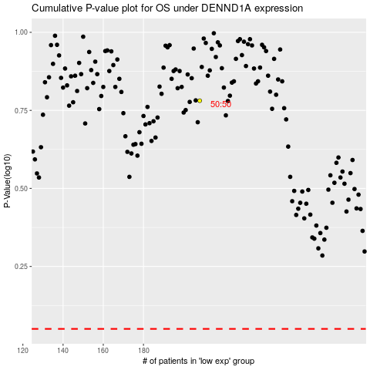

 |  |  |  |  |  | cases_OS | p_OS | rank | exp
 |  |  |  |  |  |  | cases_RFS | p_RFS | rank | exp

