DENND1B _multivariate
Reported by Tex Li-Hsing Chi. tex@gate.sinica.edu.tw 2019-08-20

Table 2. The clinicopathological features of HNSCC cohort and DENND1B expression. (Chi square test)
Cutoff at -0.206 (49.8%)
 |  | DENND1B expression |  | DENND1B expression |  | (Optimised)
 | Features | Low | (%) | High | (%) | Case no | P-value | Remark | Matthews
Gender | Female | 155 | 37.3 | 151 | 36.4 | 415 | 0.6768 | 0 | 0
2 | Male | 52 | 12.5 | 57 | 13.7
Age at diagnosis | <=65y | 142 | 34.2 | 132 | 31.8 | 415 | 0.3167 | 0 | 0
4 | >65y | 65 | 15.7 | 76 | 18.3
Clinical T Status | T1+T2 | 81 | 19.5 | 68 | 16.4 | 415 | 0.206 | 0 | 0
6 | T3+T4 | 126 | 30.4 | 140 | 33.7
Clinical N Status | N0 | 110 | 26.5 | 106 | 25.5 | 415 | 0.7294 | 0 | 0
8 | N1-3 | 97 | 23.4 | 102 | 24.6
Clinical M Status | M0 | 204 | 49.2 | 208 | 50.1 | 415 | 0.1232 | 0 | 0
10 | M1 | 3 | 0.7 | 0 | 0
Clinical Stage | Stage I+II | 55 | 13.3 | 47 | 11.3 | 415 | 0.4087 | 0 | 0
12 | Stage III+IV | 152 | 36.6 | 161 | 38.8
Surgical Margin status | Negative | 157 | 37.8 | 161 | 38.8 | 415 | 0.729 | 0 | 0
14 | Positive | 50 | 12 | 47 | 11.3
Tobacco Exposure | Low | 79 | 19 | 82 | 19.8 | 415 | 0.8405 | 0 | 0
16 | High | 128 | 30.8 | 126 | 30.4

Table 3. Univariate/Multivariate Cox's proportional hazards regression analyses on OS time of DENND1B gene expression in HNSCC

 |  | Univariate |  |  |  | Multivariate
 | Features | HR | CI95%(L) | CI95%(H) | P-value | HR | CI95%(L) | CI95%(H) | P-value
1 | Female | 1 |  |  |  | 1
Gender | Male | 1.157 | 0.843 | 1.587 | 0.367 | 1.194 | 0.853 | 1.671 | 0.301
11 | <=65y | 1 |  |  |  | 1
Age at diagnosis | >65y | 1.329 | 0.99 | 1.784 | 0.058 | 1.397 | 1.027 | 1.9 | 0.033
12 | T1+T2 | 1 |  |  |  | 1
Clinical T Status | T3+T4 | 1.409 | 1.028 | 1.931 | 0.033 | 2.216 | 1.171 | 4.192 | 0.014
13 | N0 | 1 |  |  |  | 1
Clinical N Status | N1-3 | 1.185 | 0.89 | 1.577 | 0.246 | 1.242 | 0.871 | 1.773 | 0.232
14 | M0 | 1 |  |  |  | 1
Clinical M Status | M1 | 4.097 | 1.009 | 16.644 | 0.049 | 9.094 | 1.972 | 41.946 | 0.005
15 | Stage I+II | 1 |  |  |  | 1
Clinical Stage | Stage III+IV | 1.245 | 0.882 | 1.759 | 0.213 | 0.505 | 0.235 | 1.084 | 0.079
16 | Negative | 1 |  |  |  | 1
Surgical Margin status | Positive | 1.591 | 1.155 | 2.191 | 0.004 | 1.668 | 1.207 | 2.305 | 0.002
17 | Low | 1 |  |  |  | 1
Tobacco Exposure | High | 1.364 | 1.008 | 1.844 | 0.044 | 1.446 | 1.049 | 1.995 | 0.024
18 | Low | 1 |  |  |  | 1
RNAseq(z-score) | High | 0.919 | 0.69 | 1.225 | 0.565 | 0.932 | 0.697 | 1.247 | 0.635

Table 4. Univariate/Multivariate Cox's proportional hazards regression analyses on RFS time of DENND1B gene expression in HNSCC

 |  | Univariate |  |  |  | Multivariate
 | Features | HR | CI95%(L) | CI95%(H) | P-value | HR | CI95%(L) | CI95%(H) | P-value
1 | Female | 1 |  |  |  | 1
Gender | Male | 1.157 | 0.843 | 1.587 | 0.367 | 1.194 | 0.853 | 1.671 | 0.301
11 | <=65y | 1 |  |  |  | 1
Age at diagnosis | >65y | 1.329 | 0.99 | 1.784 | 0.058 | 1.397 | 1.027 | 1.9 | 0.033
12 | T1+T2 | 1 |  |  |  | 1
Clinical T Status | T3+T4 | 1.409 | 1.028 | 1.931 | 0.033 | 2.216 | 1.171 | 4.192 | 0.014
13 | N0 | 1 |  |  |  | 1
Clinical N Status | N1-3 | 1.185 | 0.89 | 1.577 | 0.246 | 1.242 | 0.871 | 1.773 | 0.232
14 | M0 | 1 |  |  |  | 1
Clinical M Status | M1 | 4.097 | 1.009 | 16.644 | 0.049 | 9.094 | 1.972 | 41.946 | 0.005
15 | Stage I+II | 1 |  |  |  | 1
Clinical Stage | Stage III+IV | 1.245 | 0.882 | 1.759 | 0.213 | 0.505 | 0.235 | 1.084 | 0.079
16 | Negative | 1 |  |  |  | 1
Surgical Margin status | Positive | 1.591 | 1.155 | 2.191 | 0.004 | 1.668 | 1.207 | 2.305 | 0.002
17 | Low | 1 |  |  |  | 1
Tobacco Exposure | High | 1.364 | 1.008 | 1.844 | 0.044 | 1.446 | 1.049 | 1.995 | 0.024
18 | Low | 1 |  |  |  | 1
RNAseq(z-score) | High | 0.919 | 0.69 | 1.225 | 0.565 | 0.932 | 0.697 | 1.247 | 0.635

Kaplan-Meier survival estimate: Cutoff at -0.206 (49.8%)



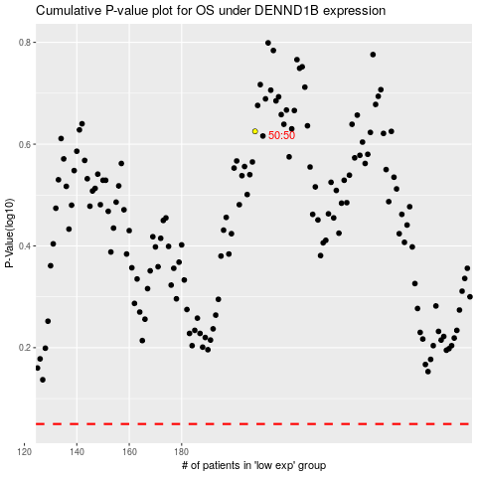

 |  |  |  |  |  | cases_OS | p_OS | rank | exp
 |  |  |  |  |  |  | cases_RFS | p_RFS | rank | exp

