DENND3 _multivariate
Reported by Tex Li-Hsing Chi. tex@gate.sinica.edu.tw 2019-08-20

Table 2. The clinicopathological features of HNSCC cohort and DENND3 expression. (Chi square test)
Cutoff at -0.139 (50.0%)
 |  | DENND3 expression |  | DENND3 expression |  | (Optimised)
 | Features | Low | (%) | High | (%) | Case no | P-value | Remark | Matthews
Gender | Female | 150 | 36.1 | 156 | 37.6 | 415 | 0.6344 | 0 | 0
2 | Male | 57 | 13.7 | 52 | 12.5
Age at diagnosis | <=65y | 139 | 33.5 | 135 | 32.5 | 415 | 0.7044 | 0 | 0
4 | >65y | 68 | 16.4 | 73 | 17.6
Clinical T Status | T1+T2 | 76 | 18.3 | 73 | 17.6 | 415 | 0.8092 | 0 | 0
6 | T3+T4 | 131 | 31.6 | 135 | 32.5
Clinical N Status | N0 | 119 | 28.7 | 97 | 23.4 | 415 | 0.0345 | 1 | 0
8 | N1-3 | 88 | 21.2 | 111 | 26.7
Clinical M Status | M0 | 205 | 49.4 | 207 | 49.9 | 415 | 0.6232 | 0 | 0
10 | M1 | 2 | 0.5 | 1 | 0.2
Clinical Stage | Stage I+II | 56 | 13.5 | 46 | 11.1 | 415 | 0.2918 | 0 | 0
12 | Stage III+IV | 151 | 36.4 | 162 | 39
Surgical Margin status | Negative | 151 | 36.4 | 167 | 40.2 | 415 | 0.0828 | 0 | 0
14 | Positive | 56 | 13.5 | 41 | 9.9
Tobacco Exposure | Low | 83 | 20 | 78 | 18.8 | 415 | 0.6152 | 0 | 0
16 | High | 124 | 29.9 | 130 | 31.3

Table 3. Univariate/Multivariate Cox's proportional hazards regression analyses on OS time of DENND3 gene expression in HNSCC

 |  | Univariate |  |  |  | Multivariate
 | Features | HR | CI95%(L) | CI95%(H) | P-value | HR | CI95%(L) | CI95%(H) | P-value
1 | Female | 1 |  |  |  | 1
Gender | Male | 1.157 | 0.843 | 1.587 | 0.367 | 1.21 | 0.866 | 1.691 | 0.263
11 | <=65y | 1 |  |  |  | 1
Age at diagnosis | >65y | 1.329 | 0.99 | 1.784 | 0.058 | 1.391 | 1.022 | 1.894 | 0.036
12 | T1+T2 | 1 |  |  |  | 1
Clinical T Status | T3+T4 | 1.409 | 1.028 | 1.931 | 0.033 | 2.235 | 1.181 | 4.227 | 0.013
13 | N0 | 1 |  |  |  | 1
Clinical N Status | N1-3 | 1.185 | 0.89 | 1.577 | 0.246 | 1.227 | 0.859 | 1.752 | 0.262
14 | M0 | 1 |  |  |  | 1
Clinical M Status | M1 | 4.097 | 1.009 | 16.644 | 0.049 | 10.179 | 2.21 | 46.889 | 0.003
15 | Stage I+II | 1 |  |  |  | 1
Clinical Stage | Stage III+IV | 1.245 | 0.882 | 1.759 | 0.213 | 0.498 | 0.232 | 1.069 | 0.074
16 | Negative | 1 |  |  |  | 1
Surgical Margin status | Positive | 1.591 | 1.155 | 2.191 | 0.004 | 1.701 | 1.23 | 2.352 | 0.001
17 | Low | 1 |  |  |  | 1
Tobacco Exposure | High | 1.364 | 1.008 | 1.844 | 0.044 | 1.468 | 1.065 | 2.024 | 0.019
18 | Low | 1 |  |  |  | 1
RNAseq(z-score) | High | 1.133 | 0.851 | 1.51 | 0.392 | 1.213 | 0.908 | 1.62 | 0.191

Table 4. Univariate/Multivariate Cox's proportional hazards regression analyses on RFS time of DENND3 gene expression in HNSCC

 |  | Univariate |  |  |  | Multivariate
 | Features | HR | CI95%(L) | CI95%(H) | P-value | HR | CI95%(L) | CI95%(H) | P-value
1 | Female | 1 |  |  |  | 1
Gender | Male | 1.157 | 0.843 | 1.587 | 0.367 | 1.21 | 0.866 | 1.691 | 0.263
11 | <=65y | 1 |  |  |  | 1
Age at diagnosis | >65y | 1.329 | 0.99 | 1.784 | 0.058 | 1.391 | 1.022 | 1.894 | 0.036
12 | T1+T2 | 1 |  |  |  | 1
Clinical T Status | T3+T4 | 1.409 | 1.028 | 1.931 | 0.033 | 2.235 | 1.181 | 4.227 | 0.013
13 | N0 | 1 |  |  |  | 1
Clinical N Status | N1-3 | 1.185 | 0.89 | 1.577 | 0.246 | 1.227 | 0.859 | 1.752 | 0.262
14 | M0 | 1 |  |  |  | 1
Clinical M Status | M1 | 4.097 | 1.009 | 16.644 | 0.049 | 10.179 | 2.21 | 46.889 | 0.003
15 | Stage I+II | 1 |  |  |  | 1
Clinical Stage | Stage III+IV | 1.245 | 0.882 | 1.759 | 0.213 | 0.498 | 0.232 | 1.069 | 0.074
16 | Negative | 1 |  |  |  | 1
Surgical Margin status | Positive | 1.591 | 1.155 | 2.191 | 0.004 | 1.701 | 1.23 | 2.352 | 0.001
17 | Low | 1 |  |  |  | 1
Tobacco Exposure | High | 1.364 | 1.008 | 1.844 | 0.044 | 1.468 | 1.065 | 2.024 | 0.019
18 | Low | 1 |  |  |  | 1
RNAseq(z-score) | High | 1.133 | 0.851 | 1.51 | 0.392 | 1.213 | 0.908 | 1.62 | 0.191

Kaplan-Meier survival estimate: Cutoff at -0.139 (50.0%)



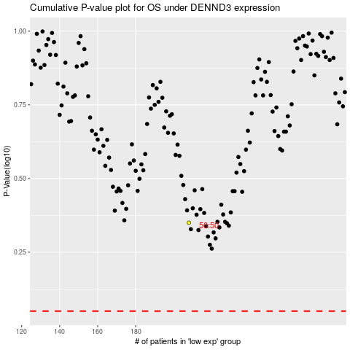

 |  |  |  |  |  | cases_OS | p_OS | rank | exp
 |  |  |  |  |  |  | cases_RFS | p_RFS | rank | exp

