DENND4B _multivariate
Reported by Tex Li-Hsing Chi. tex@gate.sinica.edu.tw 2019-08-20

Table 2. The clinicopathological features of HNSCC cohort and DENND4B expression. (Chi square test)
Cutoff at 0.165 (65.2%)
 |  | DENND4B expression |  | DENND4B expression |  | (Optimised)
 | Features | Low | (%) | High | (%) | Case no | P-value | Remark | Matthews
Gender | Female | 193 | 46.5 | 113 | 27.2 | 415 | 0.1385 | 0 | 0
2 | Male | 78 | 18.8 | 31 | 7.5
Age at diagnosis | <=65y | 173 | 41.7 | 101 | 24.3 | 415 | 0.2375 | 0 | 0
4 | >65y | 98 | 23.6 | 43 | 10.4
Clinical T Status | T1+T2 | 89 | 21.4 | 60 | 14.5 | 415 | 0.0936 | 0 | 0
6 | T3+T4 | 182 | 43.9 | 84 | 20.2
Clinical N Status | N0 | 142 | 34.2 | 74 | 17.8 | 415 | 0.9261 | 0 | 0
8 | N1-3 | 129 | 31.1 | 70 | 16.9
Clinical M Status | M0 | 268 | 64.6 | 144 | 34.7 | 415 | 0.5545 | 0 | 0
10 | M1 | 3 | 0.7 | 0 | 0
Clinical Stage | Stage I+II | 65 | 15.7 | 37 | 8.9 | 415 | 0.7909 | 0 | 0
12 | Stage III+IV | 206 | 49.6 | 107 | 25.8
Surgical Margin status | Negative | 212 | 51.1 | 106 | 25.5 | 415 | 0.3298 | 0 | 0
14 | Positive | 59 | 14.2 | 38 | 9.2
Tobacco Exposure | Low | 104 | 25.1 | 57 | 13.7 | 415 | 0.8328 | 0 | 0
16 | High | 167 | 40.2 | 87 | 21

Table 3. Univariate/Multivariate Cox's proportional hazards regression analyses on OS time of DENND4B gene expression in HNSCC

 |  | Univariate |  |  |  | Multivariate
 | Features | HR | CI95%(L) | CI95%(H) | P-value | HR | CI95%(L) | CI95%(H) | P-value
1 | Female | 1 |  |  |  | 1
Gender | Male | 1.157 | 0.843 | 1.587 | 0.367 | 1.171 | 0.837 | 1.638 | 0.356
11 | <=65y | 1 |  |  |  | 1
Age at diagnosis | >65y | 1.329 | 0.99 | 1.784 | 0.058 | 1.382 | 1.016 | 1.878 | 0.039
12 | T1+T2 | 1 |  |  |  | 1
Clinical T Status | T3+T4 | 1.409 | 1.028 | 1.931 | 0.033 | 2.079 | 1.098 | 3.937 | 0.025
13 | N0 | 1 |  |  |  | 1
Clinical N Status | N1-3 | 1.185 | 0.89 | 1.577 | 0.246 | 1.243 | 0.871 | 1.774 | 0.231
14 | M0 | 1 |  |  |  | 1
Clinical M Status | M1 | 4.097 | 1.009 | 16.644 | 0.049 | 7.935 | 1.721 | 36.588 | 0.008
15 | Stage I+II | 1 |  |  |  | 1
Clinical Stage | Stage III+IV | 1.245 | 0.882 | 1.759 | 0.213 | 0.531 | 0.247 | 1.14 | 0.104
16 | Negative | 1 |  |  |  | 1
Surgical Margin status | Positive | 1.591 | 1.155 | 2.191 | 0.004 | 1.737 | 1.255 | 2.406 | 0.001
17 | Low | 1 |  |  |  | 1
Tobacco Exposure | High | 1.364 | 1.008 | 1.844 | 0.044 | 1.444 | 1.046 | 1.994 | 0.026
18 | Low | 1 |  |  |  | 1
RNAseq(z-score) | High | 0.69 | 0.505 | 0.943 | 0.02 | 0.7 | 0.509 | 0.961 | 0.028

Table 4. Univariate/Multivariate Cox's proportional hazards regression analyses on RFS time of DENND4B gene expression in HNSCC

 |  | Univariate |  |  |  | Multivariate
 | Features | HR | CI95%(L) | CI95%(H) | P-value | HR | CI95%(L) | CI95%(H) | P-value
1 | Female | 1 |  |  |  | 1
Gender | Male | 1.157 | 0.843 | 1.587 | 0.367 | 1.171 | 0.837 | 1.638 | 0.356
11 | <=65y | 1 |  |  |  | 1
Age at diagnosis | >65y | 1.329 | 0.99 | 1.784 | 0.058 | 1.382 | 1.016 | 1.878 | 0.039
12 | T1+T2 | 1 |  |  |  | 1
Clinical T Status | T3+T4 | 1.409 | 1.028 | 1.931 | 0.033 | 2.079 | 1.098 | 3.937 | 0.025
13 | N0 | 1 |  |  |  | 1
Clinical N Status | N1-3 | 1.185 | 0.89 | 1.577 | 0.246 | 1.243 | 0.871 | 1.774 | 0.231
14 | M0 | 1 |  |  |  | 1
Clinical M Status | M1 | 4.097 | 1.009 | 16.644 | 0.049 | 7.935 | 1.721 | 36.588 | 0.008
15 | Stage I+II | 1 |  |  |  | 1
Clinical Stage | Stage III+IV | 1.245 | 0.882 | 1.759 | 0.213 | 0.531 | 0.247 | 1.14 | 0.104
16 | Negative | 1 |  |  |  | 1
Surgical Margin status | Positive | 1.591 | 1.155 | 2.191 | 0.004 | 1.737 | 1.255 | 2.406 | 0.001
17 | Low | 1 |  |  |  | 1
Tobacco Exposure | High | 1.364 | 1.008 | 1.844 | 0.044 | 1.444 | 1.046 | 1.994 | 0.026
18 | Low | 1 |  |  |  | 1
RNAseq(z-score) | High | 0.69 | 0.505 | 0.943 | 0.02 | 0.7 | 0.509 | 0.961 | 0.028

Kaplan-Meier survival estimate: Cutoff at 0.165 (65.2%)

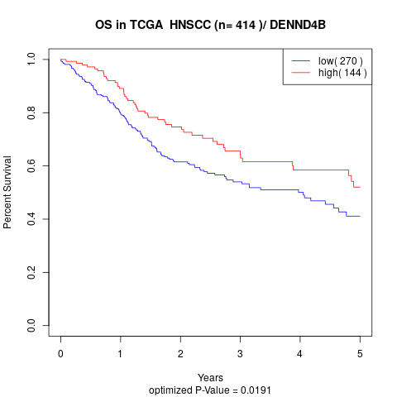

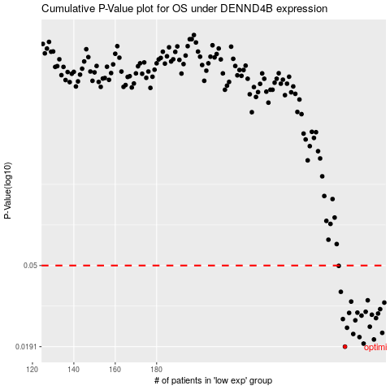

 |  |  |  |  |  | cases_OS | p_OS | rank | exp
 |  |  |  |  |  | 271 | 0.0191 | 347 | 0.16478898422
 |  |  |  |  |  | 280 | 0.0198 | 131 | 0.21492990941
 |  |  |  |  |  | 285 | 0.0208 | 301 | 0.2336183131
 |  |  |  |  |  | 278 | 0.0214 | 49 | 0.2038516977
 |  |  |  |  |  | 275 | 0.0222 | 33 | 0.19795120131
 |  |  |  |  |  | 289 | 0.0225 | 57 | 0.24669134459
 |  |  |  |  |  | 272 | 0.0239 | 93 | 0.17255975535
 |  |  |  |  |  | 283 | 0.0242 | 53 | 0.23022830895
 |  |  |  |  |  | 276 | 0.0261 | 415 | 0.20144091146
 |  |  |  |  |  | 270 | 0.0265 | 308 | 0.15749155423
 |  |  |  |  |  | 286 | 0.0268 | 298 | 0.23399054885
 |  |  |  |  |  | 279 | 0.0276 | 204 | 0.20661302925
 |  |  |  |  |  | 284 | 0.0279 | 208 | 0.23337412085
 |  |  |  |  |  | 287 | 0.0283 | 197 | 0.24029966494
 |  |  |  |  |  | 273 | 0.0285 | 354 | 0.17584515566
 |  |  |  |  |  | 277 | 0.0286 | 284 | 0.20153467009
 |  |  |  |  |  | 281 | 0.0289 | 16 | 0.21604486743
 |  |  |  |  |  | 288 | 0.0298 | 263 | 0.24494771397
 |  |  |  |  |  | 290 | 0.0322 | 209 | 0.24916545288
 |  |  |  |  |  | 274 | 0.0326 | 274 | 0.18838397287
 |  |  |  |  |  | 282 | 0.0331 | 69 | 0.22965316273
 |  |  |  |  |  | 269 | 0.0366 | 38 | 0.15616528945
 |  |  |  |  |  | 268 | 0.0498 | 113 | 0.15614324917
 |  |  |  |  |  |  | cases_RFS | p_RFS | rank | exp
 |  |  |  |  |  |  | 270 | 0.0191 | 308 | 0.15749155423
 |  |  |  |  |  |  | 279 | 0.0198 | 204 | 0.20661302925
 |  |  |  |  |  |  | 284 | 0.0208 | 208 | 0.23337412085
 |  |  |  |  |  |  | 277 | 0.0214 | 284 | 0.20153467009
 |  |  |  |  |  |  | 274 | 0.0222 | 274 | 0.18838397287
 |  |  |  |  |  |  | 288 | 0.0225 | 263 | 0.24494771397
 |  |  |  |  |  |  | 271 | 0.0239 | 347 | 0.16478898422
 |  |  |  |  |  |  | 282 | 0.0242 | 69 | 0.22965316273
 |  |  |  |  |  |  | 275 | 0.0261 | 33 | 0.19795120131
 |  |  |  |  |  |  | 269 | 0.0265 | 38 | 0.15616528945
 |  |  |  |  |  |  | 285 | 0.0268 | 301 | 0.2336183131
 |  |  |  |  |  |  | 278 | 0.0276 | 49 | 0.2038516977
 |  |  |  |  |  |  | 283 | 0.0279 | 53 | 0.23022830895
 |  |  |  |  |  |  | 286 | 0.0283 | 298 | 0.23399054885
 |  |  |  |  |  |  | 272 | 0.0285 | 93 | 0.17255975535
 |  |  |  |  |  |  | 276 | 0.0286 | 415 | 0.20144091146
 |  |  |  |  |  |  | 280 | 0.0289 | 131 | 0.21492990941
 |  |  |  |  |  |  | 287 | 0.0298 | 197 | 0.24029966494
 |  |  |  |  |  |  | 289 | 0.0322 | 57 | 0.24669134459
 |  |  |  |  |  |  | 273 | 0.0326 | 354 | 0.17584515566
 |  |  |  |  |  |  | 281 | 0.0331 | 16 | 0.21604486743
 |  |  |  |  |  |  | 268 | 0.0366 | 113 | 0.15614324917
 |  |  |  |  |  |  | 267 | 0.0498 | 385 | 0.14995413014

