DENND4C _multivariate
Reported by Tex Li-Hsing Chi. tex@gate.sinica.edu.tw 2019-08-20

Table 2. The clinicopathological features of HNSCC cohort and DENND4C expression. (Chi square test)
Cutoff at -0.277 (50.0%)
 |  | DENND4C expression |  | DENND4C expression |  | (Optimised)
 | Features | Low | (%) | High | (%) | Case no | P-value | Remark | Matthews
Gender | Female | 166 | 40 | 140 | 33.7 | 415 | 0.0041 | 1 | 0
2 | Male | 41 | 9.9 | 68 | 16.4
Age at diagnosis | <=65y | 142 | 34.2 | 132 | 31.8 | 415 | 0.3167 | 0 | 0
4 | >65y | 65 | 15.7 | 76 | 18.3
Clinical T Status | T1+T2 | 73 | 17.6 | 76 | 18.3 | 415 | 0.8666 | 0 | 0
6 | T3+T4 | 134 | 32.3 | 132 | 31.8
Clinical N Status | N0 | 100 | 24.1 | 116 | 28 | 415 | 0.1548 | 0 | 0
8 | N1-3 | 107 | 25.8 | 92 | 22.2
Clinical M Status | M0 | 205 | 49.4 | 207 | 49.9 | 415 | 0.6232 | 0 | 0
10 | M1 | 2 | 0.5 | 1 | 0.2
Clinical Stage | Stage I+II | 44 | 10.6 | 58 | 14 | 415 | 0.1459 | 0 | 0
12 | Stage III+IV | 163 | 39.3 | 150 | 36.1
Surgical Margin status | Negative | 158 | 38.1 | 160 | 38.6 | 415 | 0.9081 | 0 | 0
14 | Positive | 49 | 11.8 | 48 | 11.6
Tobacco Exposure | Low | 69 | 16.6 | 92 | 22.2 | 415 | 0.0266 | 1 | 0
16 | High | 138 | 33.3 | 116 | 28

Table 3. Univariate/Multivariate Cox's proportional hazards regression analyses on OS time of DENND4C gene expression in HNSCC

 |  | Univariate |  |  |  | Multivariate
 | Features | HR | CI95%(L) | CI95%(H) | P-value | HR | CI95%(L) | CI95%(H) | P-value
1 | Female | 1 |  |  |  | 1
Gender | Male | 1.157 | 0.843 | 1.587 | 0.367 | 1.202 | 0.861 | 1.678 | 0.281
11 | <=65y | 1 |  |  |  | 1
Age at diagnosis | >65y | 1.329 | 0.99 | 1.784 | 0.058 | 1.392 | 1.024 | 1.892 | 0.035
12 | T1+T2 | 1 |  |  |  | 1
Clinical T Status | T3+T4 | 1.409 | 1.028 | 1.931 | 0.033 | 2.186 | 1.156 | 4.136 | 0.016
13 | N0 | 1 |  |  |  | 1
Clinical N Status | N1-3 | 1.185 | 0.89 | 1.577 | 0.246 | 1.239 | 0.868 | 1.767 | 0.237
14 | M0 | 1 |  |  |  | 1
Clinical M Status | M1 | 4.097 | 1.009 | 16.644 | 0.049 | 9.676 | 2.107 | 44.437 | 0.004
15 | Stage I+II | 1 |  |  |  | 1
Clinical Stage | Stage III+IV | 1.245 | 0.882 | 1.759 | 0.213 | 0.512 | 0.238 | 1.101 | 0.087
16 | Negative | 1 |  |  |  | 1
Surgical Margin status | Positive | 1.591 | 1.155 | 2.191 | 0.004 | 1.682 | 1.216 | 2.326 | 0.002
17 | Low | 1 |  |  |  | 1
Tobacco Exposure | High | 1.364 | 1.008 | 1.844 | 0.044 | 1.478 | 1.07 | 2.042 | 0.018
18 | Low | 1 |  |  |  | 1
RNAseq(z-score) | High | 1.053 | 0.79 | 1.402 | 0.726 | 1.121 | 0.838 | 1.5 | 0.442

Table 4. Univariate/Multivariate Cox's proportional hazards regression analyses on RFS time of DENND4C gene expression in HNSCC

 |  | Univariate |  |  |  | Multivariate
 | Features | HR | CI95%(L) | CI95%(H) | P-value | HR | CI95%(L) | CI95%(H) | P-value
1 | Female | 1 |  |  |  | 1
Gender | Male | 1.157 | 0.843 | 1.587 | 0.367 | 1.202 | 0.861 | 1.678 | 0.281
11 | <=65y | 1 |  |  |  | 1
Age at diagnosis | >65y | 1.329 | 0.99 | 1.784 | 0.058 | 1.392 | 1.024 | 1.892 | 0.035
12 | T1+T2 | 1 |  |  |  | 1
Clinical T Status | T3+T4 | 1.409 | 1.028 | 1.931 | 0.033 | 2.186 | 1.156 | 4.136 | 0.016
13 | N0 | 1 |  |  |  | 1
Clinical N Status | N1-3 | 1.185 | 0.89 | 1.577 | 0.246 | 1.239 | 0.868 | 1.767 | 0.237
14 | M0 | 1 |  |  |  | 1
Clinical M Status | M1 | 4.097 | 1.009 | 16.644 | 0.049 | 9.676 | 2.107 | 44.437 | 0.004
15 | Stage I+II | 1 |  |  |  | 1
Clinical Stage | Stage III+IV | 1.245 | 0.882 | 1.759 | 0.213 | 0.512 | 0.238 | 1.101 | 0.087
16 | Negative | 1 |  |  |  | 1
Surgical Margin status | Positive | 1.591 | 1.155 | 2.191 | 0.004 | 1.682 | 1.216 | 2.326 | 0.002
17 | Low | 1 |  |  |  | 1
Tobacco Exposure | High | 1.364 | 1.008 | 1.844 | 0.044 | 1.478 | 1.07 | 2.042 | 0.018
18 | Low | 1 |  |  |  | 1
RNAseq(z-score) | High | 1.053 | 0.79 | 1.402 | 0.726 | 1.121 | 0.838 | 1.5 | 0.442

Kaplan-Meier survival estimate: Cutoff at -0.277 (50.0%)



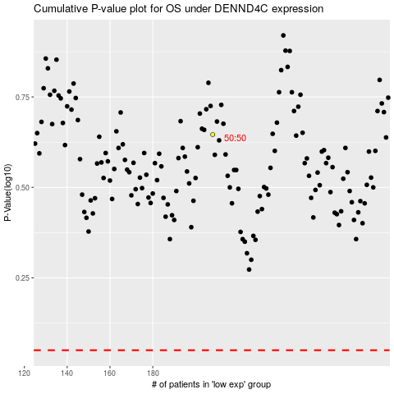

 |  |  |  |  |  | cases_OS | p_OS | rank | exp
 |  |  |  |  |  |  | cases_RFS | p_RFS | rank | exp

