DENND5A _multivariate
Reported by Tex Li-Hsing Chi. tex@gate.sinica.edu.tw 2019-08-20

Table 2. The clinicopathological features of HNSCC cohort and DENND5A expression. (Chi square test)
Cutoff at -0.124 (49.8%)
 |  | DENND5A expression |  | DENND5A expression |  | (Optimised)
 | Features | Low | (%) | High | (%) | Case no | P-value | Remark | Matthews
Gender | Female | 151 | 36.4 | 155 | 37.3 | 415 | 0.8007 | 0 | 0
2 | Male | 56 | 13.5 | 53 | 12.8
Age at diagnosis | <=65y | 133 | 32 | 141 | 34 | 415 | 0.5111 | 0 | 0
4 | >65y | 74 | 17.8 | 67 | 16.1
Clinical T Status | T1+T2 | 73 | 17.6 | 76 | 18.3 | 415 | 0.8666 | 0 | 0
6 | T3+T4 | 134 | 32.3 | 132 | 31.8
Clinical N Status | N0 | 113 | 27.2 | 103 | 24.8 | 415 | 0.3495 | 1 | 0
8 | N1-3 | 94 | 22.7 | 105 | 25.3
Clinical M Status | M0 | 206 | 49.6 | 206 | 49.6 | 415 | 1 | 0 | 0
10 | M1 | 1 | 0.2 | 2 | 0.5
Clinical Stage | Stage I+II | 52 | 12.5 | 50 | 12 | 415 | 0.8871 | 0 | 0
12 | Stage III+IV | 155 | 37.3 | 158 | 38.1
Surgical Margin status | Negative | 161 | 38.8 | 157 | 37.8 | 415 | 0.6429 | 0 | 0
14 | Positive | 46 | 11.1 | 51 | 12.3
Tobacco Exposure | Low | 86 | 20.7 | 75 | 18.1 | 415 | 0.2687 | 0 | 0
16 | High | 121 | 29.2 | 133 | 32

Table 3. Univariate/Multivariate Cox's proportional hazards regression analyses on OS time of DENND5A gene expression in HNSCC

 |  | Univariate |  |  |  | Multivariate
 | Features | HR | CI95%(L) | CI95%(H) | P-value | HR | CI95%(L) | CI95%(H) | P-value
1 | Female | 1 |  |  |  | 1
Gender | Male | 1.157 | 0.843 | 1.587 | 0.367 | 1.22 | 0.873 | 1.706 | 0.244
11 | <=65y | 1 |  |  |  | 1
Age at diagnosis | >65y | 1.329 | 0.99 | 1.784 | 0.058 | 1.42 | 1.043 | 1.935 | 0.026
12 | T1+T2 | 1 |  |  |  | 1
Clinical T Status | T3+T4 | 1.409 | 1.028 | 1.931 | 0.033 | 2.189 | 1.158 | 4.138 | 0.016
13 | N0 | 1 |  |  |  | 1
Clinical N Status | N1-3 | 1.185 | 0.89 | 1.577 | 0.246 | 1.23 | 0.861 | 1.756 | 0.255
14 | M0 | 1 |  |  |  | 1
Clinical M Status | M1 | 4.097 | 1.009 | 16.644 | 0.049 | 9.257 | 2.019 | 42.433 | 0.004
15 | Stage I+II | 1 |  |  |  | 1
Clinical Stage | Stage III+IV | 1.245 | 0.882 | 1.759 | 0.213 | 0.509 | 0.237 | 1.092 | 0.083
16 | Negative | 1 |  |  |  | 1
Surgical Margin status | Positive | 1.591 | 1.155 | 2.191 | 0.004 | 1.664 | 1.204 | 2.299 | 0.002
17 | Low | 1 |  |  |  | 1
Tobacco Exposure | High | 1.364 | 1.008 | 1.844 | 0.044 | 1.458 | 1.058 | 2.008 | 0.021
18 | Low | 1 |  |  |  | 1
RNAseq(z-score) | High | 1.191 | 0.893 | 1.588 | 0.234 | 1.218 | 0.91 | 1.631 | 0.185

Table 4. Univariate/Multivariate Cox's proportional hazards regression analyses on RFS time of DENND5A gene expression in HNSCC

 |  | Univariate |  |  |  | Multivariate
 | Features | HR | CI95%(L) | CI95%(H) | P-value | HR | CI95%(L) | CI95%(H) | P-value
1 | Female | 1 |  |  |  | 1
Gender | Male | 1.157 | 0.843 | 1.587 | 0.367 | 1.22 | 0.873 | 1.706 | 0.244
11 | <=65y | 1 |  |  |  | 1
Age at diagnosis | >65y | 1.329 | 0.99 | 1.784 | 0.058 | 1.42 | 1.043 | 1.935 | 0.026
12 | T1+T2 | 1 |  |  |  | 1
Clinical T Status | T3+T4 | 1.409 | 1.028 | 1.931 | 0.033 | 2.189 | 1.158 | 4.138 | 0.016
13 | N0 | 1 |  |  |  | 1
Clinical N Status | N1-3 | 1.185 | 0.89 | 1.577 | 0.246 | 1.23 | 0.861 | 1.756 | 0.255
14 | M0 | 1 |  |  |  | 1
Clinical M Status | M1 | 4.097 | 1.009 | 16.644 | 0.049 | 9.257 | 2.019 | 42.433 | 0.004
15 | Stage I+II | 1 |  |  |  | 1
Clinical Stage | Stage III+IV | 1.245 | 0.882 | 1.759 | 0.213 | 0.509 | 0.237 | 1.092 | 0.083
16 | Negative | 1 |  |  |  | 1
Surgical Margin status | Positive | 1.591 | 1.155 | 2.191 | 0.004 | 1.664 | 1.204 | 2.299 | 0.002
17 | Low | 1 |  |  |  | 1
Tobacco Exposure | High | 1.364 | 1.008 | 1.844 | 0.044 | 1.458 | 1.058 | 2.008 | 0.021
18 | Low | 1 |  |  |  | 1
RNAseq(z-score) | High | 1.191 | 0.893 | 1.588 | 0.234 | 1.218 | 0.91 | 1.631 | 0.185

Kaplan-Meier survival estimate: Cutoff at -0.124 (49.8%)



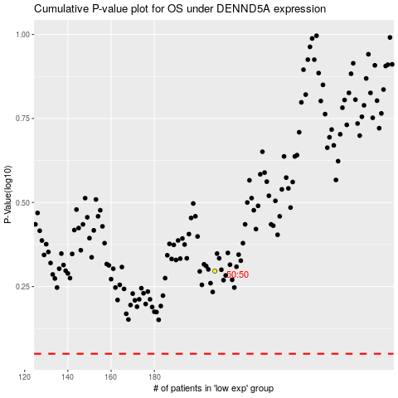

 |  |  |  |  |  | cases_OS | p_OS | rank | exp
 |  |  |  |  |  |  | cases_RFS | p_RFS | rank | exp

