DENR _multivariate
Reported by Tex Li-Hsing Chi. tex@gate.sinica.edu.tw 2019-08-20

Table 2. The clinicopathological features of HNSCC cohort and DENR expression. (Chi square test)
Cutoff at -0.167 (45.4%)
 |  | DENR expression |  | DENR expression |  | (Optimised)
 | Features | Low | (%) | High | (%) | Case no | P-value | Remark | Matthews
Gender | Female | 140 | 33.7 | 166 | 40 | 415 | 0.844 | 0 | 0
2 | Male | 48 | 11.6 | 61 | 14.7
Age at diagnosis | <=65y | 122 | 29.4 | 152 | 36.6 | 415 | 0.7351 | 0 | 0
4 | >65y | 66 | 15.9 | 75 | 18.1
Clinical T Status | T1+T2 | 68 | 16.4 | 81 | 19.5 | 415 | 0.9998 | 0 | 0
6 | T3+T4 | 120 | 28.9 | 146 | 35.2
Clinical N Status | N0 | 102 | 24.6 | 114 | 27.5 | 415 | 0.4713 | 0 | 0
8 | N1-3 | 86 | 20.7 | 113 | 27.2
Clinical M Status | M0 | 187 | 45.1 | 225 | 54.2 | 415 | 1 | 0 | 0
10 | M1 | 1 | 0.2 | 2 | 0.5
Clinical Stage | Stage I+II | 44 | 10.6 | 58 | 14 | 415 | 0.6958 | 0 | 0
12 | Stage III+IV | 144 | 34.7 | 169 | 40.7
Surgical Margin status | Negative | 154 | 37.1 | 164 | 39.5 | 415 | 0.0265 | 1 | 0
14 | Positive | 34 | 8.2 | 63 | 15.2
Tobacco Exposure | Low | 74 | 17.8 | 87 | 21 | 415 | 0.8402 | 0 | 0
16 | High | 114 | 27.5 | 140 | 33.7

Table 3. Univariate/Multivariate Cox's proportional hazards regression analyses on OS time of DENR gene expression in HNSCC

 |  | Univariate |  |  |  | Multivariate
 | Features | HR | CI95%(L) | CI95%(H) | P-value | HR | CI95%(L) | CI95%(H) | P-value
1 | Female | 1 |  |  |  | 1
Gender | Male | 1.157 | 0.843 | 1.587 | 0.367 | 1.183 | 0.846 | 1.654 | 0.325
11 | <=65y | 1 |  |  |  | 1
Age at diagnosis | >65y | 1.329 | 0.99 | 1.784 | 0.058 | 1.4 | 1.03 | 1.902 | 0.032
12 | T1+T2 | 1 |  |  |  | 1
Clinical T Status | T3+T4 | 1.409 | 1.028 | 1.931 | 0.033 | 2.15 | 1.137 | 4.064 | 0.019
13 | N0 | 1 |  |  |  | 1
Clinical N Status | N1-3 | 1.185 | 0.89 | 1.577 | 0.246 | 1.219 | 0.854 | 1.739 | 0.275
14 | M0 | 1 |  |  |  | 1
Clinical M Status | M1 | 4.097 | 1.009 | 16.644 | 0.049 | 9.102 | 1.986 | 41.718 | 0.004
15 | Stage I+II | 1 |  |  |  | 1
Clinical Stage | Stage III+IV | 1.245 | 0.882 | 1.759 | 0.213 | 0.528 | 0.246 | 1.136 | 0.102
16 | Negative | 1 |  |  |  | 1
Surgical Margin status | Positive | 1.591 | 1.155 | 2.191 | 0.004 | 1.619 | 1.17 | 2.241 | 0.004
17 | Low | 1 |  |  |  | 1
Tobacco Exposure | High | 1.364 | 1.008 | 1.844 | 0.044 | 1.448 | 1.051 | 1.996 | 0.024
18 | Low | 1 |  |  |  | 1
RNAseq(z-score) | High | 1.337 | 0.999 | 1.789 | 0.051 | 1.268 | 0.943 | 1.706 | 0.116

Table 4. Univariate/Multivariate Cox's proportional hazards regression analyses on RFS time of DENR gene expression in HNSCC

 |  | Univariate |  |  |  | Multivariate
 | Features | HR | CI95%(L) | CI95%(H) | P-value | HR | CI95%(L) | CI95%(H) | P-value
1 | Female | 1 |  |  |  | 1
Gender | Male | 1.157 | 0.843 | 1.587 | 0.367 | 1.183 | 0.846 | 1.654 | 0.325
11 | <=65y | 1 |  |  |  | 1
Age at diagnosis | >65y | 1.329 | 0.99 | 1.784 | 0.058 | 1.4 | 1.03 | 1.902 | 0.032
12 | T1+T2 | 1 |  |  |  | 1
Clinical T Status | T3+T4 | 1.409 | 1.028 | 1.931 | 0.033 | 2.15 | 1.137 | 4.064 | 0.019
13 | N0 | 1 |  |  |  | 1
Clinical N Status | N1-3 | 1.185 | 0.89 | 1.577 | 0.246 | 1.219 | 0.854 | 1.739 | 0.275
14 | M0 | 1 |  |  |  | 1
Clinical M Status | M1 | 4.097 | 1.009 | 16.644 | 0.049 | 9.102 | 1.986 | 41.718 | 0.004
15 | Stage I+II | 1 |  |  |  | 1
Clinical Stage | Stage III+IV | 1.245 | 0.882 | 1.759 | 0.213 | 0.528 | 0.246 | 1.136 | 0.102
16 | Negative | 1 |  |  |  | 1
Surgical Margin status | Positive | 1.591 | 1.155 | 2.191 | 0.004 | 1.619 | 1.17 | 2.241 | 0.004
17 | Low | 1 |  |  |  | 1
Tobacco Exposure | High | 1.364 | 1.008 | 1.844 | 0.044 | 1.448 | 1.051 | 1.996 | 0.024
18 | Low | 1 |  |  |  | 1
RNAseq(z-score) | High | 1.337 | 0.999 | 1.789 | 0.051 | 1.268 | 0.943 | 1.706 | 0.116

Kaplan-Meier survival estimate: Cutoff at -0.167 (45.4%)



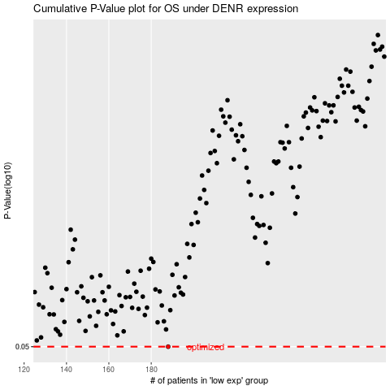

 |  |  |  |  |  | cases_OS | p_OS | rank | exp
 |  |  |  |  |  | 188 | 0.05 | 70 | -0.16691183909
 |  |  |  |  |  |  | cases_RFS | p_RFS | rank | exp
 |  |  |  |  |  |  | 187 | 0.05 | 341 | -0.17809956614

