DEPDC4 _multivariate
Reported by Tex Li-Hsing Chi. tex@gate.sinica.edu.tw 2019-08-20

Table 2. The clinicopathological features of HNSCC cohort and DEPDC4 expression. (Chi square test)
Cutoff at -0.169 (49.8%)
 |  | DEPDC4 expression |  | DEPDC4 expression |  | (Optimised)
 | Features | Low | (%) | High | (%) | Case no | P-value | Remark | Matthews
Gender | Female | 142 | 34.2 | 164 | 39.5 | 415 | 0.0238 | 1 | 0
2 | Male | 65 | 15.7 | 44 | 10.6
Age at diagnosis | <=65y | 135 | 32.5 | 139 | 33.5 | 415 | 0.8084 | 0 | 0
4 | >65y | 72 | 17.3 | 69 | 16.6
Clinical T Status | T1+T2 | 71 | 17.1 | 78 | 18.8 | 415 | 0.5638 | 0 | 0
6 | T3+T4 | 136 | 32.8 | 130 | 31.3
Clinical N Status | N0 | 113 | 27.2 | 103 | 24.8 | 415 | 0.3495 | 1 | 0
8 | N1-3 | 94 | 22.7 | 105 | 25.3
Clinical M Status | M0 | 206 | 49.6 | 206 | 49.6 | 415 | 1 | 0 | 0
10 | M1 | 1 | 0.2 | 2 | 0.5
Clinical Stage | Stage I+II | 57 | 13.7 | 45 | 10.8 | 415 | 0.1998 | 0 | 0
12 | Stage III+IV | 150 | 36.1 | 163 | 39.3
Surgical Margin status | Negative | 172 | 41.4 | 146 | 35.2 | 415 | 0.0025 | 1 | 0
14 | Positive | 35 | 8.4 | 62 | 14.9
Tobacco Exposure | Low | 92 | 22.2 | 69 | 16.6 | 415 | 0.0206 | 1 | 0
16 | High | 115 | 27.7 | 139 | 33.5

Table 3. Univariate/Multivariate Cox's proportional hazards regression analyses on OS time of DEPDC4 gene expression in HNSCC

 |  | Univariate |  |  |  | Multivariate
 | Features | HR | CI95%(L) | CI95%(H) | P-value | HR | CI95%(L) | CI95%(H) | P-value
1 | Female | 1 |  |  |  | 1
Gender | Male | 1.157 | 0.843 | 1.587 | 0.367 | 1.197 | 0.854 | 1.676 | 0.296
11 | <=65y | 1 |  |  |  | 1
Age at diagnosis | >65y | 1.329 | 0.99 | 1.784 | 0.058 | 1.394 | 1.025 | 1.895 | 0.034
12 | T1+T2 | 1 |  |  |  | 1
Clinical T Status | T3+T4 | 1.409 | 1.028 | 1.931 | 0.033 | 2.187 | 1.152 | 4.152 | 0.017
13 | N0 | 1 |  |  |  | 1
Clinical N Status | N1-3 | 1.185 | 0.89 | 1.577 | 0.246 | 1.237 | 0.866 | 1.767 | 0.243
14 | M0 | 1 |  |  |  | 1
Clinical M Status | M1 | 4.097 | 1.009 | 16.644 | 0.049 | 9.374 | 2.044 | 42.986 | 0.004
15 | Stage I+II | 1 |  |  |  | 1
Clinical Stage | Stage III+IV | 1.245 | 0.882 | 1.759 | 0.213 | 0.51 | 0.236 | 1.104 | 0.087
16 | Negative | 1 |  |  |  | 1
Surgical Margin status | Positive | 1.591 | 1.155 | 2.191 | 0.004 | 1.681 | 1.21 | 2.336 | 0.002
17 | Low | 1 |  |  |  | 1
Tobacco Exposure | High | 1.364 | 1.008 | 1.844 | 0.044 | 1.458 | 1.056 | 2.014 | 0.022
18 | Low | 1 |  |  |  | 1
RNAseq(z-score) | High | 1.032 | 0.772 | 1.381 | 0.829 | 0.97 | 0.715 | 1.318 | 0.847

Table 4. Univariate/Multivariate Cox's proportional hazards regression analyses on RFS time of DEPDC4 gene expression in HNSCC

 |  | Univariate |  |  |  | Multivariate
 | Features | HR | CI95%(L) | CI95%(H) | P-value | HR | CI95%(L) | CI95%(H) | P-value
1 | Female | 1 |  |  |  | 1
Gender | Male | 1.157 | 0.843 | 1.587 | 0.367 | 1.197 | 0.854 | 1.676 | 0.296
11 | <=65y | 1 |  |  |  | 1
Age at diagnosis | >65y | 1.329 | 0.99 | 1.784 | 0.058 | 1.394 | 1.025 | 1.895 | 0.034
12 | T1+T2 | 1 |  |  |  | 1
Clinical T Status | T3+T4 | 1.409 | 1.028 | 1.931 | 0.033 | 2.187 | 1.152 | 4.152 | 0.017
13 | N0 | 1 |  |  |  | 1
Clinical N Status | N1-3 | 1.185 | 0.89 | 1.577 | 0.246 | 1.237 | 0.866 | 1.767 | 0.243
14 | M0 | 1 |  |  |  | 1
Clinical M Status | M1 | 4.097 | 1.009 | 16.644 | 0.049 | 9.374 | 2.044 | 42.986 | 0.004
15 | Stage I+II | 1 |  |  |  | 1
Clinical Stage | Stage III+IV | 1.245 | 0.882 | 1.759 | 0.213 | 0.51 | 0.236 | 1.104 | 0.087
16 | Negative | 1 |  |  |  | 1
Surgical Margin status | Positive | 1.591 | 1.155 | 2.191 | 0.004 | 1.681 | 1.21 | 2.336 | 0.002
17 | Low | 1 |  |  |  | 1
Tobacco Exposure | High | 1.364 | 1.008 | 1.844 | 0.044 | 1.458 | 1.056 | 2.014 | 0.022
18 | Low | 1 |  |  |  | 1
RNAseq(z-score) | High | 1.032 | 0.772 | 1.381 | 0.829 | 0.97 | 0.715 | 1.318 | 0.847

Kaplan-Meier survival estimate: Cutoff at -0.169 (49.8%)



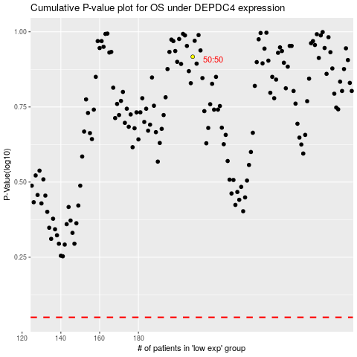

 |  |  |  |  |  | cases_OS | p_OS | rank | exp
 |  |  |  |  |  |  | cases_RFS | p_RFS | rank | exp

