DEPDC7 _multivariate
Reported by Tex Li-Hsing Chi. tex@gate.sinica.edu.tw 2019-08-20

Table 2. The clinicopathological features of HNSCC cohort and DEPDC7 expression. (Chi square test)
Cutoff at -0.09 (50.0%)
 |  | DEPDC7 expression |  | DEPDC7 expression |  | (Optimised)
 | Features | Low | (%) | High | (%) | Case no | P-value | Remark | Matthews
Gender | Female | 160 | 38.6 | 146 | 35.2 | 415 | 0.1254 | 0 | 0
2 | Male | 47 | 11.3 | 62 | 14.9
Age at diagnosis | <=65y | 140 | 33.7 | 134 | 32.3 | 415 | 0.5574 | 0 | 0
4 | >65y | 67 | 16.1 | 74 | 17.8
Clinical T Status | T1+T2 | 69 | 16.6 | 80 | 19.3 | 415 | 0.3239 | 0 | 0
6 | T3+T4 | 138 | 33.3 | 128 | 30.8
Clinical N Status | N0 | 103 | 24.8 | 113 | 27.2 | 415 | 0.4047 | 0 | 0
8 | N1-3 | 104 | 25.1 | 95 | 22.9
Clinical M Status | M0 | 205 | 49.4 | 207 | 49.9 | 415 | 0.6232 | 0 | 0
10 | M1 | 2 | 0.5 | 1 | 0.2
Clinical Stage | Stage I+II | 38 | 9.2 | 64 | 15.4 | 415 | 0.0048 | 1 | 0
12 | Stage III+IV | 169 | 40.7 | 144 | 34.7
Surgical Margin status | Negative | 159 | 38.3 | 159 | 38.3 | 415 | 1 | 0 | 0
14 | Positive | 48 | 11.6 | 49 | 11.8
Tobacco Exposure | Low | 68 | 16.4 | 93 | 22.4 | 415 | 0.0156 | 1 | 0
16 | High | 139 | 33.5 | 115 | 27.7

Table 3. Univariate/Multivariate Cox's proportional hazards regression analyses on OS time of DEPDC7 gene expression in HNSCC

 |  | Univariate |  |  |  | Multivariate
 | Features | HR | CI95%(L) | CI95%(H) | P-value | HR | CI95%(L) | CI95%(H) | P-value
1 | Female | 1 |  |  |  | 1
Gender | Male | 1.157 | 0.843 | 1.587 | 0.367 | 1.199 | 0.858 | 1.675 | 0.287
11 | <=65y | 1 |  |  |  | 1
Age at diagnosis | >65y | 1.329 | 0.99 | 1.784 | 0.058 | 1.397 | 1.027 | 1.899 | 0.033
12 | T1+T2 | 1 |  |  |  | 1
Clinical T Status | T3+T4 | 1.409 | 1.028 | 1.931 | 0.033 | 2.155 | 1.136 | 4.089 | 0.019
13 | N0 | 1 |  |  |  | 1
Clinical N Status | N1-3 | 1.185 | 0.89 | 1.577 | 0.246 | 1.235 | 0.866 | 1.762 | 0.244
14 | M0 | 1 |  |  |  | 1
Clinical M Status | M1 | 4.097 | 1.009 | 16.644 | 0.049 | 9.273 | 2.022 | 42.532 | 0.004
15 | Stage I+II | 1 |  |  |  | 1
Clinical Stage | Stage III+IV | 1.245 | 0.882 | 1.759 | 0.213 | 0.527 | 0.243 | 1.143 | 0.105
16 | Negative | 1 |  |  |  | 1
Surgical Margin status | Positive | 1.591 | 1.155 | 2.191 | 0.004 | 1.664 | 1.204 | 2.299 | 0.002
17 | Low | 1 |  |  |  | 1
Tobacco Exposure | High | 1.364 | 1.008 | 1.844 | 0.044 | 1.462 | 1.06 | 2.016 | 0.021
18 | Low | 1 |  |  |  | 1
RNAseq(z-score) | High | 1.114 | 0.837 | 1.484 | 0.459 | 1.103 | 0.822 | 1.479 | 0.514

Table 4. Univariate/Multivariate Cox's proportional hazards regression analyses on RFS time of DEPDC7 gene expression in HNSCC

 |  | Univariate |  |  |  | Multivariate
 | Features | HR | CI95%(L) | CI95%(H) | P-value | HR | CI95%(L) | CI95%(H) | P-value
1 | Female | 1 |  |  |  | 1
Gender | Male | 1.157 | 0.843 | 1.587 | 0.367 | 1.199 | 0.858 | 1.675 | 0.287
11 | <=65y | 1 |  |  |  | 1
Age at diagnosis | >65y | 1.329 | 0.99 | 1.784 | 0.058 | 1.397 | 1.027 | 1.899 | 0.033
12 | T1+T2 | 1 |  |  |  | 1
Clinical T Status | T3+T4 | 1.409 | 1.028 | 1.931 | 0.033 | 2.155 | 1.136 | 4.089 | 0.019
13 | N0 | 1 |  |  |  | 1
Clinical N Status | N1-3 | 1.185 | 0.89 | 1.577 | 0.246 | 1.235 | 0.866 | 1.762 | 0.244
14 | M0 | 1 |  |  |  | 1
Clinical M Status | M1 | 4.097 | 1.009 | 16.644 | 0.049 | 9.273 | 2.022 | 42.532 | 0.004
15 | Stage I+II | 1 |  |  |  | 1
Clinical Stage | Stage III+IV | 1.245 | 0.882 | 1.759 | 0.213 | 0.527 | 0.243 | 1.143 | 0.105
16 | Negative | 1 |  |  |  | 1
Surgical Margin status | Positive | 1.591 | 1.155 | 2.191 | 0.004 | 1.664 | 1.204 | 2.299 | 0.002
17 | Low | 1 |  |  |  | 1
Tobacco Exposure | High | 1.364 | 1.008 | 1.844 | 0.044 | 1.462 | 1.06 | 2.016 | 0.021
18 | Low | 1 |  |  |  | 1
RNAseq(z-score) | High | 1.114 | 0.837 | 1.484 | 0.459 | 1.103 | 0.822 | 1.479 | 0.514

Kaplan-Meier survival estimate: Cutoff at -0.09 (50.0%)



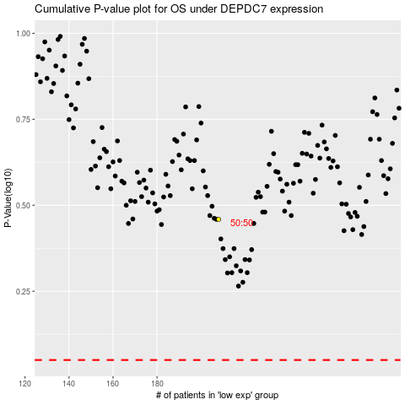

 |  |  |  |  |  | cases_OS | p_OS | rank | exp
 |  |  |  |  |  |  | cases_RFS | p_RFS | rank | exp

