DFFA _multivariate
Reported by Tex Li-Hsing Chi. tex@gate.sinica.edu.tw 2019-08-20

Table 2. The clinicopathological features of HNSCC cohort and DFFA expression. (Chi square test)
Cutoff at -0.109 (49.8%)
 |  | DFFA expression |  | DFFA expression |  | (Optimised)
 | Features | Low | (%) | High | (%) | Case no | P-value | Remark | Matthews
Gender | Female | 154 | 37.1 | 152 | 36.6 | 415 | 0.8463 | 0 | 0
2 | Male | 53 | 12.8 | 56 | 13.5
Age at diagnosis | <=65y | 138 | 33.3 | 136 | 32.8 | 415 | 0.8634 | 0 | 0
4 | >65y | 69 | 16.6 | 72 | 17.3
Clinical T Status | T1+T2 | 86 | 20.7 | 63 | 15.2 | 415 | 0.0221 | 1 | 0
6 | T3+T4 | 121 | 29.2 | 145 | 34.9
Clinical N Status | N0 | 110 | 26.5 | 106 | 25.5 | 415 | 0.7294 | 0 | 0
8 | N1-3 | 97 | 23.4 | 102 | 24.6
Clinical M Status | M0 | 206 | 49.6 | 206 | 49.6 | 415 | 1 | 0 | 0
10 | M1 | 1 | 0.2 | 2 | 0.5
Clinical Stage | Stage I+II | 57 | 13.7 | 45 | 10.8 | 415 | 0.1998 | 0 | 0
12 | Stage III+IV | 150 | 36.1 | 163 | 39.3
Surgical Margin status | Negative | 157 | 37.8 | 161 | 38.8 | 415 | 0.729 | 0 | 0
14 | Positive | 50 | 12 | 47 | 11.3
Tobacco Exposure | Low | 85 | 20.5 | 76 | 18.3 | 415 | 0.3655 | 0 | 0
16 | High | 122 | 29.4 | 132 | 31.8

Table 3. Univariate/Multivariate Cox's proportional hazards regression analyses on OS time of DFFA gene expression in HNSCC

 |  | Univariate |  |  |  | Multivariate
 | Features | HR | CI95%(L) | CI95%(H) | P-value | HR | CI95%(L) | CI95%(H) | P-value
1 | Female | 1 |  |  |  | 1
Gender | Male | 1.157 | 0.843 | 1.587 | 0.367 | 1.187 | 0.849 | 1.66 | 0.315
11 | <=65y | 1 |  |  |  | 1
Age at diagnosis | >65y | 1.329 | 0.99 | 1.784 | 0.058 | 1.4 | 1.029 | 1.904 | 0.032
12 | T1+T2 | 1 |  |  |  | 1
Clinical T Status | T3+T4 | 1.409 | 1.028 | 1.931 | 0.033 | 2.184 | 1.154 | 4.132 | 0.016
13 | N0 | 1 |  |  |  | 1
Clinical N Status | N1-3 | 1.185 | 0.89 | 1.577 | 0.246 | 1.238 | 0.868 | 1.767 | 0.239
14 | M0 | 1 |  |  |  | 1
Clinical M Status | M1 | 4.097 | 1.009 | 16.644 | 0.049 | 9.281 | 2.023 | 42.576 | 0.004
15 | Stage I+II | 1 |  |  |  | 1
Clinical Stage | Stage III+IV | 1.245 | 0.882 | 1.759 | 0.213 | 0.498 | 0.232 | 1.069 | 0.074
16 | Negative | 1 |  |  |  | 1
Surgical Margin status | Positive | 1.591 | 1.155 | 2.191 | 0.004 | 1.702 | 1.229 | 2.358 | 0.001
17 | Low | 1 |  |  |  | 1
Tobacco Exposure | High | 1.364 | 1.008 | 1.844 | 0.044 | 1.462 | 1.06 | 2.015 | 0.02
18 | Low | 1 |  |  |  | 1
RNAseq(z-score) | High | 1.149 | 0.863 | 1.53 | 0.343 | 1.147 | 0.856 | 1.538 | 0.357

Table 4. Univariate/Multivariate Cox's proportional hazards regression analyses on RFS time of DFFA gene expression in HNSCC

 |  | Univariate |  |  |  | Multivariate
 | Features | HR | CI95%(L) | CI95%(H) | P-value | HR | CI95%(L) | CI95%(H) | P-value
1 | Female | 1 |  |  |  | 1
Gender | Male | 1.157 | 0.843 | 1.587 | 0.367 | 1.187 | 0.849 | 1.66 | 0.315
11 | <=65y | 1 |  |  |  | 1
Age at diagnosis | >65y | 1.329 | 0.99 | 1.784 | 0.058 | 1.4 | 1.029 | 1.904 | 0.032
12 | T1+T2 | 1 |  |  |  | 1
Clinical T Status | T3+T4 | 1.409 | 1.028 | 1.931 | 0.033 | 2.184 | 1.154 | 4.132 | 0.016
13 | N0 | 1 |  |  |  | 1
Clinical N Status | N1-3 | 1.185 | 0.89 | 1.577 | 0.246 | 1.238 | 0.868 | 1.767 | 0.239
14 | M0 | 1 |  |  |  | 1
Clinical M Status | M1 | 4.097 | 1.009 | 16.644 | 0.049 | 9.281 | 2.023 | 42.576 | 0.004
15 | Stage I+II | 1 |  |  |  | 1
Clinical Stage | Stage III+IV | 1.245 | 0.882 | 1.759 | 0.213 | 0.498 | 0.232 | 1.069 | 0.074
16 | Negative | 1 |  |  |  | 1
Surgical Margin status | Positive | 1.591 | 1.155 | 2.191 | 0.004 | 1.702 | 1.229 | 2.358 | 0.001
17 | Low | 1 |  |  |  | 1
Tobacco Exposure | High | 1.364 | 1.008 | 1.844 | 0.044 | 1.462 | 1.06 | 2.015 | 0.02
18 | Low | 1 |  |  |  | 1
RNAseq(z-score) | High | 1.149 | 0.863 | 1.53 | 0.343 | 1.147 | 0.856 | 1.538 | 0.357

Kaplan-Meier survival estimate: Cutoff at -0.109 (49.8%)



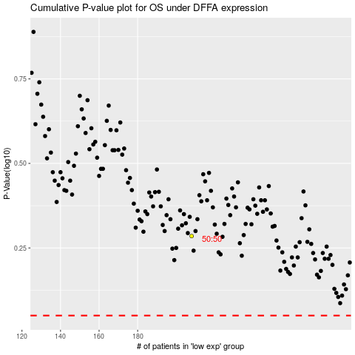

 |  |  |  |  |  | cases_OS | p_OS | rank | exp
 |  |  |  |  |  |  | cases_RFS | p_RFS | rank | exp

