DFFB _multivariate
Reported by Tex Li-Hsing Chi. tex@gate.sinica.edu.tw 2019-08-20

Table 2. The clinicopathological features of HNSCC cohort and DFFB expression. (Chi square test)
Cutoff at 0.082 (65.0%)
 |  | DFFB expression |  | DFFB expression |  | (Optimised)
 | Features | Low | (%) | High | (%) | Case no | P-value | Remark | Matthews
Gender | Female | 196 | 47.2 | 110 | 26.5 | 415 | 0.5454 | 0 | 0
2 | Male | 74 | 17.8 | 35 | 8.4
Age at diagnosis | <=65y | 172 | 41.4 | 102 | 24.6 | 415 | 0.2101 | 0 | 0
4 | >65y | 98 | 23.6 | 43 | 10.4
Clinical T Status | T1+T2 | 102 | 24.6 | 47 | 11.3 | 415 | 0.3277 | 0 | 0
6 | T3+T4 | 168 | 40.5 | 98 | 23.6
Clinical N Status | N0 | 147 | 35.4 | 69 | 16.6 | 415 | 0.2186 | 0 | 0
8 | N1-3 | 123 | 29.6 | 76 | 18.3
Clinical M Status | M0 | 267 | 64.3 | 145 | 34.9 | 415 | 0.5547 | 0 | 0
10 | M1 | 3 | 0.7 | 0 | 0
Clinical Stage | Stage I+II | 74 | 17.8 | 28 | 6.7 | 415 | 0.0878 | 0 | 0
12 | Stage III+IV | 196 | 47.2 | 117 | 28.2
Surgical Margin status | Negative | 208 | 50.1 | 110 | 26.5 | 415 | 0.8084 | 0 | 0
14 | Positive | 62 | 14.9 | 35 | 8.4
Tobacco Exposure | Low | 112 | 27 | 49 | 11.8 | 415 | 0.1396 | 0 | 0
16 | High | 158 | 38.1 | 96 | 23.1

Table 3. Univariate/Multivariate Cox's proportional hazards regression analyses on OS time of DFFB gene expression in HNSCC

 |  | Univariate |  |  |  | Multivariate
 | Features | HR | CI95%(L) | CI95%(H) | P-value | HR | CI95%(L) | CI95%(H) | P-value
1 | Female | 1 |  |  |  | 1
Gender | Male | 1.157 | 0.843 | 1.587 | 0.367 | 1.183 | 0.846 | 1.654 | 0.325
11 | <=65y | 1 |  |  |  | 1
Age at diagnosis | >65y | 1.329 | 0.99 | 1.784 | 0.058 | 1.375 | 1.011 | 1.87 | 0.042
12 | T1+T2 | 1 |  |  |  | 1
Clinical T Status | T3+T4 | 1.409 | 1.028 | 1.931 | 0.033 | 2.148 | 1.135 | 4.063 | 0.019
13 | N0 | 1 |  |  |  | 1
Clinical N Status | N1-3 | 1.185 | 0.89 | 1.577 | 0.246 | 1.27 | 0.89 | 1.813 | 0.187
14 | M0 | 1 |  |  |  | 1
Clinical M Status | M1 | 4.097 | 1.009 | 16.644 | 0.049 | 8.161 | 1.771 | 37.622 | 0.007
15 | Stage I+II | 1 |  |  |  | 1
Clinical Stage | Stage III+IV | 1.245 | 0.882 | 1.759 | 0.213 | 0.525 | 0.244 | 1.129 | 0.099
16 | Negative | 1 |  |  |  | 1
Surgical Margin status | Positive | 1.591 | 1.155 | 2.191 | 0.004 | 1.669 | 1.208 | 2.304 | 0.002
17 | Low | 1 |  |  |  | 1
Tobacco Exposure | High | 1.364 | 1.008 | 1.844 | 0.044 | 1.465 | 1.063 | 2.02 | 0.02
18 | Low | 1 |  |  |  | 1
RNAseq(z-score) | High | 0.729 | 0.531 | 1.001 | 0.05 | 0.739 | 0.535 | 1.02 | 0.066

Table 4. Univariate/Multivariate Cox's proportional hazards regression analyses on RFS time of DFFB gene expression in HNSCC

 |  | Univariate |  |  |  | Multivariate
 | Features | HR | CI95%(L) | CI95%(H) | P-value | HR | CI95%(L) | CI95%(H) | P-value
1 | Female | 1 |  |  |  | 1
Gender | Male | 1.157 | 0.843 | 1.587 | 0.367 | 1.183 | 0.846 | 1.654 | 0.325
11 | <=65y | 1 |  |  |  | 1
Age at diagnosis | >65y | 1.329 | 0.99 | 1.784 | 0.058 | 1.375 | 1.011 | 1.87 | 0.042
12 | T1+T2 | 1 |  |  |  | 1
Clinical T Status | T3+T4 | 1.409 | 1.028 | 1.931 | 0.033 | 2.148 | 1.135 | 4.063 | 0.019
13 | N0 | 1 |  |  |  | 1
Clinical N Status | N1-3 | 1.185 | 0.89 | 1.577 | 0.246 | 1.27 | 0.89 | 1.813 | 0.187
14 | M0 | 1 |  |  |  | 1
Clinical M Status | M1 | 4.097 | 1.009 | 16.644 | 0.049 | 8.161 | 1.771 | 37.622 | 0.007
15 | Stage I+II | 1 |  |  |  | 1
Clinical Stage | Stage III+IV | 1.245 | 0.882 | 1.759 | 0.213 | 0.525 | 0.244 | 1.129 | 0.099
16 | Negative | 1 |  |  |  | 1
Surgical Margin status | Positive | 1.591 | 1.155 | 2.191 | 0.004 | 1.669 | 1.208 | 2.304 | 0.002
17 | Low | 1 |  |  |  | 1
Tobacco Exposure | High | 1.364 | 1.008 | 1.844 | 0.044 | 1.465 | 1.063 | 2.02 | 0.02
18 | Low | 1 |  |  |  | 1
RNAseq(z-score) | High | 0.729 | 0.531 | 1.001 | 0.05 | 0.739 | 0.535 | 1.02 | 0.066

Kaplan-Meier survival estimate: Cutoff at 0.082 (65.0%)



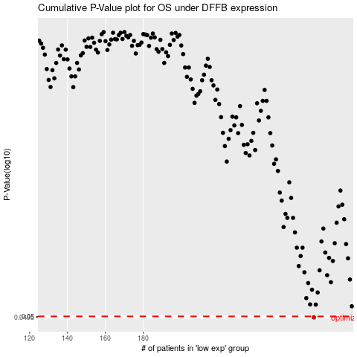

 |  |  |  |  |  | cases_OS | p_OS | rank | exp
 |  |  |  |  |  | 270 | 0.0495 | 194 | 0.081562071971
 |  |  |  |  |  |  | cases_RFS | p_RFS | rank | exp
 |  |  |  |  |  |  | 269 | 0.0495 | 68 | 0.066234423847

